Master Catalog
Nissan GT-R R35 — Master Parts Catalog
All systems • All manufacturing dates • All models • Period variants expanded

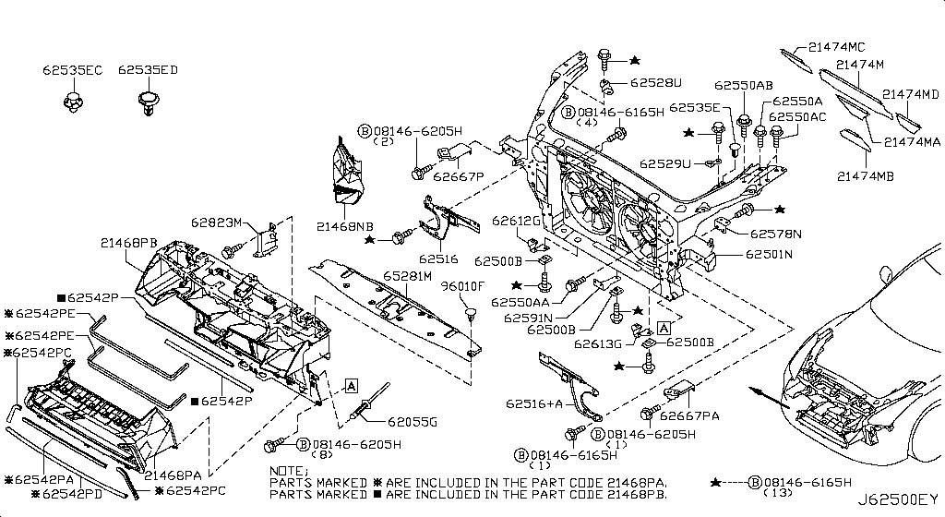
001 - Bare & Short Engine | 0 matched part(s)
App. model: VR38DETT
 | OEM | Description | Applies / Details | Period | Notes | Match
 | (no hotspot data for this diagram)

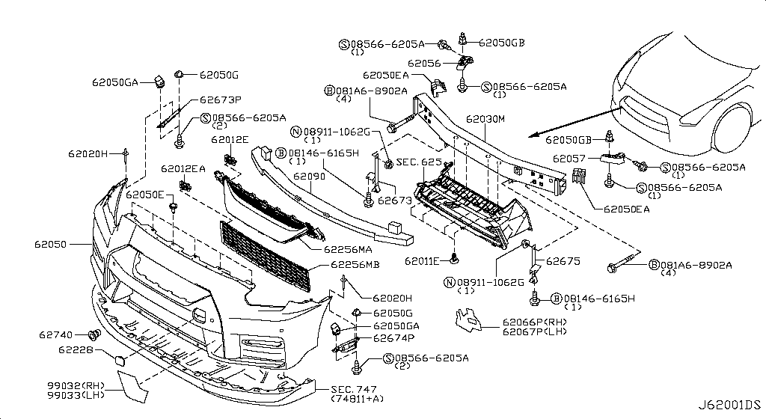
002 - Engine Gasket Kit | 2 matched part(s)
App. model: VR38DETT
 | OEM | Description | Applies / Details | Period | Notes | Match
 | A0AMA-JF00A | Gasket-Engine |  |  |  | engine, gasket
 | A1MDB-JF00A | Gasket Kit |  |  |  | gasket

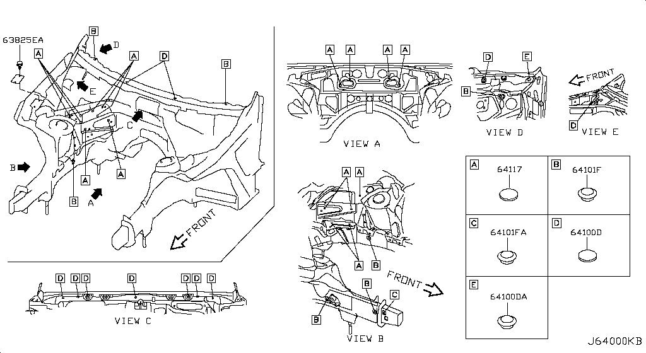
003 - Cylinder Block & Oil Pan | 60 matched part(s)
App. model: VR38DETT, VR38DETT.(PURE+BLACK+PREMIUM+NISMO), *VR38DETT.(PURE+NISMO) SpecCode: [MFLR3] TITAN MFLR • [08.2017 - ... ... 11.2013 - 11.2014]
 | OEM | Description | Applies / Details | Period | Notes | Match
 | 11114-JF00A | Baffle plate-oil pan | VR38DETT | 08.2017 - ...
 | 11114-JF01A | Baffle plate-oil pan | VR38DETT | 08.2017 - ...
 | 11114-JF02A | Baffle plate-oil pan | VR38DETT | 08.2017 - ...
 | 11114-38B0A | Baffle plate-oil pan | VR38DETT | 08.2017 - ...
 | 11000-JF0HA | Block Cylinder | VR38DETT | 08.2017 - ... |  | cylinder
 | 12293-JF00A | Bolt Brg Cap | VR38DETT | 08.2017 - ... |  | bolt
 | 11110-38B0A | but need 2024 CRANKCASE | VR38DETT | 08.2017 - ...
 | 11022-77A00 | Dowel | VR38DETT | 08.2017 - ...
 | 11046-73402 | Dowel | VR38DETT | 08.2017 - ...
 | 11022-31U0B | Dowel-Block | VR38DETT | 02.2018 - ...
 | 11022-31U01 | Dowel-Block | VR38DETT | 08.2017 - ...
 | 11022-31U02 | Dowel, block to oil pump; Pin-dowel,cylinder block | VR38DETT | 08.2017 - 02.2018 |  | cylinder, pump
 | 30412-H1001 | Dowel Gear Box | VR38DETT | 08.2017 - ... |  | gear
 | KA761-33000 | Fluid-Gasket | VR38DETT.(PURE+BLACK+PREMIUM+NISMO) | 04.2016 - 07.2016 |  | gasket
 | 11026-60U01 | Gasket | VR38DETT | 08.2017 - ... |  | gasket
 | 11026-JK20B | Gasket | VR38DETT | 08.2017 - ... |  | gasket
 | 11026-41B00 | Gasket | VR38DETT | 08.2017 - ... |  | gasket
 | 15053-JF00A | Gasket | VR38DETT | 08.2017 - ... |  | gasket
 | 15239-JF00A | Gasket | VR38DETT | 08.2017 - ... |  | gasket
 | 14465-4P210 | Gasket | VR38DETT | 08.2017 - ... |  | gasket
 | 11026-01M02 | Gasket | VR38DETT | 08.2017 - ... |  | gasket
 | 11026-53J00 | Gasket | VR38DETT | 08.2017 - ... |  | gasket
 | 20692-JF00A | Gasket | *VR38DETT.(PURE+NISMO) SpecCode: [MFLR3] TITAN MFLR | 11.2013 - 11.2014 |  | gasket
 | KP710-00150 | Gasket-Fluid | VR38DETT | 08.2017 - ... |  | gasket
 | 11140-JF00C | Gauge, oil level | VR38DETT | 08.2017 - ...
 | 11150-JF00A | Guide, oil level gauge | VR38DETT | 08.2017 - ...
 | 11560-JF00A | Jet assembly, oil | VR38DETT | 08.2017 - ...
 | 11145-JF00A | oil level sensor | VR38DETT | 08.2017 - ... |  | sensor
 | 11110-JF01A | Pan assembly, oil | VR38DETT | 08.2017 - ...
 | 31390-6AV0A | Pan assembly-oil | GR6 | 08.2017 - ...
 | 38242-4HK0A | Pipe-axle | VR38DETT | 08.2017 - ... |  | pipe
 | 38242-JK500 | Pipe axle | VR38DETT | 11.2013 - 11.2014 |  | pipe
 | 11051-53J0A | Plug-Blind | VR38DETT | 08.2017 - ... |  | plug
 | 11128-01M00 | Plug, blind | VR38DETT | 08.2017 - ... |  | plug
 | 11051-31U2A | Plug Taper | VR38DETT | 08.2017 - ... |  | plug
 | 08931-7221A | Plug-Thread |  |  |  | plug
 | 12279-AD200 | rear crank seal | VR38DETT | 08.2017 - ... |  | seal
 | 15066-31U02 | Ring-O | VR38DETT | 08.2017 - ...
 | 15066-31U03 | Ring-O | VR38DETT | 08.2017 - ...
 | 15066-JA10A | Ring-O | VR38DETT | 08.2017 - ...
 | 21049-JK20A | Ring O | VR38DETT | 08.2017 - ...
 | 21049-JK20B | Ring O | VR38DETT | 08.2017 - ...
 | 21304-JF00A | Ring O | VR38DETT | 08.2017 - ...
 | 15066-JF00A | Ring-O | VR38DETT | 08.2017 - ...
 | 15066-31U00 | Seal-O Ring | VR38DETT | 08.2017 - ... |  | seal
 | 38343-JF00A | SEAL-O RING | VR38DETT | 08.2017 - ... | REAR DIFF | seal
 | 15066-EB300 | Seal-O Ring | VR38DETT | 08.2017 - ... |  | seal
 | 21049-JF00A | Seal-O Ring | VR38DETT | 08.2017 - ... |  | seal
 | 21049-AE000 | Seal-O Ring | VR38DETT | 08.2017 - ... |  | seal
 | 21049-31U00 | Seal-O Ring | VR38DETT | 08.2017 - ... |  | seal
 | 92477-4GF1A | Seal-O Ring | C | 08.2017 - ... |  | seal
 | 92477-4GF0A | Seal-O Ring | C | 08.2017 - ... |  | seal
 | 49359-AA000 | Seal-O Ring | VR38DETT | 08.2017 - ... |  | seal
 | 49862-04E00 | Seal-O Ring | VR38DETT | 08.2017 - ... |  | seal
 | 49345-6N200 | Seal-O Ring | VR38DETT | 08.2017 - ... |  | seal
 | 38343-0P012 | Seal,o ring axle pipe; Seal,o ring side retainer; Seal-o ring | VR38DETT | 08.2017 - ... |  | pipe, seal
 | 38343-0P014 | Seal,o ring axle pipe; Seal,o ring side retainer; Seal-o ring | VR38DETT | 08.2017 - ... |  | pipe, seal
 | 15066-4W000 | Seal, oil level gauge guide | VR38DETT | 08.2017 - ... |  | seal
 | 11026-JF01A | Washer, drain plug | VR38DETT | 08.2017 - ... |  | plug, washer
 | 11026-JF10A | Washer, drain plug; Washer, drain plug engine oil pan | VR38DETT | 08.2017 - ... |  | engine, plug, washer

004 - Cylinder Head & Rocker Cover | 184 matched part(s)
App. model: C.(TRACK+NISMO), VR38DETT.(TRACK+BLACK+PREMIUM+NISMO), VR38DETT • [04.2016 - 07.2016 ... 07.2018 - ...]
 | OEM | Description | Applies / Details | Period | Notes | Match
 | 11298-4M411 | Bolt |  |  |  | bolt
 | 11298-AG001 | Bolt |  |  |  | bolt
 | 11298-4M406 | Bolt |  |  |  | bolt
 | 11298-2J212 | Bolt |  |  |  | bolt
 | 08158-62528 | Bolt |  |  |  | bolt
 | 08158-62533 | Bolt |  |  |  | bolt
 | 08158-6205N | Bolt |  |  |  | bolt
 | 081A8-6251A | Bolt |  |  |  | bolt
 | 081A1-0451A | Bolt |  |  |  | bolt
 | 55479-4P00A | Bolt |  |  |  | bolt
 | 54459-8J00A | Bolt |  |  |  | bolt
 | 55226-AQ50A | Bolt |  |  |  | bolt
 | 55226-JA01C | Bolt |  |  |  | bolt
 | 081B6-8901A | Bolt |  |  |  | bolt
 | 01125-00931 | Bolt |  |  |  | bolt
 | 081B6-8205M | Bolt |  |  |  | bolt
 | 01121-N6141 | Bolt |  |  |  | bolt
 | 62297-1BA0A | Bolt |  |  |  | bolt
 | 87850-8990A | Bolt | C.(TRACK+NISMO) | 04.2016 - 07.2016 |  | bolt
 | 20606-6AV0B | Bolt | VR38DETT.(TRACK+BLACK+PREMIUM+NISMO) | 07.2016 - 08.2017 |  | bolt
 | 01125-E6041 | Bolt | VR38DETT | 08.2017 - ... |  | bolt
 | 13224-AD22B | Bolt | VR38DETT | 08.2017 - ... |  | bolt
 | 11298-JF00A | Bolt | VR38DETT | 08.2017 - ... |  | bolt
 | 10004-4W00C | Bolt | VR38DETT | 08.2017 - ... |  | bolt
 | 14069-JD70A | Bolt | VR38DETT | 08.2017 - ... |  | bolt
 | 11916-JF00A | Bolt | VR38DETT | 08.2017 - ... |  | bolt
 | 11916-JF01A | Bolt | VR38DETT | 08.2017 - ... |  | bolt
 | 25628-3H00A | Bolt | C | 08.2017 - ... |  | bolt
 | 11916-JF00D | Bolt | VR38DETT | 08.2017 - ... |  | bolt
 | 31377-JF00C | Bolt | GR6 | 08.2017 - ... |  | bolt
 | 31377-JF00E | Bolt | GR6 | 08.2017 - ... |  | bolt
 | 11298-4M418 | Bolt | VR38DETT | 08.2017 - ... |  | bolt
 | 40178-EG06C | Bolt | VR38DETT | 08.2017 - ... |  | bolt
 | 55222-0M00B | Bolt | VR38DETT | 08.2017 - ... |  | bolt
 | 48935-5V10A | Bolt | VR38DETT | 08.2017 - ... |  | bolt
 | 48935-4P00A | Bolt | VR38DETT | 08.2017 - ... |  | bolt
 | 48935-JF00B | Bolt | VR38DETT | 08.2017 - ... |  | bolt
 | 49164-1AA0A | Bolt | VR38DETT | 08.2017 - ... |  | bolt
 | 49738-1BA0A | Bolt | VR38DETT | 08.2017 - ... |  | bolt
 | 49738-JF00A | Bolt | VR38DETT | 08.2017 - ... |  | bolt
 | 49738-4W00A | Bolt | VR38DETT | 08.2017 - ... |  | bolt
 | 62297-JF01B | Bolt | C | 08.2017 - ... |  | bolt
 | 62297-JF00A | Bolt | C | 08.2017 - ... |  | bolt
 | 62297-KB51A | Bolt | C | 08.2017 - ... |  | bolt
 | 62297-JF00C | Bolt | C | 08.2017 - ... |  | bolt
 | 01125-03491 | Bolt | C | 08.2017 - ... |  | bolt
 | 01125-03421 | Bolt | C | 08.2017 - ... |  | bolt
 | 673N8-JF00A | Bolt | C | 08.2017 - ... |  | bolt
 | 14069-CA01A | Bolt | C | 08.2017 - ... |  | bolt
 | 80498-CE40A | Bolt | C | 08.2017 - ... |  | bolt
 | 11298-4M417 | Bolt | C | 08.2017 - ... |  | bolt
 | 01121-07251 | Bolt | C | 08.2017 - ... |  | bolt
 | 01125-N6011 | Bolt | C | 08.2017 - ... |  | bolt
 | 98589-JN00A | Bolt | C | 08.2017 - ... |  | bolt
 | 01125-N6121 | Bolt | C | 08.2017 - ... |  | bolt
 | 20606-6AV0A | Bolt | VR38DETT.(TRACK+PREMIUM+NISMO) | 08.2017 - ... |  | bolt
 | 20606-6AV0C | Bolt | VR38DETT.(TRACK+PREMIUM+NISMO) | 08.2017 - ... |  | bolt
 | 87185-5UH0A | Bolt | C | 08.2017 - ... |  | bolt
 | 87615-4V70A | Bolt | C | 08.2017 - ... |  | bolt
 | 54459-JF01A | Bolt | VR38DETT | 08.2017 - ... |  | bolt
 | 44005-JF00A | Bolt | VR38DETT | 08.2017 - ... |  | bolt
 | 081A8-6121A | Bolt | VR38DETT | 11.2007 - 12.2009 |  | bolt
 | 54459-0M00E | Bolt | *VR38DETT.(PURE+NISMO) SpecCode: [MFLR3] TITAN MFLR | 11.2013 - 11.2014 |  | bolt
 | 081A8-6201A | Bolt | VR38DETT | 11.2013 - 11.2014 |  | bolt
 | 081A8-8251A | Bolt | VR38DETT | 11.2013 - 11.2014 |  | bolt
 | 16122-JF00A | Bolt | VR38DETT | 11.2013 - 11.2014 |  | bolt
 | 081A0-6165M | Bolt | VR38DETT | 11.2013 - 11.2014 |  | bolt
 | 08120-61228 | Bolt | VR38DETT | 11.2013 - 11.2014 |  | bolt
 | 081B0-8605M | Bolt | VR38DETT | 11.2013 - 11.2014 |  | bolt
 | 081B1-0401A | Bolt | VR38DETT | 11.2013 - 11.2014 |  | bolt
 | 081B6-8705M | Bolt | VR38DETT | 11.2013 - 11.2014 |  | bolt
 | 01454-N5041 | Bolt | C.(PURE+BLACK+PREMIUM) | 11.2013 - 11.2014 |  | bolt
 | 20606-JF60B | Bolt | *VR38DETT.(PURE+NISMO) SpecCode: [MFLR3] TITAN MFLR | 11.2013 - 11.2014 |  | bolt
 | 08158-8251F | Bolt | VR38DETT | 11.2013 - 11.2014 |  | bolt
 | 08158-8301F | Bolt | VR38DETT | 11.2013 - 11.2014 |  | bolt
 | 01225-N6011 | Bolt | *C.PURE SpecCode: [SPKRB] BOSE AUDIO | 11.2013 - 12.2013 |  | bolt
 | 16122-5Y70A | Bolt | VR38DETT.NISMO | 11.2014 - 04.2016 |  | bolt
 | 13058-31U0B | Bolt, camshaft bracket | VR38DETT | 08.2017 - ... |  | bolt, bracket, shaft
 | 13058-31U2A | Bolt-camshaft bracket | VR38DETT | 08.2017 - ... |  | bolt, bracket, shaft
 | 13058-31U0A | Bolt, camshaft bracket | VR38DETT | 08.2017 - ... |  | bolt, bracket, shaft
 | 13058-31U01 | Bolt, camshaft bracket | VR38DETT | 11.2013 - 11.2014 |  | bolt, bracket, shaft
 | 081B0-8251A | Bolt-Hex |  |  |  | bolt
 | 081B6-6125M | Bolt-Hex |  |  |  | bolt
 | 081B6-6165M | Bolt-Hex |  |  |  | bolt
 | 081B8-6201A | Bolt-Hex |  |  |  | bolt
 | 081B0-6401A | Bolt-Hex |  |  |  | bolt
 | 081B8-6122A | Bolt-Hex |  |  |  | bolt
 | 08156-6165N | Bolt-Hex |  |  |  | bolt
 | 08120-8302A | Bolt-Hex |  |  |  | bolt
 | 08146-6125G | Bolt-Hex |  |  |  | bolt
 | 08156-61228 | Bolt-Hex |  |  |  | bolt
 | 081A4-0301A | Bolt-Hex |  |  |  | bolt
 | 08147-0162G | Bolt-Hex |  |  |  | bolt
 | 08146-6352G | Bolt-Hex |  |  |  | bolt
 | 08120-8162E | Bolt-Hex |  |  |  | bolt
 | 08156-63033 | Bolt-Hex |  |  |  | bolt
 | 08146-6255H | Bolt-Hex |  |  |  | bolt
 | 01121-04761 | Bolt-Hex | C | 08.2017 - ... |  | bolt
 | 80498-40U0B | Bolt Hex | C | 08.2017 - ... |  | bolt
 | 08146-6122G | Bolt-Hex | C | 11.2007 - 11.2010 |  | bolt
 | 08120-61633 | Bolt-Hex | VR38DETT | 11.2007 - 11.2010 |  | bolt
 | 08146-8162G | Bolt-Hex | C | 11.2007 - 11.2010 |  | bolt
 | 08146-6165G | Bolt-Hex | C | 11.2007 - 11.2010 |  | bolt
 | 081B0-8401A | Bolt-Hex | VR38DETT | 11.2013 - 11.2014 |  | bolt
 | 08120-64028 | Bolt-Hex | VR38DETT | 11.2013 - 11.2014 |  | bolt
 | 081B0-6161A | Bolt-Hex | VR38DETT | 11.2013 - 11.2014 |  | bolt
 | 081B0-6255M | Bolt-Hex | VR38DETT | 11.2013 - 11.2014 |  | bolt
 | 081B0-6201A | Bolt-Hex | VR38DETT | 11.2013 - 11.2014 |  | bolt
 | 081B0-8405M | Bolt-Hex | VR38DETT | 11.2013 - 11.2014 |  | bolt
 | 081B0-8305M | Bolt-Hex | VR38DETT | 11.2013 - 11.2014 |  | bolt
 | 081A0-6121A | Bolt-Hex | VR38DETT | 11.2013 - 11.2014 |  | bolt
 | 081B0-6301A | Bolt-Hex | VR38DETT | 11.2013 - 11.2014 |  | bolt
 | 081B0-6501A | Bolt-Hex | VR38DETT | 11.2013 - 11.2014 |  | bolt
 | 08146-8202G | Bolt-Hex | VR38DETT | 11.2013 - 11.2014 |  | bolt
 | 08146-8252G | Bolt-Hex | VR38DETT | 11.2013 - 11.2014 |  | bolt
 | 08156-61633 | Bolt-Hex | VR38DETT | 11.2013 - 11.2014 |  | bolt
 | 08146-6162G | Bolt-Hex | VR38DETT | 11.2013 - 11.2014 |  | bolt
 | 08146-6205H | Bolt-Hex | VR38DETT | 11.2013 - 11.2014 |  | bolt
 | 08146-6305H | Bolt-Hex | VR38DETT | 11.2013 - 11.2014 |  | bolt
 | 08146-6202H | Bolt-Hex | C | 11.2013 - 11.2014 |  | bolt
 | 08146-6162H | Bolt-Hex | C | 11.2013 - 11.2014 |  | bolt
 | 08146-6165H | Bolt-Hex | C | 11.2013 - 11.2014 |  | bolt
 | 08156-6125M | Bolt-Hex | GR6 | 11.2013 - 11.2014 |  | bolt
 | 08146-8161G | Bolt-Hex | VR38DETT | 11.2013 - 11.2014 |  | bolt
 | 08146-6252G | Bolt-Hex | C | 11.2013 - 11.2014 |  | bolt
 | 08120-8201E | Bolt-Hex | VR38DETT | 11.2013 - 11.2014 |  | bolt
 | 08120-8501E | Bolt-Hex | VR38DETT | 11.2013 - 11.2014 |  | bolt
 | 08146-6125H | Bolt-Hex | C | 11.2013 - 11.2014 |  | bolt
 | 08146-6255G | Bolt-Hex | VR38DETT | 11.2013 - 11.2014 |  | bolt
 | 08146-6122H | Bolt-Hex | C | 11.2013 - 11.2014 |  | bolt
 | 081A7-0201A | Bolt-Hex | C | 11.2013 - 11.2014 |  | bolt
 | 08146-8122G | Bolt-Hex | C | 11.2014 - 04.2016 |  | bolt
 | 11056-JF01A | Bolt Substant | VR38DETT | 08.2017 - ... |  | bolt
 | 13055-JF00A | Brkt-Camsft Ang | VR38DETT | 08.2017 - ...
 | 13055-JF00B | Brkt-Camsft Ang | VR38DETT | 08.2017 - ...
 | 15255-JF01A | Cap-Oil Filler | VR38DETT | 08.2017 - ...
 | 13264-JF00D | Cover Assy-Valv | VR38DETT | 08.2017 - ... |  | cover
 | 13264-JF01C | Cover Assy-Valv | VR38DETT | 08.2017 - ... |  | cover
 | 11040-JF00A | cylinder heads L | VR38DETT | 08.2017 - ... |  | cylinder
 | 11090-JF00A | cylinder heads R | VR38DETT | 08.2017 - ... |  | cylinder
 | 11026-53J00 | Gasket | VR38DETT | 08.2017 - ... |  | gasket
 | 11026-60U01 | Gasket | VR38DETT | 08.2017 - ... |  | gasket
 | 11026-JK20B | Gasket | VR38DETT | 08.2017 - ... |  | gasket
 | 11026-41B00 | Gasket | VR38DETT | 08.2017 - ... |  | gasket
 | 15053-JF00A | Gasket | VR38DETT | 08.2017 - ... |  | gasket
 | 15239-JF00A | Gasket | VR38DETT | 08.2017 - ... |  | gasket
 | 14465-4P210 | Gasket | VR38DETT | 08.2017 - ... |  | gasket
 | 11026-01M02 | Gasket | VR38DETT | 08.2017 - ... |  | gasket
 | 20692-JF00A | Gasket | *VR38DETT.(PURE+NISMO) SpecCode: [MFLR3] TITAN MFLR | 11.2013 - 11.2014 |  | gasket
 | 11044-JF01A | Gasket-Cylinder | VR38DETT | 08.2017 - ... |  | cylinder, gasket
 | 11044-JF01B | Gasket-Cylinder | VR38DETT | 08.2017 - ... |  | cylinder, gasket
 | 13270-JF00A | GASKET-ROCKER COVER | VR38DETT | 08.2017 - ... | FRONT COVER ATTACH VVTI | cover, gasket
 | 13270-JF01A | GASKET-ROCKER COVER | VR38DETT | 08.2017 - ... | FRONT COVER ATTACH VVTI | cover, gasket
 | 13213-JF06A | Guide, valve exhaust | VR38DETT | 08.2017 - ... |  | valve
 | 13212-58S60 | Guide, valve intake | VR38DETT | 08.2017 - ... |  | valve
 | 08918-3061A | Nut-Flange,Hex | VR38DETT | 11.2007 - 11.2010 |  | nut
 | 08918-3062A | Nut-Flange,Hex | C | 11.2007 - 11.2010 |  | nut
 | 08918-3401A | Nut-Flange,Hex | VR38DETT | 11.2013 - 11.2014 |  | nut
 | 08918-3081A | Nut-Flange,Hex | VR38DETT | 11.2013 - 11.2014 |  | nut
 | 08918-3082A | Nut-Flange,Hex | VR38DETT | 11.2013 - 11.2014 |  | nut
 | 32105-0P000 | Pin-Dowel
 | 11022-31U00 | Pin-Dowel | VR38DETT | 08.2017 - ...
 | 15066-EB300 | Seal-O Ring | VR38DETT | 08.2017 - ... |  | seal
 | 38343-JF00A | SEAL-O RING | VR38DETT | 08.2017 - ... | REAR DIFF | seal
 | 15066-31U00 | Seal-O Ring | VR38DETT | 08.2017 - ... |  | seal
 | 21049-JF00A | Seal-O Ring | VR38DETT | 08.2017 - ... |  | seal
 | 21049-AE000 | Seal-O Ring | VR38DETT | 08.2017 - ... |  | seal
 | 21049-31U00 | Seal-O Ring | VR38DETT | 08.2017 - ... |  | seal
 | 92477-4GF1A | Seal-O Ring | C | 08.2017 - ... |  | seal
 | 92477-4GF0A | Seal-O Ring | C | 08.2017 - ... |  | seal
 | 49359-AA000 | Seal-O Ring | VR38DETT | 08.2017 - ... |  | seal
 | 49862-04E00 | Seal-O Ring | VR38DETT | 08.2017 - ... |  | seal
 | 49345-6N200 | Seal-O Ring | VR38DETT | 08.2017 - ... |  | seal
 | 11099-JF06A | Seat, valve exhaust | VR38DETT | 07.2018 - ... |  | seat, valve
 | 11098-JF06A | Seat, valve intake | VR38DETT | 07.2018 - ... |  | seat, valve
 | 10005-JF00A | Sliger-Engine | VR38DETT | 08.2017 - ... |  | engine
 | 10006-JF00B | Slinger Engine | VR38DETT | 08.2017 - ... |  | engine
 | 15259-JF00A | Tube-Oil Filler | VR38DETT | 08.2017 - ... |  | tube
 | 11095-JF00A | Tube, spark plug | VR38DETT | 08.2017 - ... |  | plug, tube
 | 38139-61001 | Washer |  |  |  | washer
 | 13056-31U0A | Washer | VR38DETT | 08.2017 - ... |  | washer
 | 32154-JF00A | Washer | GR6 | 08.2017 - ... |  | washer
 | 32154-JF00B | Washer | GR6 | 08.2017 - ... |  | washer
 | 40037-1CA0A | Washer | VR38DETT | 08.2017 - ... |  | washer

005 - Engine & Transmission Mounting | 158 matched part(s)
App. model: C.(TRACK+NISMO), VR38DETT.(TRACK+BLACK+PREMIUM+NISMO), VR38DETT • [04.2016 - 07.2016 ... 06.2014 - 11.2014]
 | OEM | Description | Applies / Details | Period | Notes | Match
 | 11298-4M411 | Bolt |  |  |  | bolt
 | 11298-AG001 | Bolt |  |  |  | bolt
 | 11298-4M406 | Bolt |  |  |  | bolt
 | 11298-2J212 | Bolt |  |  |  | bolt
 | 08158-62528 | Bolt |  |  |  | bolt
 | 08158-62533 | Bolt |  |  |  | bolt
 | 08158-6205N | Bolt |  |  |  | bolt
 | 081A8-6251A | Bolt |  |  |  | bolt
 | 081A1-0451A | Bolt |  |  |  | bolt
 | 55479-4P00A | Bolt |  |  |  | bolt
 | 54459-8J00A | Bolt |  |  |  | bolt
 | 55226-AQ50A | Bolt |  |  |  | bolt
 | 55226-JA01C | Bolt |  |  |  | bolt
 | 081B6-8901A | Bolt |  |  |  | bolt
 | 01125-00931 | Bolt |  |  |  | bolt
 | 081B6-8205M | Bolt |  |  |  | bolt
 | 01121-N6141 | Bolt |  |  |  | bolt
 | 62297-1BA0A | Bolt |  |  |  | bolt
 | 87850-8990A | Bolt | C.(TRACK+NISMO) | 04.2016 - 07.2016 |  | bolt
 | 20606-6AV0B | Bolt | VR38DETT.(TRACK+BLACK+PREMIUM+NISMO) | 07.2016 - 08.2017 |  | bolt
 | 01125-E6041 | Bolt | VR38DETT | 08.2017 - ... |  | bolt
 | 13224-AD22B | Bolt | VR38DETT | 08.2017 - ... |  | bolt
 | 11298-JF00A | Bolt | VR38DETT | 08.2017 - ... |  | bolt
 | 10004-4W00C | Bolt | VR38DETT | 08.2017 - ... |  | bolt
 | 14069-JD70A | Bolt | VR38DETT | 08.2017 - ... |  | bolt
 | 11916-JF00A | Bolt | VR38DETT | 08.2017 - ... |  | bolt
 | 11916-JF01A | Bolt | VR38DETT | 08.2017 - ... |  | bolt
 | 25628-3H00A | Bolt | C | 08.2017 - ... |  | bolt
 | 11916-JF00D | Bolt | VR38DETT | 08.2017 - ... |  | bolt
 | 31377-JF00C | Bolt | GR6 | 08.2017 - ... |  | bolt
 | 31377-JF00E | Bolt | GR6 | 08.2017 - ... |  | bolt
 | 11298-4M418 | Bolt | VR38DETT | 08.2017 - ... |  | bolt
 | 40178-EG06C | Bolt | VR38DETT | 08.2017 - ... |  | bolt
 | 55222-0M00B | Bolt | VR38DETT | 08.2017 - ... |  | bolt
 | 48935-5V10A | Bolt | VR38DETT | 08.2017 - ... |  | bolt
 | 48935-4P00A | Bolt | VR38DETT | 08.2017 - ... |  | bolt
 | 48935-JF00B | Bolt | VR38DETT | 08.2017 - ... |  | bolt
 | 49164-1AA0A | Bolt | VR38DETT | 08.2017 - ... |  | bolt
 | 49738-1BA0A | Bolt | VR38DETT | 08.2017 - ... |  | bolt
 | 49738-JF00A | Bolt | VR38DETT | 08.2017 - ... |  | bolt
 | 49738-4W00A | Bolt | VR38DETT | 08.2017 - ... |  | bolt
 | 62297-JF01B | Bolt | C | 08.2017 - ... |  | bolt
 | 62297-JF00A | Bolt | C | 08.2017 - ... |  | bolt
 | 62297-KB51A | Bolt | C | 08.2017 - ... |  | bolt
 | 62297-JF00C | Bolt | C | 08.2017 - ... |  | bolt
 | 01125-03491 | Bolt | C | 08.2017 - ... |  | bolt
 | 01125-03421 | Bolt | C | 08.2017 - ... |  | bolt
 | 673N8-JF00A | Bolt | C | 08.2017 - ... |  | bolt
 | 14069-CA01A | Bolt | C | 08.2017 - ... |  | bolt
 | 80498-CE40A | Bolt | C | 08.2017 - ... |  | bolt
 | 11298-4M417 | Bolt | C | 08.2017 - ... |  | bolt
 | 01121-07251 | Bolt | C | 08.2017 - ... |  | bolt
 | 01125-N6011 | Bolt | C | 08.2017 - ... |  | bolt
 | 98589-JN00A | Bolt | C | 08.2017 - ... |  | bolt
 | 01125-N6121 | Bolt | C | 08.2017 - ... |  | bolt
 | 20606-6AV0A | Bolt | VR38DETT.(TRACK+PREMIUM+NISMO) | 08.2017 - ... |  | bolt
 | 20606-6AV0C | Bolt | VR38DETT.(TRACK+PREMIUM+NISMO) | 08.2017 - ... |  | bolt
 | 87185-5UH0A | Bolt | C | 08.2017 - ... |  | bolt
 | 87615-4V70A | Bolt | C | 08.2017 - ... |  | bolt
 | 54459-JF01A | Bolt | VR38DETT | 08.2017 - ... |  | bolt
 | 44005-JF00A | Bolt | VR38DETT | 08.2017 - ... |  | bolt
 | 081A8-6121A | Bolt | VR38DETT | 11.2007 - 12.2009 |  | bolt
 | 54459-0M00E | Bolt | *VR38DETT.(PURE+NISMO) SpecCode: [MFLR3] TITAN MFLR | 11.2013 - 11.2014 |  | bolt
 | 081A8-6201A | Bolt | VR38DETT | 11.2013 - 11.2014 |  | bolt
 | 081A8-8251A | Bolt | VR38DETT | 11.2013 - 11.2014 |  | bolt
 | 16122-JF00A | Bolt | VR38DETT | 11.2013 - 11.2014 |  | bolt
 | 081A0-6165M | Bolt | VR38DETT | 11.2013 - 11.2014 |  | bolt
 | 08120-61228 | Bolt | VR38DETT | 11.2013 - 11.2014 |  | bolt
 | 081B0-8605M | Bolt | VR38DETT | 11.2013 - 11.2014 |  | bolt
 | 081B1-0401A | Bolt | VR38DETT | 11.2013 - 11.2014 |  | bolt
 | 081B6-8705M | Bolt | VR38DETT | 11.2013 - 11.2014 |  | bolt
 | 01454-N5041 | Bolt | C.(PURE+BLACK+PREMIUM) | 11.2013 - 11.2014 |  | bolt
 | 20606-JF60B | Bolt | *VR38DETT.(PURE+NISMO) SpecCode: [MFLR3] TITAN MFLR | 11.2013 - 11.2014 |  | bolt
 | 08158-8251F | Bolt | VR38DETT | 11.2013 - 11.2014 |  | bolt
 | 08158-8301F | Bolt | VR38DETT | 11.2013 - 11.2014 |  | bolt
 | 01225-N6011 | Bolt | *C.PURE SpecCode: [SPKRB] BOSE AUDIO | 11.2013 - 12.2013 |  | bolt
 | 16122-5Y70A | Bolt | VR38DETT.NISMO | 11.2014 - 04.2016 |  | bolt
 | 11232-JF00A | Bracket |  |  |  | bracket
 | 11233-JF00A | Bracket |  |  |  | bracket
 | 27750-JK60B | Bracket |  |  |  | bracket
 | 31069-JF05D | Bracket |  |  |  | bracket
 | 11926-JF01A | Bracket |  |  |  | bracket
 | 11940-JF00A | Bracket |  |  |  | bracket
 | 26920-KB50A | Bracket | C.(TRACK+NISMO) | 04.2016 - 07.2016 |  | bracket
 | 26920-KB51A | Bracket | C.(TRACK+NISMO) | 04.2016 - 07.2016 |  | bracket
 | 26925-KB50A | Bracket | C.(TRACK+NISMO) | 04.2016 - 07.2016 |  | bracket
 | 15238-JF00D | Bracket | VR38DETT | 08.2017 - ... |  | bracket
 | 25233-5AA0A | Bracket | C | 08.2017 - ... |  | bracket
 | 54314-JF00A | Bracket | C | 08.2017 - ... |  | bracket
 | 54315-JF00A | Bracket | C | 08.2017 - ... |  | bracket
 | 48988-JF00A | Bracket | VR38DETT | 08.2017 - ... |  | bracket
 | 48988-JF00B | Bracket | VR38DETT | 08.2017 - ... |  | bracket
 | 48988-JF00C | Bracket | VR38DETT | 08.2017 - ... |  | bracket
 | 62576-JF00A | Bracket | C | 08.2017 - ... |  | bracket
 | 62577-JF00A | Bracket | C | 08.2017 - ... |  | bracket
 | 625D2-JF00A | Bracket | C | 08.2017 - ... |  | bracket
 | 625D3-JF00A | Bracket | C | 08.2017 - ... |  | bracket
 | 84460-JF10A | Bracket | C | 08.2017 - ... |  | bracket
 | 88392-JK000 | Bracket | C | 08.2017 - ... |  | bracket
 | 74386-6HR0A | Bracket | C | 08.2017 - ... |  | bracket
 | 24239-JF00B | Bracket | C | 11.2007 - 11.2010 |  | bracket
 | 24239-JF01B | Bracket | C | 11.2007 - 11.2010 |  | bracket
 | 20731-JF00A | Bracket | *VR38DETT.(PURE+NISMO) SpecCode: [MFLR3] TITAN MFLR | 11.2013 - 11.2014 |  | bracket
 | 20722-JF00A | Bracket | *VR38DETT.(PURE+NISMO) SpecCode: [MFLR3] TITAN MFLR | 11.2013 - 11.2014 |  | bracket
 | 25237-AM600 | Bracket | C | 12.2009 - 11.2010 |  | bracket
 | 24136-AL54B | Bracket | C | 12.2009 - 11.2010 |  | bracket
 | 11272-JF00A | Brkt-Enge Mtg
 | 11270-JF00C | engine mount REAR MIDDLE X1 |  |  |  | engine, mount
 | 11220-JF00D | Insulator |  |  |  | insulator
 | 27288-AG000 | Insulator |  |  |  | insulator
 | 76884-8H502 | Insulator |  |  |  | insulator
 | 17561-JF30D | Insulator | VR38DETT | 08.2017 - ... |  | insulator
 | 27288-JK64A | Insulator | C | 08.2017 - ... |  | insulator
 | 27288-JK65A | Insulator | C | 08.2017 - ... |  | insulator
 | 46272-3S200 | Insulator | C | 08.2017 - ... |  | insulator
 | 54444-JF01A | Insulator | VR38DETT | 08.2017 - ... |  | insulator
 | 48382-JF10A | Insulator | VR38DETT | 08.2017 - ... |  | insulator
 | 49733-6L000 | Insulator | VR38DETT | 08.2017 - ... |  | insulator
 | 49733-4P015 | Insulator | VR38DETT | 08.2017 - ... |  | insulator
 | 49733-21U22 | Insulator | VR38DETT | 08.2017 - ... |  | insulator
 | 49733-01J60 | Insulator | VR38DETT | 08.2017 - ... |  | insulator
 | 72717-JF30A | Insulator | C | 08.2017 - ... |  | insulator
 | 74881-KB50C | Insulator | C | 08.2017 - ... |  | insulator
 | 74881-KJ10A | Insulator | C | 08.2017 - ... |  | insulator
 | 80864-JF00A | Insulator | C | 08.2017 - ... |  | insulator
 | 01225-00931 | Nut |  |  |  | nut
 | 01225-00901 | Nut |  |  |  | nut
 | 01221-00391 | Nut |  |  |  | nut
 | 01221-00361 | Nut | *VR38DETT.PURE SpecCode: [CLASJ] TRACK PACK A | 06.2014 - 11.2014 |  | nut
 | 14094-4P100 | Nut | VR38DETT | 08.2017 - ... |  | nut
 | 01221-00351 | Nut | C | 08.2017 - ... |  | nut
 | 01225-00521 | Nut | VR38DETT | 08.2017 - ... |  | nut
 | 01223-00241 | Nut | C | 08.2017 - ... |  | nut
 | 48514-JF00A | Nut | VR38DETT | 08.2017 - ... |  | nut
 | 01241-00113 | Nut | C | 08.2017 - ... |  | nut
 | 01217-00251 | Nut | C | 08.2017 - ... |  | nut
 | 84656-AM800 | Nut | C | 08.2017 - ... |  | nut
 | 14094-JG30A | Nut | VR38DETT | 08.2017 - ... |  | nut
 | 01225-00881 | Nut | C | 08.2017 - ... |  | nut
 | 40780-JA01B | Nut | C | 08.2017 - ... |  | nut
 | 01221-00331 | Nut | C | 08.2017 - ... |  | nut
 | 55269-AL50A | Nut | VR38DETT | 08.2017 - ... |  | nut
 | 54588-1BA2A | Nut | VR38DETT | 08.2017 - ... |  | nut
 | 54588-2Y00A | Nut | VR38DETT | 08.2017 - ... |  | nut
 | 54588-AD00A | Nut | VR38DETT | 08.2017 - ... |  | nut
 | 01225-00371 | Nut | C | 11.2007 - 11.2010 |  | nut
 | 80497-AX01A | Nut | C | 11.2007 - 11.2010 |  | nut
 | 20602-41G0A | Nut | *VR38DETT.(PURE+NISMO) SpecCode: [MFLR3] TITAN MFLR | 11.2013 - 11.2014 |  | nut
 | 01225-00062 | Nut | *VR38DETT.(PURE+NISMO) SpecCode: [MFLR3] TITAN MFLR | 11.2013 - 11.2014 |  | nut
 | 08918-6081A | Nut | C | 11.2013 - 11.2014 |  | nut
 | 08918-60610 | Nut | C | 11.2013 - 11.2014 |  | nut
 | 40262-EG010 | Nut | VR38DETT | 11.2013 - 11.2014 |  | nut
 | 08911-10637 | Nut | C | 11.2014 - 04.2016 |  | nut
 | 08918-3061A | Nut-Flange,Hex | VR38DETT | 11.2007 - 11.2010 |  | nut
 | 08918-3062A | Nut-Flange,Hex | C | 11.2007 - 11.2010 |  | nut
 | 08918-3401A | Nut-Flange,Hex | VR38DETT | 11.2013 - 11.2014 |  | nut
 | 08918-3081A | Nut-Flange,Hex | VR38DETT | 11.2013 - 11.2014 |  | nut
 | 08918-3082A | Nut-Flange,Hex | VR38DETT | 11.2013 - 11.2014 |  | nut

006 - Fan,Compressor & Power Steering Belt | 81 matched part(s)
App. model: VR38DETT, C.(TRACK+NISMO), VR38DETT.(TRACK+BLACK+PREMIUM+NISMO) • [08.2017 - ... ... 11.2014 - 04.2016]
 | OEM | Description | Applies / Details | Period | Notes | Match
 | 11720-JF00A | Belt-Fan | VR38DETT | 08.2017 - ... |  | belt, fan
 | 11298-4M411 | Bolt |  |  |  | bolt
 | 11298-AG001 | Bolt |  |  |  | bolt
 | 11298-4M406 | Bolt |  |  |  | bolt
 | 11298-2J212 | Bolt |  |  |  | bolt
 | 08158-62528 | Bolt |  |  |  | bolt
 | 08158-62533 | Bolt |  |  |  | bolt
 | 08158-6205N | Bolt |  |  |  | bolt
 | 081A8-6251A | Bolt |  |  |  | bolt
 | 081A1-0451A | Bolt |  |  |  | bolt
 | 55479-4P00A | Bolt |  |  |  | bolt
 | 54459-8J00A | Bolt |  |  |  | bolt
 | 55226-AQ50A | Bolt |  |  |  | bolt
 | 55226-JA01C | Bolt |  |  |  | bolt
 | 081B6-8901A | Bolt |  |  |  | bolt
 | 01125-00931 | Bolt |  |  |  | bolt
 | 081B6-8205M | Bolt |  |  |  | bolt
 | 01121-N6141 | Bolt |  |  |  | bolt
 | 62297-1BA0A | Bolt |  |  |  | bolt
 | 87850-8990A | Bolt | C.(TRACK+NISMO) | 04.2016 - 07.2016 |  | bolt
 | 20606-6AV0B | Bolt | VR38DETT.(TRACK+BLACK+PREMIUM+NISMO) | 07.2016 - 08.2017 |  | bolt
 | 11298-JF00A | Bolt | VR38DETT | 08.2017 - ... |  | bolt
 | 01125-E6041 | Bolt | VR38DETT | 08.2017 - ... |  | bolt
 | 13224-AD22B | Bolt | VR38DETT | 08.2017 - ... |  | bolt
 | 10004-4W00C | Bolt | VR38DETT | 08.2017 - ... |  | bolt
 | 14069-JD70A | Bolt | VR38DETT | 08.2017 - ... |  | bolt
 | 11916-JF00A | Bolt | VR38DETT | 08.2017 - ... |  | bolt
 | 11916-JF01A | Bolt | VR38DETT | 08.2017 - ... |  | bolt
 | 25628-3H00A | Bolt | C | 08.2017 - ... |  | bolt
 | 11916-JF00D | Bolt | VR38DETT | 08.2017 - ... |  | bolt
 | 31377-JF00C | Bolt | GR6 | 08.2017 - ... |  | bolt
 | 31377-JF00E | Bolt | GR6 | 08.2017 - ... |  | bolt
 | 11298-4M418 | Bolt | VR38DETT | 08.2017 - ... |  | bolt
 | 40178-EG06C | Bolt | VR38DETT | 08.2017 - ... |  | bolt
 | 55222-0M00B | Bolt | VR38DETT | 08.2017 - ... |  | bolt
 | 48935-5V10A | Bolt | VR38DETT | 08.2017 - ... |  | bolt
 | 48935-4P00A | Bolt | VR38DETT | 08.2017 - ... |  | bolt
 | 48935-JF00B | Bolt | VR38DETT | 08.2017 - ... |  | bolt
 | 49164-1AA0A | Bolt | VR38DETT | 08.2017 - ... |  | bolt
 | 49738-1BA0A | Bolt | VR38DETT | 08.2017 - ... |  | bolt
 | 49738-JF00A | Bolt | VR38DETT | 08.2017 - ... |  | bolt
 | 49738-4W00A | Bolt | VR38DETT | 08.2017 - ... |  | bolt
 | 62297-JF01B | Bolt | C | 08.2017 - ... |  | bolt
 | 62297-JF00A | Bolt | C | 08.2017 - ... |  | bolt
 | 62297-KB51A | Bolt | C | 08.2017 - ... |  | bolt
 | 62297-JF00C | Bolt | C | 08.2017 - ... |  | bolt
 | 01125-03491 | Bolt | C | 08.2017 - ... |  | bolt
 | 01125-03421 | Bolt | C | 08.2017 - ... |  | bolt
 | 673N8-JF00A | Bolt | C | 08.2017 - ... |  | bolt
 | 14069-CA01A | Bolt | C | 08.2017 - ... |  | bolt
 | 80498-CE40A | Bolt | C | 08.2017 - ... |  | bolt
 | 11298-4M417 | Bolt | C | 08.2017 - ... |  | bolt
 | 01121-07251 | Bolt | C | 08.2017 - ... |  | bolt
 | 01125-N6011 | Bolt | C | 08.2017 - ... |  | bolt
 | 98589-JN00A | Bolt | C | 08.2017 - ... |  | bolt
 | 01125-N6121 | Bolt | C | 08.2017 - ... |  | bolt
 | 20606-6AV0A | Bolt | VR38DETT.(TRACK+PREMIUM+NISMO) | 08.2017 - ... |  | bolt
 | 20606-6AV0C | Bolt | VR38DETT.(TRACK+PREMIUM+NISMO) | 08.2017 - ... |  | bolt
 | 87185-5UH0A | Bolt | C | 08.2017 - ... |  | bolt
 | 87615-4V70A | Bolt | C | 08.2017 - ... |  | bolt
 | 54459-JF01A | Bolt | VR38DETT | 08.2017 - ... |  | bolt
 | 44005-JF00A | Bolt | VR38DETT | 08.2017 - ... |  | bolt
 | 081A8-6121A | Bolt | VR38DETT | 11.2007 - 12.2009 |  | bolt
 | 54459-0M00E | Bolt | *VR38DETT.(PURE+NISMO) SpecCode: [MFLR3] TITAN MFLR | 11.2013 - 11.2014 |  | bolt
 | 081A8-6201A | Bolt | VR38DETT | 11.2013 - 11.2014 |  | bolt
 | 081A8-8251A | Bolt | VR38DETT | 11.2013 - 11.2014 |  | bolt
 | 16122-JF00A | Bolt | VR38DETT | 11.2013 - 11.2014 |  | bolt
 | 081A0-6165M | Bolt | VR38DETT | 11.2013 - 11.2014 |  | bolt
 | 08120-61228 | Bolt | VR38DETT | 11.2013 - 11.2014 |  | bolt
 | 081B0-8605M | Bolt | VR38DETT | 11.2013 - 11.2014 |  | bolt
 | 081B1-0401A | Bolt | VR38DETT | 11.2013 - 11.2014 |  | bolt
 | 081B6-8705M | Bolt | VR38DETT | 11.2013 - 11.2014 |  | bolt
 | 01454-N5041 | Bolt | C.(PURE+BLACK+PREMIUM) | 11.2013 - 11.2014 |  | bolt
 | 20606-JF60B | Bolt | *VR38DETT.(PURE+NISMO) SpecCode: [MFLR3] TITAN MFLR | 11.2013 - 11.2014 |  | bolt
 | 08158-8251F | Bolt | VR38DETT | 11.2013 - 11.2014 |  | bolt
 | 08158-8301F | Bolt | VR38DETT | 11.2013 - 11.2014 |  | bolt
 | 01225-N6011 | Bolt | *C.PURE SpecCode: [SPKRB] BOSE AUDIO | 11.2013 - 12.2013 |  | bolt
 | 16122-5Y70A | Bolt | VR38DETT.NISMO | 11.2014 - 04.2016 |  | bolt
 | 11955-1EA0D | Tensioner Assy | VR38DETT | 08.2017 - ...
 | 13070-JK21B | Tensioner Assy- | VR38DETT | 08.2017 - ...
 | 13070-JK21C | Tensioner Assy- | VR38DETT | 08.2017 - ...

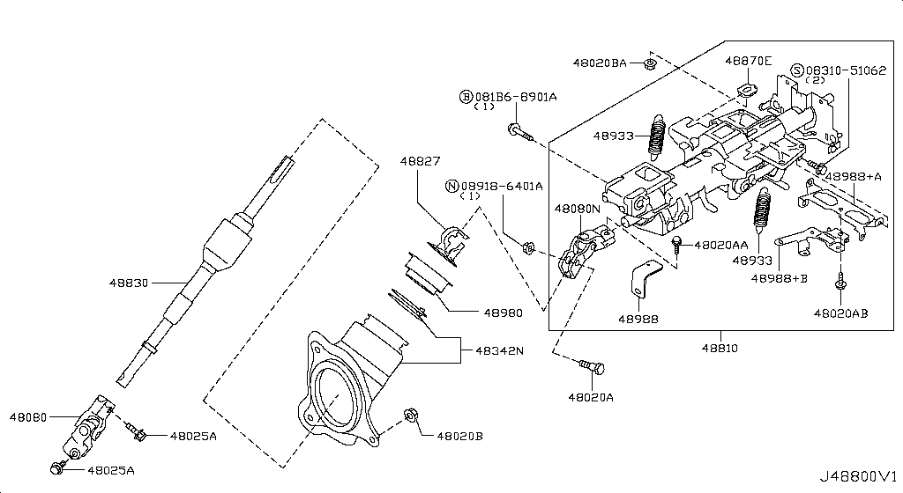
007 - Crankcase Ventilation | 75 matched part(s)
App. model: C, VR38DETT, GR6 • [08.2017 - ... ... 04.2016 - 07.2016]
 | OEM | Description | Applies / Details | Period | Notes | Match
 | 081B6-6125M | Bolt-Hex |  |  |  | bolt
 | 081B0-8251A | Bolt-Hex |  |  |  | bolt
 | 081B6-6165M | Bolt-Hex |  |  |  | bolt
 | 081B8-6201A | Bolt-Hex |  |  |  | bolt
 | 081B0-6401A | Bolt-Hex |  |  |  | bolt
 | 081B8-6122A | Bolt-Hex |  |  |  | bolt
 | 08156-6165N | Bolt-Hex |  |  |  | bolt
 | 08120-8302A | Bolt-Hex |  |  |  | bolt
 | 08146-6125G | Bolt-Hex |  |  |  | bolt
 | 08156-61228 | Bolt-Hex |  |  |  | bolt
 | 081A4-0301A | Bolt-Hex |  |  |  | bolt
 | 08147-0162G | Bolt-Hex |  |  |  | bolt
 | 08146-6352G | Bolt-Hex |  |  |  | bolt
 | 08120-8162E | Bolt-Hex |  |  |  | bolt
 | 08156-63033 | Bolt-Hex |  |  |  | bolt
 | 08146-6255H | Bolt-Hex |  |  |  | bolt
 | 01121-04761 | Bolt-Hex | C | 08.2017 - ... |  | bolt
 | 80498-40U0B | Bolt Hex | C | 08.2017 - ... |  | bolt
 | 08146-6122G | Bolt-Hex | C | 11.2007 - 11.2010 |  | bolt
 | 08120-61633 | Bolt-Hex | VR38DETT | 11.2007 - 11.2010 |  | bolt
 | 08146-8162G | Bolt-Hex | C | 11.2007 - 11.2010 |  | bolt
 | 08146-6165G | Bolt-Hex | C | 11.2007 - 11.2010 |  | bolt
 | 081B0-8401A | Bolt-Hex | VR38DETT | 11.2013 - 11.2014 |  | bolt
 | 08120-64028 | Bolt-Hex | VR38DETT | 11.2013 - 11.2014 |  | bolt
 | 081B0-6161A | Bolt-Hex | VR38DETT | 11.2013 - 11.2014 |  | bolt
 | 081B0-6255M | Bolt-Hex | VR38DETT | 11.2013 - 11.2014 |  | bolt
 | 081B0-6201A | Bolt-Hex | VR38DETT | 11.2013 - 11.2014 |  | bolt
 | 081B0-8405M | Bolt-Hex | VR38DETT | 11.2013 - 11.2014 |  | bolt
 | 081B0-8305M | Bolt-Hex | VR38DETT | 11.2013 - 11.2014 |  | bolt
 | 081A0-6121A | Bolt-Hex | VR38DETT | 11.2013 - 11.2014 |  | bolt
 | 081B0-6301A | Bolt-Hex | VR38DETT | 11.2013 - 11.2014 |  | bolt
 | 081B0-6501A | Bolt-Hex | VR38DETT | 11.2013 - 11.2014 |  | bolt
 | 08146-8202G | Bolt-Hex | VR38DETT | 11.2013 - 11.2014 |  | bolt
 | 08146-8252G | Bolt-Hex | VR38DETT | 11.2013 - 11.2014 |  | bolt
 | 08156-61633 | Bolt-Hex | VR38DETT | 11.2013 - 11.2014 |  | bolt
 | 08146-6162G | Bolt-Hex | VR38DETT | 11.2013 - 11.2014 |  | bolt
 | 08146-6205H | Bolt-Hex | VR38DETT | 11.2013 - 11.2014 |  | bolt
 | 08146-6305H | Bolt-Hex | VR38DETT | 11.2013 - 11.2014 |  | bolt
 | 08146-6202H | Bolt-Hex | C | 11.2013 - 11.2014 |  | bolt
 | 08146-6162H | Bolt-Hex | C | 11.2013 - 11.2014 |  | bolt
 | 08146-6165H | Bolt-Hex | C | 11.2013 - 11.2014 |  | bolt
 | 08156-6125M | Bolt-Hex | GR6 | 11.2013 - 11.2014 |  | bolt
 | 08146-8161G | Bolt-Hex | VR38DETT | 11.2013 - 11.2014 |  | bolt
 | 08146-6252G | Bolt-Hex | C | 11.2013 - 11.2014 |  | bolt
 | 08120-8201E | Bolt-Hex | VR38DETT | 11.2013 - 11.2014 |  | bolt
 | 08120-8501E | Bolt-Hex | VR38DETT | 11.2013 - 11.2014 |  | bolt
 | 08146-6125H | Bolt-Hex | C | 11.2013 - 11.2014 |  | bolt
 | 08146-6255G | Bolt-Hex | VR38DETT | 11.2013 - 11.2014 |  | bolt
 | 08146-6122H | Bolt-Hex | C | 11.2013 - 11.2014 |  | bolt
 | 081A7-0201A | Bolt-Hex | C | 11.2013 - 11.2014 |  | bolt
 | 08146-8122G | Bolt-Hex | C | 11.2014 - 04.2016 |  | bolt
 | 16439-42L0B | Clamp-Hose A | VR38DETT | 08.2017 - ... |  | hose, lamp
 | 16439-V500B | Clamp, hose a | VR38DETT | 08.2017 - 11.2018 |  | hose, lamp
 | KA761-33000 | Fluid-Gasket | VR38DETT.(PURE+BLACK+PREMIUM+NISMO) | 04.2016 - 07.2016 |  | gasket
 | KP710-00150 | Gasket-Fluid | VR38DETT | 08.2017 - ... |  | gasket
 | 21304-JF01A | Gskt-Oil Cooler | VR38DETT | 08.2017 - ... |  | cooler
 | 11826-JF02A | Hose-Air Inlet | VR38DETT | 08.2017 - ... |  | hose
 | 14463-JF00D | Hose, air inlet | VR38DETT | 08.2017 - ... |  | hose
 | 14463-JF00E | Hose, air inlet | VR38DETT | 08.2017 - ... |  | hose
 | 14463-JF02B | Hose, air inlet | VR38DETT | 08.2017 - ... |  | hose
 | 14463-JF02A | Hose, air inlet | VR38DETT | 08.2017 - ... |  | hose
 | 14463-JF02E | Hose-air inlet | VR38DETT | 08.2017 - ... |  | hose
 | 14463-JF00A | Hose, air inlet | VR38DETT | 08.2017 - ... |  | hose
 | 14463-JF00C | Hose, air inlet | VR38DETT | 08.2017 - ... |  | hose
 | 14463-JF01C | Hose, air inlet | VR38DETT | 08.2017 - ... |  | hose
 | 14463-JF00B | Hose, air inlet | VR38DETT | 08.2017 - ... |  | hose
 | 14463-JF01B | Hose, air inlet | VR38DETT | 08.2017 - ... |  | hose
 | 11823-JF00B | Hose-Blow By,A | VR38DETT | 08.2017 - ... |  | hose
 | 11823-JF01B | Hose-Blow By,A | VR38DETT | 08.2017 - ... |  | hose
 | 11825-JF00A | Pipe-Blow By | VR38DETT | 08.2017 - ... |  | pipe
 | 11825-JF01A | Pipe-Blow By | VR38DETT | 08.2017 - ... |  | pipe
 | 11830-JF00B | Separator Assy | VR38DETT | 08.2017 - ...
 | 14935-JF00D | Valve Control | VR38DETT.TRACK | 04.2016 - 07.2016 |  | valve
 | 11810-JF00A | Valve Control | VR38DETT | 08.2017 - ... |  | valve
 | 14930-JA10D | Valve Control | VR38DETT | 08.2017 - ... |  | valve

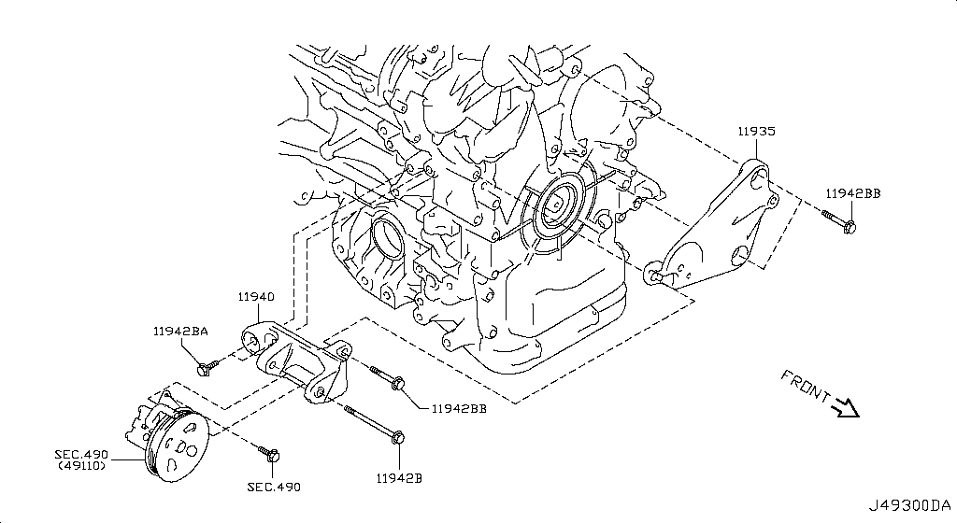
008 - Piston,Crankshaft & Flywheel | 40 matched part(s)
App. model: Applies: VR38DETT; Specification: STD GRADE 7, Applies: VR38DETT; Specification: STD GRADE 0, Applies: VR38DETT; Specification: STD GRADE 01 • [08.2017 - ... ... 11.2013 - 11.2014]
 | OEM | Description | Applies / Details | Period | Notes | Match
 | 12207-JF07A | BEARING ALL SIZES | Applies: VR38DETT; Specification: STD GRADE 7 | 08.2017 - ... |  | bearing
 | 12207-JF00A | BEARING ALL SIZES | Applies: VR38DETT; Specification: STD GRADE 0 | 08.2017 - ... |  | bearing
 | 12207-JF00B | BEARING ALL SIZES | Applies: VR38DETT; Specification: STD GRADE 01 | 08.2017 - ... |  | bearing
 | 12207-JF01A | BEARING ALL SIZES | Applies: VR38DETT; Specification: STD GRADE 1 | 08.2017 - ... |  | bearing
 | 12207-JF01B | BEARING ALL SIZES | Applies: VR38DETT; Specification: STD GRADE 12 | 08.2017 - ... |  | bearing
 | 12207-JF02A | BEARING ALL SIZES | Applies: VR38DETT; Specification: STD GRADE 2 | 08.2017 - ... |  | bearing
 | 12207-JF02B | BEARING ALL SIZES | Applies: VR38DETT; Specification: STD GRADE 23 | 08.2017 - ... |  | bearing
 | 12207-JF03A | BEARING ALL SIZES | Applies: VR38DETT; Specification: STD GRADE 3 | 08.2017 - ... |  | bearing
 | 12207-JF03B | BEARING ALL SIZES | Applies: VR38DETT; Specification: STD GRADE 34 | 08.2017 - ... |  | bearing
 | 12207-JF04A | BEARING ALL SIZES | Applies: VR38DETT; Specification: STD GRADE 4 | 08.2017 - ... |  | bearing
 | 12207-JF04B | BEARING ALL SIZES | Applies: VR38DETT; Specification: STD GRADE 45 | 08.2017 - ... |  | bearing
 | 12207-JF05A | BEARING ALL SIZES | Applies: VR38DETT; Specification: STD GRADE 5 | 08.2017 - ... |  | bearing
 | 12207-JF05B | BEARING ALL SIZES | Applies: VR38DETT; Specification: STD GRADE 56 | 08.2017 - ... |  | bearing
 | 12207-JF06A | BEARING ALL SIZES | Applies: VR38DETT; Specification: STD GRADE 6 | 08.2017 - ... |  | bearing
 | 12207-JF06B | BEARING ALL SIZES | Applies: VR38DETT; Specification: STD GRADE 67 | 08.2017 - ... |  | bearing
 | 12109-JF00A | Bolt Conn Rod | VR38DETT | 08.2017 - ... |  | bolt
 | 12315-JF70A | Bolt Fly Wheel | VR38DETT | 08.2017 - ... |  | bolt
 | A2208-JF00A | Bushing Set | VR38DETT | 08.2017 - ... |  | bushing
 | 12117-JF00A | connecting rod bush | Applies: VR38DETT; Specification: US=0.25 | 08.2017
 | 12111-JF00A | connecting rod bush | Applies: VR38DETT; Specification: STD=0 | 08.2017
 | 12111-JF01A | connecting rod bush | Applies: VR38DETT; Specification: STD=1 | 08.2017
 | 12111-JF02A | connecting rod bush | Applies: VR38DETT; Specification: STD=2 | 08.2017
 | 12111-JF03A | connecting rod bush | Applies: VR38DETT; Specification: STD=3 | 08.2017
 | 12111-JF04A | connecting rod bush | Applies: VR38DETT; Specification: STD=4 | 08.2017
 | 12201-JF00A | Crankshaft Assy | VR38DETT | 08.2017 - ... |  | shaft
 | 11022-AD200 | Dowel-Camshaft | VR38DETT | 08.2017 - ... |  | shaft
 | 12313-4W000 | Dowel-Pin | VR38DETT | 08.2017 - ...
 | 12310-JF01A | Flywheel Assy | VR38DETT | 08.2017 - ...
 | 13021-JF00A | GEAR CRANK | VR38DETT | 08.2017 - ... |  | gear
 | 00926-51600 | KEY FOR CRANK | VR38DETT | 11.2013 - 11.2014 |  | key
 | A2010-JF00A | Piston | VR38DETT | 08.2017 - ... |  | piston
 | A2010-JF01A | Piston | VR38DETT | 08.2017 - ... |  | piston
 | A2010-JF02A | Piston With Pin | VR38DETT | 08.2017 - ... |  | piston
 | 12309-JF00A | PULLEY BOLT for crankshaft | VR38DETT | 08.2017 - ... |  | bolt, shaft
 | 12303-JF00A | Pully-Crank | VR38DETT | 08.2017 - ...
 | 12033-JF00B | Ring Set Piston | VR38DETT | 08.2017 - ... |  | piston
 | 39708-CG000 | Ring-Snap
 | 12032-03J00 | Ring Snap | VR38DETT | 08.2017 - ...
 | 12100-JF00B | Rod Comp-Con | VR38DETT | 08.2017 - ...
 | 12280-JK20A | WASHER FOR BEARINGS | VR38DETT | 08.2017 - ... |  | bearing, washer

009 - Camshaft & Valve Mechanism | 212 matched part(s)
App. model: C.(TRACK+NISMO), VR38DETT.(TRACK+BLACK+PREMIUM+NISMO), VR38DETT • [04.2016 - 07.2016 ... 09.2018 - ...]
 | OEM | Description | Applies / Details | Period | Notes | Match
 | 11298-4M411 | Bolt |  |  |  | bolt
 | 11298-AG001 | Bolt |  |  |  | bolt
 | 11298-4M406 | Bolt |  |  |  | bolt
 | 11298-2J212 | Bolt |  |  |  | bolt
 | 08158-62528 | Bolt |  |  |  | bolt
 | 08158-62533 | Bolt |  |  |  | bolt
 | 08158-6205N | Bolt |  |  |  | bolt
 | 081A8-6251A | Bolt |  |  |  | bolt
 | 081A1-0451A | Bolt |  |  |  | bolt
 | 55479-4P00A | Bolt |  |  |  | bolt
 | 54459-8J00A | Bolt |  |  |  | bolt
 | 55226-AQ50A | Bolt |  |  |  | bolt
 | 55226-JA01C | Bolt |  |  |  | bolt
 | 081B6-8901A | Bolt |  |  |  | bolt
 | 01125-00931 | Bolt |  |  |  | bolt
 | 081B6-8205M | Bolt |  |  |  | bolt
 | 01121-N6141 | Bolt |  |  |  | bolt
 | 62297-1BA0A | Bolt |  |  |  | bolt
 | 87850-8990A | Bolt | C.(TRACK+NISMO) | 04.2016 - 07.2016 |  | bolt
 | 20606-6AV0B | Bolt | VR38DETT.(TRACK+BLACK+PREMIUM+NISMO) | 07.2016 - 08.2017 |  | bolt
 | 10004-4W00C | Bolt | VR38DETT | 08.2017 - ... |  | bolt
 | 01125-E6041 | Bolt | VR38DETT | 08.2017 - ... |  | bolt
 | 13224-AD22B | Bolt | VR38DETT | 08.2017 - ... |  | bolt
 | 11298-JF00A | Bolt | VR38DETT | 08.2017 - ... |  | bolt
 | 14069-JD70A | Bolt | VR38DETT | 08.2017 - ... |  | bolt
 | 11916-JF00A | Bolt | VR38DETT | 08.2017 - ... |  | bolt
 | 11916-JF01A | Bolt | VR38DETT | 08.2017 - ... |  | bolt
 | 25628-3H00A | Bolt | C | 08.2017 - ... |  | bolt
 | 11916-JF00D | Bolt | VR38DETT | 08.2017 - ... |  | bolt
 | 31377-JF00C | Bolt | GR6 | 08.2017 - ... |  | bolt
 | 31377-JF00E | Bolt | GR6 | 08.2017 - ... |  | bolt
 | 11298-4M418 | Bolt | VR38DETT | 08.2017 - ... |  | bolt
 | 40178-EG06C | Bolt | VR38DETT | 08.2017 - ... |  | bolt
 | 55222-0M00B | Bolt | VR38DETT | 08.2017 - ... |  | bolt
 | 48935-5V10A | Bolt | VR38DETT | 08.2017 - ... |  | bolt
 | 48935-4P00A | Bolt | VR38DETT | 08.2017 - ... |  | bolt
 | 48935-JF00B | Bolt | VR38DETT | 08.2017 - ... |  | bolt
 | 49164-1AA0A | Bolt | VR38DETT | 08.2017 - ... |  | bolt
 | 49738-1BA0A | Bolt | VR38DETT | 08.2017 - ... |  | bolt
 | 49738-JF00A | Bolt | VR38DETT | 08.2017 - ... |  | bolt
 | 49738-4W00A | Bolt | VR38DETT | 08.2017 - ... |  | bolt
 | 62297-JF01B | Bolt | C | 08.2017 - ... |  | bolt
 | 62297-JF00A | Bolt | C | 08.2017 - ... |  | bolt
 | 62297-KB51A | Bolt | C | 08.2017 - ... |  | bolt
 | 62297-JF00C | Bolt | C | 08.2017 - ... |  | bolt
 | 01125-03491 | Bolt | C | 08.2017 - ... |  | bolt
 | 01125-03421 | Bolt | C | 08.2017 - ... |  | bolt
 | 673N8-JF00A | Bolt | C | 08.2017 - ... |  | bolt
 | 14069-CA01A | Bolt | C | 08.2017 - ... |  | bolt
 | 80498-CE40A | Bolt | C | 08.2017 - ... |  | bolt
 | 11298-4M417 | Bolt | C | 08.2017 - ... |  | bolt
 | 01121-07251 | Bolt | C | 08.2017 - ... |  | bolt
 | 01125-N6011 | Bolt | C | 08.2017 - ... |  | bolt
 | 98589-JN00A | Bolt | C | 08.2017 - ... |  | bolt
 | 01125-N6121 | Bolt | C | 08.2017 - ... |  | bolt
 | 20606-6AV0A | Bolt | VR38DETT.(TRACK+PREMIUM+NISMO) | 08.2017 - ... |  | bolt
 | 20606-6AV0C | Bolt | VR38DETT.(TRACK+PREMIUM+NISMO) | 08.2017 - ... |  | bolt
 | 87185-5UH0A | Bolt | C | 08.2017 - ... |  | bolt
 | 87615-4V70A | Bolt | C | 08.2017 - ... |  | bolt
 | 54459-JF01A | Bolt | VR38DETT | 08.2017 - ... |  | bolt
 | 44005-JF00A | Bolt | VR38DETT | 08.2017 - ... |  | bolt
 | 081A8-6121A | Bolt | VR38DETT | 11.2007 - 12.2009 |  | bolt
 | 54459-0M00E | Bolt | *VR38DETT.(PURE+NISMO) SpecCode: [MFLR3] TITAN MFLR | 11.2013 - 11.2014 |  | bolt
 | 081A8-6201A | Bolt | VR38DETT | 11.2013 - 11.2014 |  | bolt
 | 081A8-8251A | Bolt | VR38DETT | 11.2013 - 11.2014 |  | bolt
 | 16122-JF00A | Bolt | VR38DETT | 11.2013 - 11.2014 |  | bolt
 | 081A0-6165M | Bolt | VR38DETT | 11.2013 - 11.2014 |  | bolt
 | 08120-61228 | Bolt | VR38DETT | 11.2013 - 11.2014 |  | bolt
 | 081B0-8605M | Bolt | VR38DETT | 11.2013 - 11.2014 |  | bolt
 | 081B1-0401A | Bolt | VR38DETT | 11.2013 - 11.2014 |  | bolt
 | 081B6-8705M | Bolt | VR38DETT | 11.2013 - 11.2014 |  | bolt
 | 01454-N5041 | Bolt | C.(PURE+BLACK+PREMIUM) | 11.2013 - 11.2014 |  | bolt
 | 20606-JF60B | Bolt | *VR38DETT.(PURE+NISMO) SpecCode: [MFLR3] TITAN MFLR | 11.2013 - 11.2014 |  | bolt
 | 08158-8251F | Bolt | VR38DETT | 11.2013 - 11.2014 |  | bolt
 | 08158-8301F | Bolt | VR38DETT | 11.2013 - 11.2014 |  | bolt
 | 01225-N6011 | Bolt | *C.PURE SpecCode: [SPKRB] BOSE AUDIO | 11.2013 - 12.2013 |  | bolt
 | 16122-5Y70A | Bolt | VR38DETT.NISMO | 11.2014 - 04.2016 |  | bolt
 | 13012-JF00A | Bolt Cam Gear | VR38DETT | 08.2017 - ... |  | bolt, gear
 | 13012-6N210 | Bolt Cam Gear | VR38DETT | 08.2017 - ... |  | bolt, gear
 | 081B0-8251A | Bolt-Hex |  |  |  | bolt
 | 081B6-6125M | Bolt-Hex |  |  |  | bolt
 | 081B6-6165M | Bolt-Hex |  |  |  | bolt
 | 081B8-6201A | Bolt-Hex |  |  |  | bolt
 | 081B0-6401A | Bolt-Hex |  |  |  | bolt
 | 081B8-6122A | Bolt-Hex |  |  |  | bolt
 | 08156-6165N | Bolt-Hex |  |  |  | bolt
 | 08120-8302A | Bolt-Hex |  |  |  | bolt
 | 08146-6125G | Bolt-Hex |  |  |  | bolt
 | 08156-61228 | Bolt-Hex |  |  |  | bolt
 | 081A4-0301A | Bolt-Hex |  |  |  | bolt
 | 08147-0162G | Bolt-Hex |  |  |  | bolt
 | 08146-6352G | Bolt-Hex |  |  |  | bolt
 | 08120-8162E | Bolt-Hex |  |  |  | bolt
 | 08156-63033 | Bolt-Hex |  |  |  | bolt
 | 08146-6255H | Bolt-Hex |  |  |  | bolt
 | 01121-04761 | Bolt-Hex | C | 08.2017 - ... |  | bolt
 | 80498-40U0B | Bolt Hex | C | 08.2017 - ... |  | bolt
 | 08146-6122G | Bolt-Hex | C | 11.2007 - 11.2010 |  | bolt
 | 08120-61633 | Bolt-Hex | VR38DETT | 11.2007 - 11.2010 |  | bolt
 | 08146-8162G | Bolt-Hex | C | 11.2007 - 11.2010 |  | bolt
 | 08146-6165G | Bolt-Hex | C | 11.2007 - 11.2010 |  | bolt
 | 08120-64028 | Bolt-Hex | VR38DETT | 11.2013 - 11.2014 |  | bolt
 | 081B0-8401A | Bolt-Hex | VR38DETT | 11.2013 - 11.2014 |  | bolt
 | 081B0-6161A | Bolt-Hex | VR38DETT | 11.2013 - 11.2014 |  | bolt
 | 081B0-6255M | Bolt-Hex | VR38DETT | 11.2013 - 11.2014 |  | bolt
 | 081B0-6201A | Bolt-Hex | VR38DETT | 11.2013 - 11.2014 |  | bolt
 | 081B0-8405M | Bolt-Hex | VR38DETT | 11.2013 - 11.2014 |  | bolt
 | 081B0-8305M | Bolt-Hex | VR38DETT | 11.2013 - 11.2014 |  | bolt
 | 081A0-6121A | Bolt-Hex | VR38DETT | 11.2013 - 11.2014 |  | bolt
 | 081B0-6301A | Bolt-Hex | VR38DETT | 11.2013 - 11.2014 |  | bolt
 | 081B0-6501A | Bolt-Hex | VR38DETT | 11.2013 - 11.2014 |  | bolt
 | 08146-8202G | Bolt-Hex | VR38DETT | 11.2013 - 11.2014 |  | bolt
 | 08146-8252G | Bolt-Hex | VR38DETT | 11.2013 - 11.2014 |  | bolt
 | 08156-61633 | Bolt-Hex | VR38DETT | 11.2013 - 11.2014 |  | bolt
 | 08146-6162G | Bolt-Hex | VR38DETT | 11.2013 - 11.2014 |  | bolt
 | 08146-6205H | Bolt-Hex | VR38DETT | 11.2013 - 11.2014 |  | bolt
 | 08146-6305H | Bolt-Hex | VR38DETT | 11.2013 - 11.2014 |  | bolt
 | 08146-6202H | Bolt-Hex | C | 11.2013 - 11.2014 |  | bolt
 | 08146-6162H | Bolt-Hex | C | 11.2013 - 11.2014 |  | bolt
 | 08146-6165H | Bolt-Hex | C | 11.2013 - 11.2014 |  | bolt
 | 08156-6125M | Bolt-Hex | GR6 | 11.2013 - 11.2014 |  | bolt
 | 08146-8161G | Bolt-Hex | VR38DETT | 11.2013 - 11.2014 |  | bolt
 | 08146-6252G | Bolt-Hex | C | 11.2013 - 11.2014 |  | bolt
 | 08120-8201E | Bolt-Hex | VR38DETT | 11.2013 - 11.2014 |  | bolt
 | 08120-8501E | Bolt-Hex | VR38DETT | 11.2013 - 11.2014 |  | bolt
 | 08146-6125H | Bolt-Hex | C | 11.2013 - 11.2014 |  | bolt
 | 08146-6255G | Bolt-Hex | VR38DETT | 11.2013 - 11.2014 |  | bolt
 | 08146-6122H | Bolt-Hex | C | 11.2013 - 11.2014 |  | bolt
 | 081A7-0201A | Bolt-Hex | C | 11.2013 - 11.2014 |  | bolt
 | 08146-8122G | Bolt-Hex | C | 11.2014 - 04.2016 |  | bolt
 | 13012-EN20A | Bolt-Sprocket,C | VR38DETT | 08.2017 - ... |  | bolt
 | 13094-31U00 | Bolt-Tensioner | VR38DETT | 08.2017 - ... |  | bolt
 | 13075-4W00A | Bolt-Tentioner | VR38DETT | 08.2017 - ... |  | bolt
 | 13075-4W01A | Bolt-Tentioner | VR38DETT | 08.2017 - ... |  | bolt
 | 13020-JF00A | Camshaft Assy | VR38DETT | 08.2017 - ... |  | shaft
 | 13020-JF00B | Camshaft Assy | VR38DETT | 08.2017 - ... |  | shaft
 | 13020-JF00C | Camshaft Assy | VR38DETT | 08.2017 - ... |  | shaft
 | 13020-JF00D | Camshaft Assy | VR38DETT | 08.2017 - ... |  | shaft
 | 15041-JF00A | Chain-Balbancer | VR38DETT | 08.2017 - ... |  | chain
 | 13028-JF00A | Chain Cam Shaft | VR38DETT | 08.2017 - ... |  | chain, shaft
 | 13028-JK20B | Chain Cam Shaft | VR38DETT | 08.2017 - ... |  | chain, shaft
 | 13210-53Y00 | Collet-Valve | VR38DETT | 08.2017 - ... |  | valve
 | 13040-JF02B | Cover assembly-cam sprocket,vtc | VR38DETT.NISMO | 06.2014 - 11.2014 |  | cover
 | 13040-JF06A | Cover assembly-cam sprocket,vtc | VR38DETT | 08.2017 - ... |  | cover
 | 13040-JF05B | Cover assembly-cam sprocket,vtc | VR38DETT | 08.2017 - ... |  | cover
 | 13040-JF03A | Cover assembly-cam sprocket,vtc | VR38DETT | 11.2013 - 11.2014 |  | cover
 | 13040-JF05A | Cover assembly-cam sprocket,vtc | VR38DETT | 11.2014 - 08.2015 |  | cover
 | 13040-JF04B | Cover assembly-cam sprocket,vtc | VR38DETT | 11.2014 - 08.2015 |  | cover
 | 12313-53F00 | Dowel Cam Gear | VR38DETT | 08.2017 - ... |  | gear
 | 23797-9N00B | Gasket-solenoid | VR38DETT.NISMO | 06.2014 - 11.2014 |  | gasket
 | 23797-JF00A | Gasket, solenoid | VR38DETT | 08.2017 - ... |  | gasket
 | 13024-AL50A | Gear Camshaft | VR38DETT | 08.2017 - ... |  | gear, shaft
 | 13085-JF00A | Guide Chain | VR38DETT | 08.2017 - ... |  | chain
 | 13085-EY00A | Guide Chain | VR38DETT | 08.2017 - ... |  | chain
 | 13091-JK20A | Guide-Chain Sla | VR38DETT | 08.2017 - ... |  | chain
 | 13231-EY05B | Lifter-Valve | VR38DETT | 08.2017 - ... |  | valve
 | 13231-EY00A | Lifter, valve | VR38DETT | 08.2017 - ... |  | valve
 | 13231-EY00B | Lifter, valve | VR38DETT | 08.2017 - ... |  | valve
 | 13231-EY00C | Lifter, valve | VR38DETT | 08.2017 - ... |  | valve
 | 13231-EY00D | Lifter, valve | VR38DETT | 08.2017 - ... |  | valve
 | 13231-EY00E | Lifter, valve | VR38DETT | 08.2017 - ... |  | valve
 | 13231-EY01A | Lifter, valve | VR38DETT | 08.2017 - ... |  | valve
 | 13231-EY01B | Lifter, valve | VR38DETT | 08.2017 - ... |  | valve
 | 13231-EY01C | Lifter, valve | VR38DETT | 08.2017 - ... |  | valve
 | 13231-EY01D | Lifter, valve | VR38DETT | 08.2017 - ... |  | valve
 | 13231-EY01E | Lifter, valve | VR38DETT | 08.2017 - ... |  | valve
 | 13231-EY02A | Lifter, valve | VR38DETT | 08.2017 - ... |  | valve
 | 13231-EY02B | Lifter, valve | VR38DETT | 08.2017 - ... |  | valve
 | 13231-EY02C | Lifter, valve | VR38DETT | 08.2017 - ... |  | valve
 | 13231-EY02D | Lifter, valve | VR38DETT | 08.2017 - ... |  | valve
 | 13231-EY02E | Lifter, valve | VR38DETT | 08.2017 - ... |  | valve
 | 13231-EY03A | Lifter, valve | VR38DETT | 08.2017 - ... |  | valve
 | 13231-EY03B | Lifter, valve | VR38DETT | 08.2017 - ... |  | valve
 | 13231-EY03C | Lifter, valve | VR38DETT | 08.2017 - ... |  | valve
 | 13231-EY03D | Lifter, valve | VR38DETT | 08.2017 - ... |  | valve
 | 13231-EY03E | Lifter, valve | VR38DETT | 08.2017 - ... |  | valve
 | 13231-EY04A | Lifter, valve | VR38DETT | 08.2017 - ... |  | valve
 | 13231-EY04B | Lifter, valve | VR38DETT | 08.2017 - ... |  | valve
 | 13231-EY04C | Lifter, valve | VR38DETT | 08.2017 - ... |  | valve
 | 13231-EY04D | Lifter, valve | VR38DETT | 08.2017 - ... |  | valve
 | 13231-EY04E | Lifter, valve | VR38DETT | 08.2017 - ... |  | valve
 | 13231-EY05A | Lifter, valve | VR38DETT | 08.2017 - ... |  | valve
 | 08918-3061A | Nut-Flange,Hex | VR38DETT | 11.2007 - 11.2010 |  | nut
 | 08918-3062A | Nut-Flange,Hex | C | 11.2007 - 11.2010 |  | nut
 | 08918-3401A | Nut-Flange,Hex | VR38DETT | 11.2013 - 11.2014 |  | nut
 | 08918-3081A | Nut-Flange,Hex | VR38DETT | 11.2013 - 11.2014 |  | nut
 | 08918-3082A | Nut-Flange,Hex | VR38DETT | 11.2013 - 11.2014 |  | nut
 | 13064-JA11A | Plate-Signal,Ca | VR38DETT | 08.2017 - ...
 | 13064-JA10A | Plate, signal camshaft | VR38DETT | 11.2013 - 11.2014 |  | shaft
 | 13209-AC700 | Retainer-Valve | VR38DETT | 08.2017 - ... |  | valve
 | 13042-3HD0A | Seal-oil,camshaft | VR38DETT | 08.2017 - ... |  | seal, shaft
 | 13207-D4201 | Seal-Valve Stem | VR38DETT | 08.2017 - ... |  | seal, valve
 | 13205-53Y00 | Seat Valve Spr | VR38DETT | 08.2017 - ... |  | seat, valve
 | 23796-JK22B | Solenoid valve assembly-valve timing control | VR38DETT | 11.2014 - 08.2015 |  | valve
 | 23796-ZE01C | Solenoid valve assembly-valve timing control | VR38DETT | 11.2014 - 08.2015 |  | valve
 | 23796-JK24B | SOLENOID VALVE ASSY-VALVE TIMING CONTROL | Applies: VR38DETT; Specification: RH | 04.2016 - 08.2017 |  | valve
 | 23796-AU00D | SOLENOID VALVE ASSY-VALVE TIMING CONTROL | VR38DETT | 08.2017 - ... |  | valve
 | 13203-JF00A | Spring Valve | VR38DETT | 08.2017 - ... |  | spring, valve
 | 13203-JF00C | Spring-Valve | VR38DETT | 08.2017 - ... |  | spring, valve
 | 13025-JK21A | Sprocket-Camsha | VR38DETT | 08.2017 - ...
 | 15043-JF00A | Sprocket-Oil Pu | VR38DETT | 08.2017 - ...
 | 13070-EY00A | Tension Chain | VR38DETT | 08.2017 - ... |  | chain
 | 13070-JF00A | Tension Chain | VR38DETT | 08.2017 - ... |  | chain
 | 13070-JK21B | Tensioner Assy- | VR38DETT | 08.2017 - ...
 | 11955-1EA0D | Tensioner Assy | VR38DETT | 08.2017 - ...
 | 13070-JK21C | Tensioner Assy- | VR38DETT | 08.2017 - ...
 | 23796-JK20B | V.t.c solenoid | VR38DETT | 11.2013 - 11.2014
 | 23796-ZE00C | V.t.c solenoid | VR38DETT | 11.2013 - 11.2014
 | 13202-JF00C | Valve-exhaust | VR38DETT | 08.2017 - 09.2018 |  | valve
 | 13202-JF00D | Valve-Exhaust | VR38DETT | 09.2018 - ... |  | valve
 | 13202-JF00B | Valve-exhaust | VR38DETT | 11.2013 - 11.2014 |  | valve
 | 13201-JF00A | Valve-Intake | VR38DETT | 08.2017 - ... |  | valve

010 - Front Cover,Vacuum Pump & Fitting | 78 matched part(s)
App. model: VR38DETT, C.(PURE+BLACK+PREMIUM), C • [11.2013 - 11.2014 ... 04.2016 - 07.2016]
 | OEM | Description | Applies / Details | Period | Notes | Match
 | 081A0-8201A | Bolt-Flange |  |  |  | bolt
 | 081A6-8121A | Bolt-Flange |  |  |  | bolt
 | 081B1-0801A | Bolt-Flange | VR38DETT | 11.2013 - 11.2014 |  | bolt
 | 081B1-0905M | Bolt-Flange | VR38DETT | 11.2013 - 11.2014 |  | bolt
 | 081A6-8161A | Bolt-Flange | VR38DETT | 11.2013 - 11.2014 |  | bolt
 | 081A6-8902A | Bolt-Flange | C.(PURE+BLACK+PREMIUM) | 11.2013 - 11.2014 |  | bolt
 | 081A6-8162A | Bolt-Flange | C | 11.2013 - 11.2014 |  | bolt
 | 081B0-8251A | Bolt-Hex |  |  |  | bolt
 | 081B6-6125M | Bolt-Hex |  |  |  | bolt
 | 081B6-6165M | Bolt-Hex |  |  |  | bolt
 | 081B8-6201A | Bolt-Hex |  |  |  | bolt
 | 081B0-6401A | Bolt-Hex |  |  |  | bolt
 | 081B8-6122A | Bolt-Hex |  |  |  | bolt
 | 08156-6165N | Bolt-Hex |  |  |  | bolt
 | 08120-8302A | Bolt-Hex |  |  |  | bolt
 | 08146-6125G | Bolt-Hex |  |  |  | bolt
 | 08156-61228 | Bolt-Hex |  |  |  | bolt
 | 081A4-0301A | Bolt-Hex |  |  |  | bolt
 | 08147-0162G | Bolt-Hex |  |  |  | bolt
 | 08146-6352G | Bolt-Hex |  |  |  | bolt
 | 08120-8162E | Bolt-Hex |  |  |  | bolt
 | 08156-63033 | Bolt-Hex |  |  |  | bolt
 | 08146-6255H | Bolt-Hex |  |  |  | bolt
 | 01121-04761 | Bolt-Hex | C | 08.2017 - ... |  | bolt
 | 80498-40U0B | Bolt Hex | C | 08.2017 - ... |  | bolt
 | 08146-6122G | Bolt-Hex | C | 11.2007 - 11.2010 |  | bolt
 | 08120-61633 | Bolt-Hex | VR38DETT | 11.2007 - 11.2010 |  | bolt
 | 08146-8162G | Bolt-Hex | C | 11.2007 - 11.2010 |  | bolt
 | 08146-6165G | Bolt-Hex | C | 11.2007 - 11.2010 |  | bolt
 | 081B0-6161A | Bolt-Hex | VR38DETT | 11.2013 - 11.2014 |  | bolt
 | 081B0-8401A | Bolt-Hex | VR38DETT | 11.2013 - 11.2014 |  | bolt
 | 08120-64028 | Bolt-Hex | VR38DETT | 11.2013 - 11.2014 |  | bolt
 | 081B0-6255M | Bolt-Hex | VR38DETT | 11.2013 - 11.2014 |  | bolt
 | 081B0-6201A | Bolt-Hex | VR38DETT | 11.2013 - 11.2014 |  | bolt
 | 081B0-8405M | Bolt-Hex | VR38DETT | 11.2013 - 11.2014 |  | bolt
 | 081B0-8305M | Bolt-Hex | VR38DETT | 11.2013 - 11.2014 |  | bolt
 | 081A0-6121A | Bolt-Hex | VR38DETT | 11.2013 - 11.2014 |  | bolt
 | 081B0-6301A | Bolt-Hex | VR38DETT | 11.2013 - 11.2014 |  | bolt
 | 081B0-6501A | Bolt-Hex | VR38DETT | 11.2013 - 11.2014 |  | bolt
 | 08146-8202G | Bolt-Hex | VR38DETT | 11.2013 - 11.2014 |  | bolt
 | 08146-8252G | Bolt-Hex | VR38DETT | 11.2013 - 11.2014 |  | bolt
 | 08156-61633 | Bolt-Hex | VR38DETT | 11.2013 - 11.2014 |  | bolt
 | 08146-6162G | Bolt-Hex | VR38DETT | 11.2013 - 11.2014 |  | bolt
 | 08146-6205H | Bolt-Hex | VR38DETT | 11.2013 - 11.2014 |  | bolt
 | 08146-6305H | Bolt-Hex | VR38DETT | 11.2013 - 11.2014 |  | bolt
 | 08146-6202H | Bolt-Hex | C | 11.2013 - 11.2014 |  | bolt
 | 08146-6162H | Bolt-Hex | C | 11.2013 - 11.2014 |  | bolt
 | 08146-6165H | Bolt-Hex | C | 11.2013 - 11.2014 |  | bolt
 | 08156-6125M | Bolt-Hex | GR6 | 11.2013 - 11.2014 |  | bolt
 | 08146-8161G | Bolt-Hex | VR38DETT | 11.2013 - 11.2014 |  | bolt
 | 08146-6252G | Bolt-Hex | C | 11.2013 - 11.2014 |  | bolt
 | 08120-8201E | Bolt-Hex | VR38DETT | 11.2013 - 11.2014 |  | bolt
 | 08120-8501E | Bolt-Hex | VR38DETT | 11.2013 - 11.2014 |  | bolt
 | 08146-6125H | Bolt-Hex | C | 11.2013 - 11.2014 |  | bolt
 | 08146-6255G | Bolt-Hex | VR38DETT | 11.2013 - 11.2014 |  | bolt
 | 08146-6122H | Bolt-Hex | C | 11.2013 - 11.2014 |  | bolt
 | 081A7-0201A | Bolt-Hex | C | 11.2013 - 11.2014 |  | bolt
 | 08146-8122G | Bolt-Hex | C | 11.2014 - 04.2016 |  | bolt
 | 13500-JF01C | Cover Assy-Fron | VR38DETT | 10.2014 - 11.2014 |  | cover
 | 13500-80B0A | COVER ASSY-FRONT,TIMING CHAIN | VR38DETT | 08.2017 - ... | FRONT COVER ATTACH VVTI | chain, cover
 | 13500-JF00C | Cover assy-front,timing chain | VR38DETT | 11.2013 - 10.2014 |  | chain, cover
 | 11046-73402 | Dowel | VR38DETT | 08.2017 - ...
 | 11022-77A00 | Dowel | VR38DETT | 08.2017 - ...
 | 15200-AR000 | Filter Assy Oil | VR38DETT | 08.2017 - ...
 | 15208-31U0B | Filter Assy-Oil | VR38DETT | 08.2017 - ...
 | KA761-33000 | Fluid-Gasket | VR38DETT.(PURE+BLACK+PREMIUM+NISMO) | 04.2016 - 07.2016 |  | gasket
 | 13500-JF01A | FRONT COVER SECOND PART ON CAM | VR38DETT | 08.2017 - ... |  | cover
 | 13510-31U10 | FRONT CRANK SEAL | VR38DETT | 08.2017 - ... |  | seal
 | 11022-JF00A | Pin | VR38DETT | 08.2017 - ...
 | 11022-31U03 | Pin | VR38DETT | 08.2017 - ...
 | 41217-JF20A | Pin | VR38DETT | 08.2017 - ...
 | 15066-31U02 | Ring-O | VR38DETT | 08.2017 - ...
 | 15066-31U03 | Ring-O | VR38DETT | 08.2017 - ...
 | 15066-JA10A | Ring-O | VR38DETT | 08.2017 - ...
 | 21049-JK20A | Ring O | VR38DETT | 08.2017 - ...
 | 21049-JK20B | Ring O | VR38DETT | 08.2017 - ...
 | 21304-JF00A | Ring O | VR38DETT | 08.2017 - ...
 | 15066-JF00A | Ring-O | VR38DETT | 08.2017 - ...

011 - Manifold | 194 matched part(s)
App. model: C.(TRACK+NISMO), VR38DETT.(TRACK+BLACK+PREMIUM+NISMO), VR38DETT • [04.2016 - 07.2016 ... 11.2010 - 11.2011]
 | OEM | Description | Applies / Details | Period | Notes | Match
 | 11298-4M411 | Bolt |  |  |  | bolt
 | 11298-AG001 | Bolt |  |  |  | bolt
 | 11298-4M406 | Bolt |  |  |  | bolt
 | 11298-2J212 | Bolt |  |  |  | bolt
 | 08158-62528 | Bolt |  |  |  | bolt
 | 08158-62533 | Bolt |  |  |  | bolt
 | 08158-6205N | Bolt |  |  |  | bolt
 | 081A8-6251A | Bolt |  |  |  | bolt
 | 081A1-0451A | Bolt |  |  |  | bolt
 | 55479-4P00A | Bolt |  |  |  | bolt
 | 54459-8J00A | Bolt |  |  |  | bolt
 | 55226-AQ50A | Bolt |  |  |  | bolt
 | 55226-JA01C | Bolt |  |  |  | bolt
 | 081B6-8901A | Bolt |  |  |  | bolt
 | 01125-00931 | Bolt |  |  |  | bolt
 | 081B6-8205M | Bolt |  |  |  | bolt
 | 01121-N6141 | Bolt |  |  |  | bolt
 | 62297-1BA0A | Bolt |  |  |  | bolt
 | 87850-8990A | Bolt | C.(TRACK+NISMO) | 04.2016 - 07.2016 |  | bolt
 | 20606-6AV0B | Bolt | VR38DETT.(TRACK+BLACK+PREMIUM+NISMO) | 07.2016 - 08.2017 |  | bolt
 | 01125-E6041 | Bolt | VR38DETT | 08.2017 - ... |  | bolt
 | 13224-AD22B | Bolt | VR38DETT | 08.2017 - ... |  | bolt
 | 11298-JF00A | Bolt | VR38DETT | 08.2017 - ... |  | bolt
 | 10004-4W00C | Bolt | VR38DETT | 08.2017 - ... |  | bolt
 | 14069-JD70A | Bolt | VR38DETT | 08.2017 - ... |  | bolt
 | 11916-JF00A | Bolt | VR38DETT | 08.2017 - ... |  | bolt
 | 11916-JF01A | Bolt | VR38DETT | 08.2017 - ... |  | bolt
 | 25628-3H00A | Bolt | C | 08.2017 - ... |  | bolt
 | 11916-JF00D | Bolt | VR38DETT | 08.2017 - ... |  | bolt
 | 31377-JF00C | Bolt | GR6 | 08.2017 - ... |  | bolt
 | 31377-JF00E | Bolt | GR6 | 08.2017 - ... |  | bolt
 | 11298-4M418 | Bolt | VR38DETT | 08.2017 - ... |  | bolt
 | 40178-EG06C | Bolt | VR38DETT | 08.2017 - ... |  | bolt
 | 55222-0M00B | Bolt | VR38DETT | 08.2017 - ... |  | bolt
 | 48935-5V10A | Bolt | VR38DETT | 08.2017 - ... |  | bolt
 | 48935-4P00A | Bolt | VR38DETT | 08.2017 - ... |  | bolt
 | 48935-JF00B | Bolt | VR38DETT | 08.2017 - ... |  | bolt
 | 49164-1AA0A | Bolt | VR38DETT | 08.2017 - ... |  | bolt
 | 49738-1BA0A | Bolt | VR38DETT | 08.2017 - ... |  | bolt
 | 49738-JF00A | Bolt | VR38DETT | 08.2017 - ... |  | bolt
 | 49738-4W00A | Bolt | VR38DETT | 08.2017 - ... |  | bolt
 | 62297-JF01B | Bolt | C | 08.2017 - ... |  | bolt
 | 62297-JF00A | Bolt | C | 08.2017 - ... |  | bolt
 | 62297-KB51A | Bolt | C | 08.2017 - ... |  | bolt
 | 62297-JF00C | Bolt | C | 08.2017 - ... |  | bolt
 | 01125-03491 | Bolt | C | 08.2017 - ... |  | bolt
 | 01125-03421 | Bolt | C | 08.2017 - ... |  | bolt
 | 673N8-JF00A | Bolt | C | 08.2017 - ... |  | bolt
 | 14069-CA01A | Bolt | C | 08.2017 - ... |  | bolt
 | 80498-CE40A | Bolt | C | 08.2017 - ... |  | bolt
 | 11298-4M417 | Bolt | C | 08.2017 - ... |  | bolt
 | 01121-07251 | Bolt | C | 08.2017 - ... |  | bolt
 | 01125-N6011 | Bolt | C | 08.2017 - ... |  | bolt
 | 98589-JN00A | Bolt | C | 08.2017 - ... |  | bolt
 | 01125-N6121 | Bolt | C | 08.2017 - ... |  | bolt
 | 20606-6AV0A | Bolt | VR38DETT.(TRACK+PREMIUM+NISMO) | 08.2017 - ... |  | bolt
 | 20606-6AV0C | Bolt | VR38DETT.(TRACK+PREMIUM+NISMO) | 08.2017 - ... |  | bolt
 | 87185-5UH0A | Bolt | C | 08.2017 - ... |  | bolt
 | 87615-4V70A | Bolt | C | 08.2017 - ... |  | bolt
 | 54459-JF01A | Bolt | VR38DETT | 08.2017 - ... |  | bolt
 | 44005-JF00A | Bolt | VR38DETT | 08.2017 - ... |  | bolt
 | 081A8-6121A | Bolt | VR38DETT | 11.2007 - 12.2009 |  | bolt
 | 54459-0M00E | Bolt | *VR38DETT.(PURE+NISMO) SpecCode: [MFLR3] TITAN MFLR | 11.2013 - 11.2014 |  | bolt
 | 081A8-6201A | Bolt | VR38DETT | 11.2013 - 11.2014 |  | bolt
 | 081A8-8251A | Bolt | VR38DETT | 11.2013 - 11.2014 |  | bolt
 | 16122-JF00A | Bolt | VR38DETT | 11.2013 - 11.2014 |  | bolt
 | 081A0-6165M | Bolt | VR38DETT | 11.2013 - 11.2014 |  | bolt
 | 08120-61228 | Bolt | VR38DETT | 11.2013 - 11.2014 |  | bolt
 | 081B0-8605M | Bolt | VR38DETT | 11.2013 - 11.2014 |  | bolt
 | 081B1-0401A | Bolt | VR38DETT | 11.2013 - 11.2014 |  | bolt
 | 081B6-8705M | Bolt | VR38DETT | 11.2013 - 11.2014 |  | bolt
 | 01454-N5041 | Bolt | C.(PURE+BLACK+PREMIUM) | 11.2013 - 11.2014 |  | bolt
 | 20606-JF60B | Bolt | *VR38DETT.(PURE+NISMO) SpecCode: [MFLR3] TITAN MFLR | 11.2013 - 11.2014 |  | bolt
 | 08158-8251F | Bolt | VR38DETT | 11.2013 - 11.2014 |  | bolt
 | 08158-8301F | Bolt | VR38DETT | 11.2013 - 11.2014 |  | bolt
 | 01225-N6011 | Bolt | *C.PURE SpecCode: [SPKRB] BOSE AUDIO | 11.2013 - 12.2013 |  | bolt
 | 16122-5Y70A | Bolt | VR38DETT.NISMO | 11.2014 - 04.2016 |  | bolt
 | 081B0-8251A | Bolt-Hex |  |  |  | bolt
 | 081B6-6125M | Bolt-Hex |  |  |  | bolt
 | 081B6-6165M | Bolt-Hex |  |  |  | bolt
 | 081B8-6201A | Bolt-Hex |  |  |  | bolt
 | 081B0-6401A | Bolt-Hex |  |  |  | bolt
 | 081B8-6122A | Bolt-Hex |  |  |  | bolt
 | 08156-6165N | Bolt-Hex |  |  |  | bolt
 | 08120-8302A | Bolt-Hex |  |  |  | bolt
 | 08146-6125G | Bolt-Hex |  |  |  | bolt
 | 08156-61228 | Bolt-Hex |  |  |  | bolt
 | 081A4-0301A | Bolt-Hex |  |  |  | bolt
 | 08147-0162G | Bolt-Hex |  |  |  | bolt
 | 08146-6352G | Bolt-Hex |  |  |  | bolt
 | 08120-8162E | Bolt-Hex |  |  |  | bolt
 | 08156-63033 | Bolt-Hex |  |  |  | bolt
 | 08146-6255H | Bolt-Hex |  |  |  | bolt
 | 01121-04761 | Bolt-Hex | C | 08.2017 - ... |  | bolt
 | 80498-40U0B | Bolt Hex | C | 08.2017 - ... |  | bolt
 | 08146-6122G | Bolt-Hex | C | 11.2007 - 11.2010 |  | bolt
 | 08120-61633 | Bolt-Hex | VR38DETT | 11.2007 - 11.2010 |  | bolt
 | 08146-8162G | Bolt-Hex | C | 11.2007 - 11.2010 |  | bolt
 | 08146-6165G | Bolt-Hex | C | 11.2007 - 11.2010 |  | bolt
 | 081B0-6255M | Bolt-Hex | VR38DETT | 11.2013 - 11.2014 |  | bolt
 | 081B0-8401A | Bolt-Hex | VR38DETT | 11.2013 - 11.2014 |  | bolt
 | 08120-64028 | Bolt-Hex | VR38DETT | 11.2013 - 11.2014 |  | bolt
 | 081B0-6161A | Bolt-Hex | VR38DETT | 11.2013 - 11.2014 |  | bolt
 | 081B0-6201A | Bolt-Hex | VR38DETT | 11.2013 - 11.2014 |  | bolt
 | 081B0-8405M | Bolt-Hex | VR38DETT | 11.2013 - 11.2014 |  | bolt
 | 081B0-8305M | Bolt-Hex | VR38DETT | 11.2013 - 11.2014 |  | bolt
 | 081A0-6121A | Bolt-Hex | VR38DETT | 11.2013 - 11.2014 |  | bolt
 | 081B0-6301A | Bolt-Hex | VR38DETT | 11.2013 - 11.2014 |  | bolt
 | 081B0-6501A | Bolt-Hex | VR38DETT | 11.2013 - 11.2014 |  | bolt
 | 08146-8202G | Bolt-Hex | VR38DETT | 11.2013 - 11.2014 |  | bolt
 | 08146-8252G | Bolt-Hex | VR38DETT | 11.2013 - 11.2014 |  | bolt
 | 08156-61633 | Bolt-Hex | VR38DETT | 11.2013 - 11.2014 |  | bolt
 | 08146-6162G | Bolt-Hex | VR38DETT | 11.2013 - 11.2014 |  | bolt
 | 08146-6205H | Bolt-Hex | VR38DETT | 11.2013 - 11.2014 |  | bolt
 | 08146-6305H | Bolt-Hex | VR38DETT | 11.2013 - 11.2014 |  | bolt
 | 08146-6202H | Bolt-Hex | C | 11.2013 - 11.2014 |  | bolt
 | 08146-6162H | Bolt-Hex | C | 11.2013 - 11.2014 |  | bolt
 | 08146-6165H | Bolt-Hex | C | 11.2013 - 11.2014 |  | bolt
 | 08156-6125M | Bolt-Hex | GR6 | 11.2013 - 11.2014 |  | bolt
 | 08146-8161G | Bolt-Hex | VR38DETT | 11.2013 - 11.2014 |  | bolt
 | 08146-6252G | Bolt-Hex | C | 11.2013 - 11.2014 |  | bolt
 | 08120-8201E | Bolt-Hex | VR38DETT | 11.2013 - 11.2014 |  | bolt
 | 08120-8501E | Bolt-Hex | VR38DETT | 11.2013 - 11.2014 |  | bolt
 | 08146-6125H | Bolt-Hex | C | 11.2013 - 11.2014 |  | bolt
 | 08146-6255G | Bolt-Hex | VR38DETT | 11.2013 - 11.2014 |  | bolt
 | 08146-6122H | Bolt-Hex | C | 11.2013 - 11.2014 |  | bolt
 | 081A7-0201A | Bolt-Hex | C | 11.2013 - 11.2014 |  | bolt
 | 08146-8122G | Bolt-Hex | C | 11.2014 - 04.2016 |  | bolt
 | 14069-JD00A | Bolt-Hex Flange | VR38DETT | 08.2017 - ... |  | bolt
 | 14010-JF00C | Collector-Int M | VR38DETT | 08.2017 - ...
 | 14010-JF00A | Collector, intake manifold | VR38DETT.(GTR+BLACK+PREMIUM) | 11.2007 - 12.2008
 | 14010-JF00B | Collector-intake manifold | VR38DETT | 11.2013 - 10.2014
 | 14042-JF00A | ????, connector | VR38DETT | 08.2017 - ... |  | connector
 | 18792-5U300 | Connector | VR38DETT | 08.2017 - ... |  | connector
 | 92417-0W811 | Connector | C | 08.2017 - ... |  | connector
 | 16590-JF00A | Cover, exhaust manifold | VR38DETT | 08.2017 - ... |  | cover
 | 16590-JF01A | Cover, exhaust manifold | VR38DETT | 08.2017 - ... |  | cover
 | 14032-JF00A | Gasket-Adapter | VR38DETT | 08.2017 - ... |  | gasket
 | 14036-JF04A | Gasket, exhaust manifold a; Gasket-exhaust manifold | VR38DETT | 08.2017 - ... |  | gasket
 | 14036-JF00A | Gasket, exhaust manifold a; Gasket-exhaust manifold | VR38DETT | 11.2007 - 11.2008 | right & left | gasket
 | 14035-JF00A | Gasket-Manifold | VR38DETT | 08.2017 - ... |  | gasket
 | 14033-JF00A | Gasket, manifold upper | VR38DETT | 08.2017 - ... |  | gasket
 | 46366-EG010 | Grommet
 | 46366-EG020 | Grommet
 | 88796-6P000 | Grommet
 | 17240-AN000 | Grommet | VR38DETT | 08.2017 - ...
 | 27289-EG000 | Grommet | C | 08.2017 - ...
 | 46366-JF00A | Grommet | C | 08.2017 - ...
 | 46366-JF01A | Grommet | C | 08.2017 - ...
 | 64890-U7400 | Grommet | C | 08.2017 - ...
 | 85099-JF30A | Grommet | C | 08.2017 - ...
 | 01658-00441 | Grommet | C | 08.2017 - ...
 | 06212-1200P | Grommet | C | 08.2017 - ...
 | 16557-EH000 | Grommet | VR38DETT.NISMO | 11.2014 - 04.2016
 | 16175-ET80A | K Gskt-Throt Ch | VR38DETT | 08.2017 - ...
 | 14003-JF00B | Manifold-Intake | VR38DETT | 08.2017 - ...
 | 14003-JF00A | Manifold, intake | VR38DETT | 11.2007 - 11.2010
 | 01225-00931 | Nut |  |  |  | nut
 | 01225-00901 | Nut |  |  |  | nut
 | 01221-00391 | Nut |  |  |  | nut
 | 01221-00361 | Nut | *VR38DETT.PURE SpecCode: [CLASJ] TRACK PACK A | 06.2014 - 11.2014 |  | nut
 | 14094-JG30A | Nut | VR38DETT | 08.2017 - ... |  | nut
 | 14094-4P100 | Nut | VR38DETT | 08.2017 - ... |  | nut
 | 01221-00351 | Nut | C | 08.2017 - ... |  | nut
 | 01225-00521 | Nut | VR38DETT | 08.2017 - ... |  | nut
 | 01223-00241 | Nut | C | 08.2017 - ... |  | nut
 | 48514-JF00A | Nut | VR38DETT | 08.2017 - ... |  | nut
 | 01241-00113 | Nut | C | 08.2017 - ... |  | nut
 | 01217-00251 | Nut | C | 08.2017 - ... |  | nut
 | 84656-AM800 | Nut | C | 08.2017 - ... |  | nut
 | 01225-00881 | Nut | C | 08.2017 - ... |  | nut
 | 40780-JA01B | Nut | C | 08.2017 - ... |  | nut
 | 01221-00331 | Nut | C | 08.2017 - ... |  | nut
 | 55269-AL50A | Nut | VR38DETT | 08.2017 - ... |  | nut
 | 54588-1BA2A | Nut | VR38DETT | 08.2017 - ... |  | nut
 | 54588-2Y00A | Nut | VR38DETT | 08.2017 - ... |  | nut
 | 54588-AD00A | Nut | VR38DETT | 08.2017 - ... |  | nut
 | 01225-00371 | Nut | C | 11.2007 - 11.2010 |  | nut
 | 80497-AX01A | Nut | C | 11.2007 - 11.2010 |  | nut
 | 20602-41G0A | Nut | *VR38DETT.(PURE+NISMO) SpecCode: [MFLR3] TITAN MFLR | 11.2013 - 11.2014 |  | nut
 | 01225-00062 | Nut | *VR38DETT.(PURE+NISMO) SpecCode: [MFLR3] TITAN MFLR | 11.2013 - 11.2014 |  | nut
 | 08918-6081A | Nut | C | 11.2013 - 11.2014 |  | nut
 | 08918-60610 | Nut | C | 11.2013 - 11.2014 |  | nut
 | 40262-EG010 | Nut | VR38DETT | 11.2013 - 11.2014 |  | nut
 | 08911-10637 | Nut | C | 11.2014 - 04.2016 |  | nut
 | 14041-89S0A | Ornament assembly-engine cover | VR38DETT.NISMO | 06.2014 - ... |  | cover, engine
 | 14041-JF00A | Ornament assembly, engine cover | VR38DETT.(GTR+BLACK+PREMIUM) | 11.2007 - 11.2010 |  | cover, engine
 | 14041-KB50A | Ornament assy-engine cover | VR38DETT | 11.2010 - 11.2011 |  | cover, engine
 | 16566-JF00A | Retainer | VR38DETT | 08.2017 - ...
 | 17341-40U00 | Retainer | VR38DETT | 08.2017 - ...
 | 17341-JF00B | Retainer | VR38DETT | 08.2017 - ...
 | 16566-JK20A | Retainer | VR38DETT.NISMO | 11.2014 - 04.2016
 | 14064-31U0C | Stud | VR38DETT | 08.2017 - ...
 | 14064-JF00E | Stud | VR38DETT | 08.2017 - ...

012 - Turbo Charger | 327 matched part(s)
App. model: C.(TRACK+NISMO), VR38DETT.(TRACK+BLACK+PREMIUM+NISMO), VR38DETT • [04.2016 - 07.2016 ... 06.2014 - 11.2014]
 | OEM | Description | Applies / Details | Period | Notes | Match
 | 14411-JF40A | A Charger Turbo
 | 11298-4M411 | Bolt |  |  |  | bolt
 | 11298-AG001 | Bolt |  |  |  | bolt
 | 11298-4M406 | Bolt |  |  |  | bolt
 | 11298-2J212 | Bolt |  |  |  | bolt
 | 08158-62528 | Bolt |  |  |  | bolt
 | 08158-62533 | Bolt |  |  |  | bolt
 | 08158-6205N | Bolt |  |  |  | bolt
 | 081A8-6251A | Bolt |  |  |  | bolt
 | 081A1-0451A | Bolt |  |  |  | bolt
 | 55479-4P00A | Bolt |  |  |  | bolt
 | 54459-8J00A | Bolt |  |  |  | bolt
 | 55226-AQ50A | Bolt |  |  |  | bolt
 | 55226-JA01C | Bolt |  |  |  | bolt
 | 081B6-8901A | Bolt |  |  |  | bolt
 | 01125-00931 | Bolt |  |  |  | bolt
 | 081B6-8205M | Bolt |  |  |  | bolt
 | 01121-N6141 | Bolt |  |  |  | bolt
 | 62297-1BA0A | Bolt |  |  |  | bolt
 | 87850-8990A | Bolt | C.(TRACK+NISMO) | 04.2016 - 07.2016 |  | bolt
 | 20606-6AV0B | Bolt | VR38DETT.(TRACK+BLACK+PREMIUM+NISMO) | 07.2016 - 08.2017 |  | bolt
 | 14069-JD70A | Bolt | VR38DETT | 08.2017 - ... |  | bolt
 | 01125-E6041 | Bolt | VR38DETT | 08.2017 - ... |  | bolt
 | 13224-AD22B | Bolt | VR38DETT | 08.2017 - ... |  | bolt
 | 11298-JF00A | Bolt | VR38DETT | 08.2017 - ... |  | bolt
 | 10004-4W00C | Bolt | VR38DETT | 08.2017 - ... |  | bolt
 | 11916-JF00A | Bolt | VR38DETT | 08.2017 - ... |  | bolt
 | 11916-JF01A | Bolt | VR38DETT | 08.2017 - ... |  | bolt
 | 25628-3H00A | Bolt | C | 08.2017 - ... |  | bolt
 | 11916-JF00D | Bolt | VR38DETT | 08.2017 - ... |  | bolt
 | 31377-JF00C | Bolt | GR6 | 08.2017 - ... |  | bolt
 | 31377-JF00E | Bolt | GR6 | 08.2017 - ... |  | bolt
 | 11298-4M418 | Bolt | VR38DETT | 08.2017 - ... |  | bolt
 | 40178-EG06C | Bolt | VR38DETT | 08.2017 - ... |  | bolt
 | 55222-0M00B | Bolt | VR38DETT | 08.2017 - ... |  | bolt
 | 48935-5V10A | Bolt | VR38DETT | 08.2017 - ... |  | bolt
 | 48935-4P00A | Bolt | VR38DETT | 08.2017 - ... |  | bolt
 | 48935-JF00B | Bolt | VR38DETT | 08.2017 - ... |  | bolt
 | 49164-1AA0A | Bolt | VR38DETT | 08.2017 - ... |  | bolt
 | 49738-1BA0A | Bolt | VR38DETT | 08.2017 - ... |  | bolt
 | 49738-JF00A | Bolt | VR38DETT | 08.2017 - ... |  | bolt
 | 49738-4W00A | Bolt | VR38DETT | 08.2017 - ... |  | bolt
 | 62297-JF01B | Bolt | C | 08.2017 - ... |  | bolt
 | 62297-JF00A | Bolt | C | 08.2017 - ... |  | bolt
 | 62297-KB51A | Bolt | C | 08.2017 - ... |  | bolt
 | 62297-JF00C | Bolt | C | 08.2017 - ... |  | bolt
 | 01125-03491 | Bolt | C | 08.2017 - ... |  | bolt
 | 01125-03421 | Bolt | C | 08.2017 - ... |  | bolt
 | 673N8-JF00A | Bolt | C | 08.2017 - ... |  | bolt
 | 14069-CA01A | Bolt | C | 08.2017 - ... |  | bolt
 | 80498-CE40A | Bolt | C | 08.2017 - ... |  | bolt
 | 11298-4M417 | Bolt | C | 08.2017 - ... |  | bolt
 | 01121-07251 | Bolt | C | 08.2017 - ... |  | bolt
 | 01125-N6011 | Bolt | C | 08.2017 - ... |  | bolt
 | 98589-JN00A | Bolt | C | 08.2017 - ... |  | bolt
 | 01125-N6121 | Bolt | C | 08.2017 - ... |  | bolt
 | 20606-6AV0A | Bolt | VR38DETT.(TRACK+PREMIUM+NISMO) | 08.2017 - ... |  | bolt
 | 20606-6AV0C | Bolt | VR38DETT.(TRACK+PREMIUM+NISMO) | 08.2017 - ... |  | bolt
 | 87185-5UH0A | Bolt | C | 08.2017 - ... |  | bolt
 | 87615-4V70A | Bolt | C | 08.2017 - ... |  | bolt
 | 54459-JF01A | Bolt | VR38DETT | 08.2017 - ... |  | bolt
 | 44005-JF00A | Bolt | VR38DETT | 08.2017 - ... |  | bolt
 | 081A8-6121A | Bolt | VR38DETT | 11.2007 - 12.2009 |  | bolt
 | 54459-0M00E | Bolt | *VR38DETT.(PURE+NISMO) SpecCode: [MFLR3] TITAN MFLR | 11.2013 - 11.2014 |  | bolt
 | 081A8-6201A | Bolt | VR38DETT | 11.2013 - 11.2014 |  | bolt
 | 081A8-8251A | Bolt | VR38DETT | 11.2013 - 11.2014 |  | bolt
 | 16122-JF00A | Bolt | VR38DETT | 11.2013 - 11.2014 |  | bolt
 | 081A0-6165M | Bolt | VR38DETT | 11.2013 - 11.2014 |  | bolt
 | 08120-61228 | Bolt | VR38DETT | 11.2013 - 11.2014 |  | bolt
 | 081B0-8605M | Bolt | VR38DETT | 11.2013 - 11.2014 |  | bolt
 | 081B1-0401A | Bolt | VR38DETT | 11.2013 - 11.2014 |  | bolt
 | 081B6-8705M | Bolt | VR38DETT | 11.2013 - 11.2014 |  | bolt
 | 01454-N5041 | Bolt | C.(PURE+BLACK+PREMIUM) | 11.2013 - 11.2014 |  | bolt
 | 20606-JF60B | Bolt | *VR38DETT.(PURE+NISMO) SpecCode: [MFLR3] TITAN MFLR | 11.2013 - 11.2014 |  | bolt
 | 08158-8251F | Bolt | VR38DETT | 11.2013 - 11.2014 |  | bolt
 | 08158-8301F | Bolt | VR38DETT | 11.2013 - 11.2014 |  | bolt
 | 01225-N6011 | Bolt | *C.PURE SpecCode: [SPKRB] BOSE AUDIO | 11.2013 - 12.2013 |  | bolt
 | 16122-5Y70A | Bolt | VR38DETT.NISMO | 11.2014 - 04.2016 |  | bolt
 | 16432-JF00A | Bolt-Eye | VR38DETT | 08.2017 - ... |  | bolt
 | 16432-VK50A | Bolt-Eye | VR38DETT | 08.2017 - ... |  | bolt
 | 16432-JF00B | Bolt-Eye,Water | VR38DETT | 08.2017 - ... |  | bolt
 | 081B0-8251A | Bolt-Hex |  |  |  | bolt
 | 081B6-6125M | Bolt-Hex |  |  |  | bolt
 | 081B6-6165M | Bolt-Hex |  |  |  | bolt
 | 081B8-6201A | Bolt-Hex |  |  |  | bolt
 | 081B0-6401A | Bolt-Hex |  |  |  | bolt
 | 081B8-6122A | Bolt-Hex |  |  |  | bolt
 | 08156-6165N | Bolt-Hex |  |  |  | bolt
 | 08120-8302A | Bolt-Hex |  |  |  | bolt
 | 08146-6125G | Bolt-Hex |  |  |  | bolt
 | 08156-61228 | Bolt-Hex |  |  |  | bolt
 | 081A4-0301A | Bolt-Hex |  |  |  | bolt
 | 08147-0162G | Bolt-Hex |  |  |  | bolt
 | 08146-6352G | Bolt-Hex |  |  |  | bolt
 | 08120-8162E | Bolt-Hex |  |  |  | bolt
 | 08156-63033 | Bolt-Hex |  |  |  | bolt
 | 08146-6255H | Bolt-Hex |  |  |  | bolt
 | 01121-04761 | Bolt-Hex | C | 08.2017 - ... |  | bolt
 | 80498-40U0B | Bolt Hex | C | 08.2017 - ... |  | bolt
 | 08146-6122G | Bolt-Hex | C | 11.2007 - 11.2010 |  | bolt
 | 08120-61633 | Bolt-Hex | VR38DETT | 11.2007 - 11.2010 |  | bolt
 | 08146-8162G | Bolt-Hex | C | 11.2007 - 11.2010 |  | bolt
 | 08146-6165G | Bolt-Hex | C | 11.2007 - 11.2010 |  | bolt
 | 081A0-6121A | Bolt-Hex | VR38DETT | 11.2013 - 11.2014 |  | bolt
 | 081B0-8401A | Bolt-Hex | VR38DETT | 11.2013 - 11.2014 |  | bolt
 | 08120-64028 | Bolt-Hex | VR38DETT | 11.2013 - 11.2014 |  | bolt
 | 081B0-6161A | Bolt-Hex | VR38DETT | 11.2013 - 11.2014 |  | bolt
 | 081B0-6255M | Bolt-Hex | VR38DETT | 11.2013 - 11.2014 |  | bolt
 | 081B0-6201A | Bolt-Hex | VR38DETT | 11.2013 - 11.2014 |  | bolt
 | 081B0-8405M | Bolt-Hex | VR38DETT | 11.2013 - 11.2014 |  | bolt
 | 081B0-8305M | Bolt-Hex | VR38DETT | 11.2013 - 11.2014 |  | bolt
 | 081B0-6301A | Bolt-Hex | VR38DETT | 11.2013 - 11.2014 |  | bolt
 | 081B0-6501A | Bolt-Hex | VR38DETT | 11.2013 - 11.2014 |  | bolt
 | 08146-8202G | Bolt-Hex | VR38DETT | 11.2013 - 11.2014 |  | bolt
 | 08146-8252G | Bolt-Hex | VR38DETT | 11.2013 - 11.2014 |  | bolt
 | 08156-61633 | Bolt-Hex | VR38DETT | 11.2013 - 11.2014 |  | bolt
 | 08146-6162G | Bolt-Hex | VR38DETT | 11.2013 - 11.2014 |  | bolt
 | 08146-6205H | Bolt-Hex | VR38DETT | 11.2013 - 11.2014 |  | bolt
 | 08146-6305H | Bolt-Hex | VR38DETT | 11.2013 - 11.2014 |  | bolt
 | 08146-6202H | Bolt-Hex | C | 11.2013 - 11.2014 |  | bolt
 | 08146-6162H | Bolt-Hex | C | 11.2013 - 11.2014 |  | bolt
 | 08146-6165H | Bolt-Hex | C | 11.2013 - 11.2014 |  | bolt
 | 08156-6125M | Bolt-Hex | GR6 | 11.2013 - 11.2014 |  | bolt
 | 08146-8161G | Bolt-Hex | VR38DETT | 11.2013 - 11.2014 |  | bolt
 | 08146-6252G | Bolt-Hex | C | 11.2013 - 11.2014 |  | bolt
 | 08120-8201E | Bolt-Hex | VR38DETT | 11.2013 - 11.2014 |  | bolt
 | 08120-8501E | Bolt-Hex | VR38DETT | 11.2013 - 11.2014 |  | bolt
 | 08146-6125H | Bolt-Hex | C | 11.2013 - 11.2014 |  | bolt
 | 08146-6255G | Bolt-Hex | VR38DETT | 11.2013 - 11.2014 |  | bolt
 | 08146-6122H | Bolt-Hex | C | 11.2013 - 11.2014 |  | bolt
 | 081A7-0201A | Bolt-Hex | C | 11.2013 - 11.2014 |  | bolt
 | 08146-8122G | Bolt-Hex | C | 11.2014 - 04.2016 |  | bolt
 | 14069-JD00A | Bolt-Hex Flange | VR38DETT | 08.2017 - ... |  | bolt
 | 14467-JF01A | Bracket, air inlet pipe | VR38DETT | 08.2017 - ... |  | bracket, pipe
 | 15190-JF00A | Brkt-Oil Tube | VR38DETT | 08.2017 - ... |  | tube
 | 14461-KJ10A | Charge air cooler | VR38DETT | 08.2017 - ... |  | cooler
 | 14461-KJ11A | Charge air cooler | VR38DETT | 08.2017 - ... |  | cooler
 | 16439-7S02A | Clamp |  |  |  | lamp
 | 54614-4N000 | Clamp |  |  |  | lamp
 | 20565-JF00A | Clamp | VR38DETT.(PURE+TRACK+NISMO) | 04.2016 - 07.2016 |  | lamp
 | 14464-BN303 | Clamp | VR38DETT | 08.2017 - ... |  | lamp
 | 16439-EB31B | Clamp | VR38DETT | 08.2017 - ... |  | lamp
 | 16439-V500C | Clamp | VR38DETT | 08.2017 - ... |  | lamp
 | 24432-AA000 | Clamp | VR38DETT | 08.2017 - ... |  | lamp
 | 46289-AM600 | Clamp | C | 08.2017 - ... |  | lamp
 | 49729-2J00B | Clamp | VR38DETT | 08.2017 - ... |  | lamp
 | 49729-2J01B | Clamp | VR38DETT | 08.2017 - ... |  | lamp
 | 49732-CL70A | Clamp | VR38DETT | 08.2017 - ... |  | lamp
 | 17571-JF00D | Clamp | VR38DETT | 08.2017 - ... |  | lamp
 | 17571-JF00C | Clamp | VR38DETT | 08.2017 - ... |  | lamp
 | 17571-JF00E | Clamp | VR38DETT | 08.2017 - ... |  | lamp
 | 14464-BN304 | Clamp | VR38DETT | 08.2017 - ... |  | lamp
 | 14464-5CA1A | Clamp | VR38DETT | 08.2017 - ... |  | lamp
 | 01558-00411 | Clamp | VR38DETT | 11.2007 - 11.2010 |  | lamp
 | 01558-00401 | Clamp | VR38DETT | 11.2013 - 11.2014 |  | lamp
 | 16439-N210D | Clamp | VR38DETT | 11.2013 - 11.2014 |  | lamp
 | 46271-7990A | Clamp | VR38DETT | 11.2013 - 11.2014 |  | lamp
 | 14464-BN311 | Clamp | VR38DETT | 11.2013 - 11.2014 |  | lamp
 | 01558-00721 | Clamp-Hose |  |  |  | hose, lamp
 | 01558-00561 | Clamp-Hose |  |  |  | hose, lamp
 | 16439-JF00B | Clamp-Hose | VR38DETT | 08.2017 - ... |  | hose, lamp
 | 16439-7S01B | Clamp-Hose | VR38DETT | 08.2017 - ... |  | hose, lamp
 | 14464-0E00B | Clamp Hose | VR38DETT | 08.2017 - ... |  | hose, lamp
 | 16439-42L0A | Clamp-Hose | VR38DETT | 08.2017 - ... |  | hose, lamp
 | 49732-79915 | Clamp-Hose | VR38DETT | 08.2017 - ... |  | hose, lamp
 | 14464-AQ800 | Clamp, hose | VR38DETT | 08.2017 - ... |  | hose, lamp
 | 16439-N210A | Clamp-Hose | VR38DETT | 11.2007 - 11.2010 |  | hose, lamp
 | 14464-04U2A | Clamp, hose | VR38DETT | 11.2013 - 02.2014 |  | hose, lamp
 | 14464-0E00A | Clamp, hose | VR38DETT.(PURE+BLACK+PREMIUM) | 11.2013 - 11.2014 |  | hose, lamp
 | 46271-EW00A | Clip
 | 92551-JF00A | Clip
 | 92553-JF00A | Clip
 | 92554-JF00A | Clip
 | 92555-JF02A | Clip
 | 16439-17B0A | Clip
 | 62228-89S0A | Clip
 | 62228-89S0B | Clip
 | 63848-5L300 | Clip
 | 96938-4U01A | Clip
 | 96938-ED000 | Clip
 | 62318-4M400 | Clip
 | 01553-01A50 | Clip
 | 76882-AR002 | Clip
 | 01553-09131 | Clip
 | 01553-10631 | Clip
 | 01553-30001 | Clip
 | 76988-AM800 | Clip
 | 76988-JF00A | Clip
 | 62318-24U00 | Clip
 | 85284-EG000 | Clip
 | 01553-09611 | Clip
 | 26398-JF00C | Clip | C.TRACK | 04.2016 - 07.2016
 | 62598-JF00A | Clip | C.TRACK | 04.2016 - 07.2016
 | 01553-05323 | Clip | C.TRACK | 04.2016 - 07.2016
 | 16439-56S0A | Clip | VR38DETT | 08.2017 - ...
 | 16598-JF00A | Clip | VR38DETT | 08.2017 - ...
 | 01553-09321 | Clip | VR38DETT | 08.2017 - ...
 | 01558-00521 | Clip | C | 08.2017 - ...
 | 92527-7990B | Clip | C | 08.2017 - ...
 | 28945-AQ000 | Clip | C | 08.2017 - ...
...
Nissan GT-R R35 — Master Parts Catalog
All systems • All manufacturing dates • All models • Period variants expanded
 | 49862-04E00 | Seal-O Ring | VR38DETT | 08.2017 - ... |  | seal
 | 49345-6N200 | Seal-O Ring | VR38DETT | 08.2017 - ... |  | seal
 | 15050-JF01A | Strainer Oil | VR38DETT | 08.2017 - ...
 | 15050-JF00A | Strainer Oil | VR38DETT | 08.2017 - ...
 | 46093-64J05 | Strainer-Oil | VR38DETT | 08.2017 - ...
 | 15213-31U00 | Stud-Oil Filter | VR38DETT | 08.2017 - ...
 | 21200-JF00A | Thermo Assy | VR38DETT | 08.2017 - ...

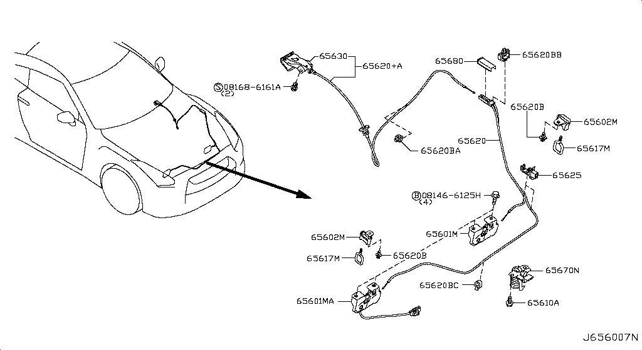
015 - Throttle Chamber | 3 matched part(s)
App. model: VR38DETT • [08.2017 - ...]
 | OEM | Description | Applies / Details | Period | Notes | Match
 | 16122-JK20B | Bolt-Socket | VR38DETT | 08.2017 - ... |  | bolt
 | 16119-JF00E | Chambr-Throttle | VR38DETT | 08.2017 - ...
 | 16119-JF00F | Chambr-Throttle | VR38DETT | 08.2017 - ...

016 - Fuel Strainer & Fuel Hose | 180 matched part(s)
App. model: VR38DETT, C.(TRACK+NISMO), VR38DETT.(TRACK+BLACK+PREMIUM+NISMO) • [08.2017 - ... ... 11.2007 - 11.2010]
 | OEM | Description | Applies / Details | Period | Notes | Match
 | 22675-JA10A | A Damper Fuel | VR38DETT | 08.2017 - ... |  | damper
 | 22675-JF00B | A Damper Fuel | VR38DETT | 08.2017 - ... |  | damper
 | 22675-JF00A | A Damper Fuel | VR38DETT | 08.2017 - ... |  | damper
 | 11298-4M411 | Bolt |  |  |  | bolt
 | 11298-AG001 | Bolt |  |  |  | bolt
 | 11298-4M406 | Bolt |  |  |  | bolt
...
Nissan GT-R R35 — Master Parts Catalog
All systems • All manufacturing dates • All models • Period variants expanded
 | 08360-51214 | Screw-Machine
 | 08363-6305D | Screw-Machine | VR38DETT | 11.2013 - 11.2014
 | 08310-51062 | Screw-Machine | VR38DETT | 11.2013 - 11.2014
 | 08363-6125B | Screw-Machine | VR38DETT | 11.2013 - 11.2014
 | 08363-6305B | Screw-Machine | VR38DETT | 11.2013 - 11.2014
 | 08233-82010 | Stud-Coarse
 | 08236-62210 | Stud-Coarse

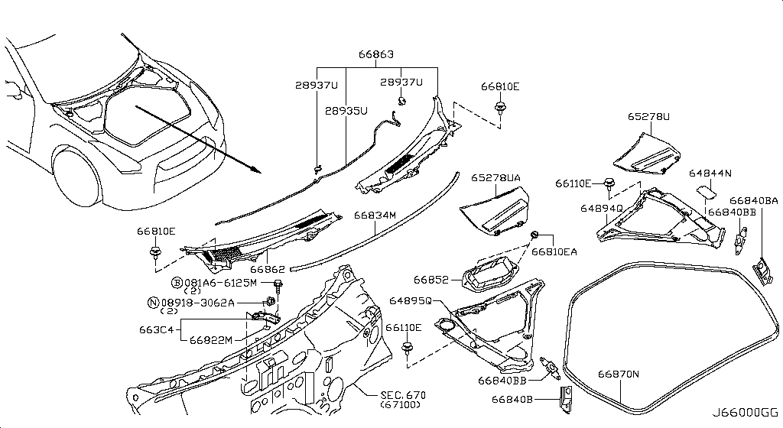
018 - Fuel Pump Controller | 2 matched part(s)
App. model: VR38DETT, C.(GTR+BLACK+PREMIUM) • [08.2017 - ... ... 11.2007 - 12.2009]
 | OEM | Description | Applies / Details | Period | Notes | Match
 | 17001-JF00A | Modulator-Fuel | VR38DETT | 08.2017 - ...
 | 01456-00411 | Screw-Tap,With | C.(GTR+BLACK+PREMIUM) | 11.2007 - 12.2009

019 - Fuel Tank | 283 matched part(s)
App. model: VR38DETT, C, GR6 • [11.2018 - ... ... 11.2007 - 12.2009]
 | OEM | Description | Applies / Details | Period | Notes | Match
 | 16439-V501B | Band | VR38DETT | 11.2018 - ...
 | 17406-JF00A | Band Assy Fuel | VR38DETT | 08.2017 - ...
 | 01121-06671 | Bolt Door Hinge | VR38DETT | 08.2017 - ... |  | bolt, door
 | 17598-ET000 | Bolt Door Hinge | VR38DETT | 08.2017 - ... |  | bolt, door
 | 081B0-8251A | Bolt-Hex |  |  |  | bolt
 | 081B6-6125M | Bolt-Hex |  |  |  | bolt
 | 081B6-6165M | Bolt-Hex |  |  |  | bolt
...
Nissan GT-R R35 — Master Parts Catalog
All systems • All manufacturing dates • All models • Period variants expanded
 | 17221-KB60A | Tube Assy | VR38DETT | 08.2017 - ... |  | tube
 | 46252-JF12A | Tube Assy | C | 08.2017 - ... |  | tube
 | 46283-JF15B | Tube Assy | C | 08.2017 - ... |  | tube
 | 31098-JF05C | Tube-Breather |  |  |  | tube
 | 17338-JF30A | Tube-Breather | VR38DETT | 08.2017 - ... |  | tube
 | 17510-JF00A | Tube-Fuel | VR38DETT | 08.2017 - ... |  | tube
 | 17511-JF00A | Tube-Return | VR38DETT | 08.2017 - ... |  | tube

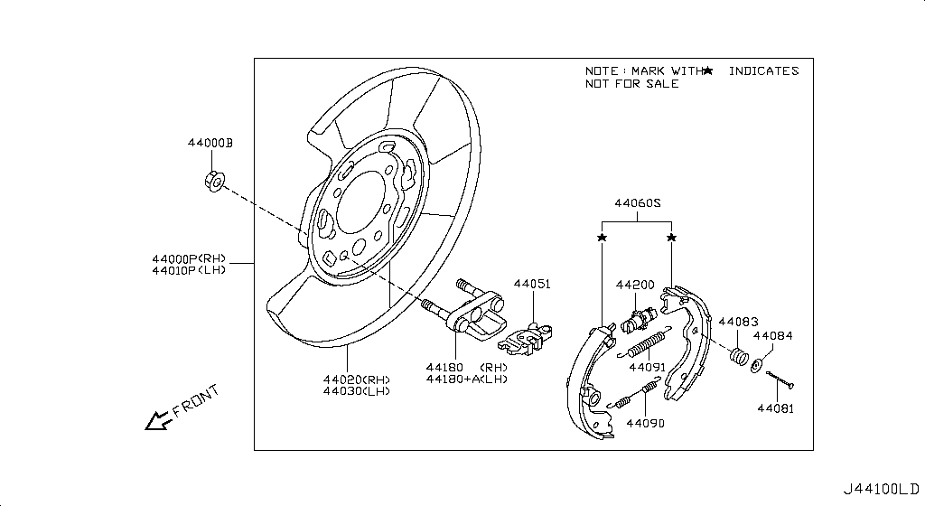
021 - Accelerator Linkage | 29 matched part(s)
App. model: VR38DETT, *VR38DETT.PURE SpecCode: [CLASJ] TRACK PACK A, C • [08.2017 - ... ... 11.2014 - 04.2016]
 | OEM | Description | Applies / Details | Period | Notes | Match
 | 18002-JF10A | Lever Complete | VR38DETT | 08.2017 - ...
 | 01225-00931 | Nut |  |  |  | nut
 | 01225-00901 | Nut |  |  |  | nut
 | 01221-00391 | Nut |  |  |  | nut
 | 01221-00361 | Nut | *VR38DETT.PURE SpecCode: [CLASJ] TRACK PACK A | 06.2014 - 11.2014 |  | nut
 | 14094-4P100 | Nut | VR38DETT | 08.2017 - ... |  | nut
 | 01221-00351 | Nut | C | 08.2017 - ... |  | nut
 | 01225-00521 | Nut | VR38DETT | 08.2017 - ... |  | nut
 | 01223-00241 | Nut | C | 08.2017 - ... |  | nut
 | 48514-JF00A | Nut | VR38DETT | 08.2017 - ... |  | nut
 | 01241-00113 | Nut | C | 08.2017 - ... |  | nut
 | 01217-00251 | Nut | C | 08.2017 - ... |  | nut
 | 84656-AM800 | Nut | C | 08.2017 - ... |  | nut
 | 14094-JG30A | Nut | VR38DETT | 08.2017 - ... |  | nut
 | 01225-00881 | Nut | C | 08.2017 - ... |  | nut
 | 40780-JA01B | Nut | C | 08.2017 - ... |  | nut
 | 01221-00331 | Nut | C | 08.2017 - ... |  | nut
 | 55269-AL50A | Nut | VR38DETT | 08.2017 - ... |  | nut
 | 54588-1BA2A | Nut | VR38DETT | 08.2017 - ... |  | nut
 | 54588-2Y00A | Nut | VR38DETT | 08.2017 - ... |  | nut
 | 54588-AD00A | Nut | VR38DETT | 08.2017 - ... |  | nut
 | 01225-00371 | Nut | C | 11.2007 - 11.2010 |  | nut
 | 80497-AX01A | Nut | C | 11.2007 - 11.2010 |  | nut
 | 20602-41G0A | Nut | *VR38DETT.(PURE+NISMO) SpecCode: [MFLR3] TITAN MFLR | 11.2013 - 11.2014 |  | nut
 | 01225-00062 | Nut | *VR38DETT.(PURE+NISMO) SpecCode: [MFLR3] TITAN MFLR | 11.2013 - 11.2014 |  | nut
 | 08918-6081A | Nut | C | 11.2013 - 11.2014 |  | nut
 | 08918-60610 | Nut | C | 11.2013 - 11.2014 |  | nut
 | 40262-EG010 | Nut | VR38DETT | 11.2013 - 11.2014 |  | nut
 | 08911-10637 | Nut | C | 11.2014 - 04.2016 |  | nut

022 - Exhaust Tube & Muffler | 251 matched part(s)
App. model: C.(TRACK+NISMO), VR38DETT.(TRACK+BLACK+PREMIUM+NISMO), VR38DETT • [04.2016 - 07.2016 ... 06.2014 - 11.2014]
 | OEM | Description | Applies / Details | Period | Notes | Match
 | 11298-4M411 | Bolt |  |  |  | bolt
 | 11298-AG001 | Bolt |  |  |  | bolt
 | 11298-4M406 | Bolt |  |  |  | bolt
 | 11298-2J212 | Bolt |  |  |  | bolt
 | 08158-62528 | Bolt |  |  |  | bolt
 | 08158-62533 | Bolt |  |  |  | bolt
...
Nissan GT-R R35 — Master Parts Catalog
All systems • All manufacturing dates • All models • Period variants expanded
 | 20602-6AV0A | Nut-fix,exhaust tube | VR38DETT.(TRACK+PREMIUM+NISMO) | 08.2017 - ... |  | nut, tube
 | 08918-3061A | Nut-Flange,Hex | VR38DETT | 11.2007 - 11.2010 |  | nut
 | 08918-3062A | Nut-Flange,Hex | C | 11.2007 - 11.2010 |  | nut
 | 08918-3081A | Nut-Flange,Hex | VR38DETT | 11.2013 - 11.2014 |  | nut
 | 08918-3401A | Nut-Flange,Hex | VR38DETT | 11.2013 - 11.2014 |  | nut
 | 08918-3082A | Nut-Flange,Hex | VR38DETT | 11.2013 - 11.2014 |  | nut
 | 20150-6AV0A | Valve assembly-exhaust | VR38DETT.(TRACK+PREMIUM+NISMO) | 08.2017 - ... |  | valve

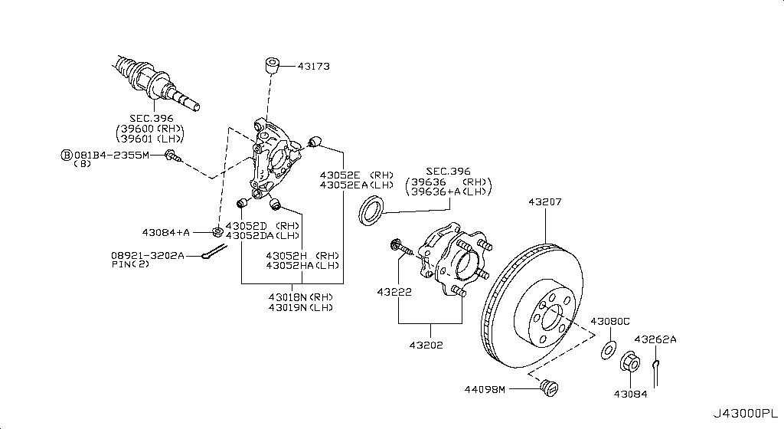
023 - Catalyst Converter,Exhaust Fuel & Ure In | 4 matched part(s)
App. model: VR38DETT • [08.2017 - ...]
 | OEM | Description | Applies / Details | Period | Notes | Match
 | B08B2-JF20A | Converter | VR38DETT | 08.2017 - ...
 | B08B3-JF20A | Converter | VR38DETT | 08.2017 - ...
 | 14064-JF00E | Stud | VR38DETT | 08.2017 - ...
 | 14064-31U0C | Stud | VR38DETT | 08.2017 - ...

024 - Water Pump, Cooling Fan & Thermostat | 160 matched part(s)
App. model: C.(TRACK+NISMO), VR38DETT.(TRACK+BLACK+PREMIUM+NISMO), VR38DETT • [04.2016 - 07.2016 ... 03.2008 - 12.2010]
 | OEM | Description | Applies / Details | Period | Notes | Match
 | 11298-4M411 | Bolt |  |  |  | bolt
 | 11298-AG001 | Bolt |  |  |  | bolt
 | 11298-4M406 | Bolt |  |  |  | bolt
 | 11298-2J212 | Bolt |  |  |  | bolt
 | 08158-62528 | Bolt |  |  |  | bolt
 | 08158-62533 | Bolt |  |  |  | bolt
...
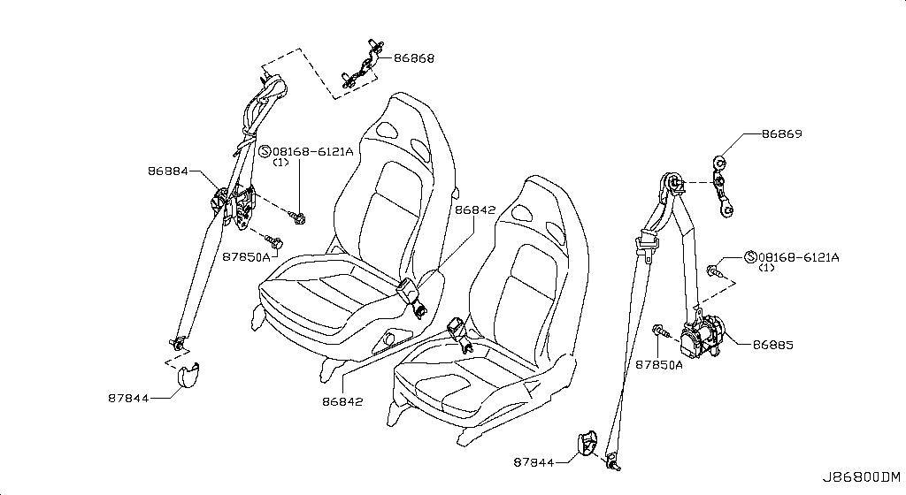
...
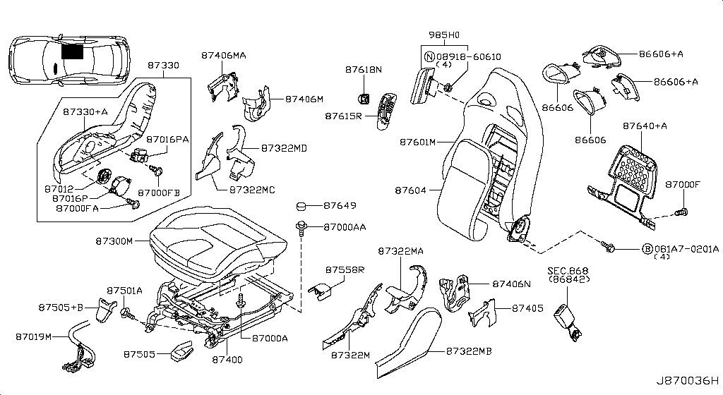
...
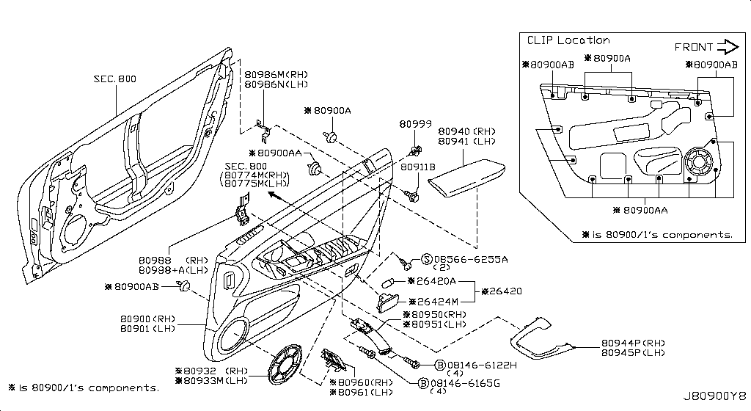
...
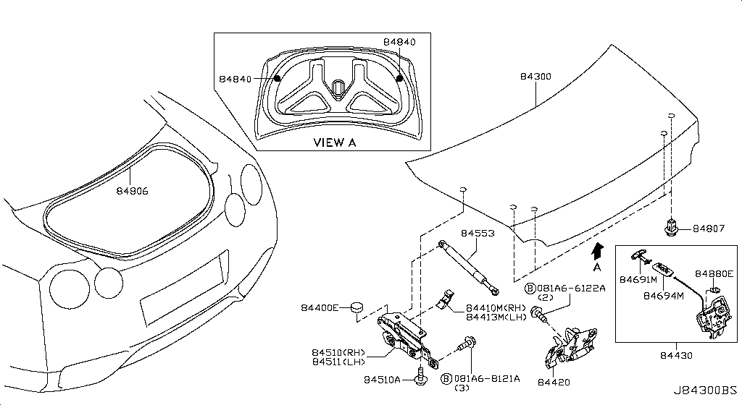
...
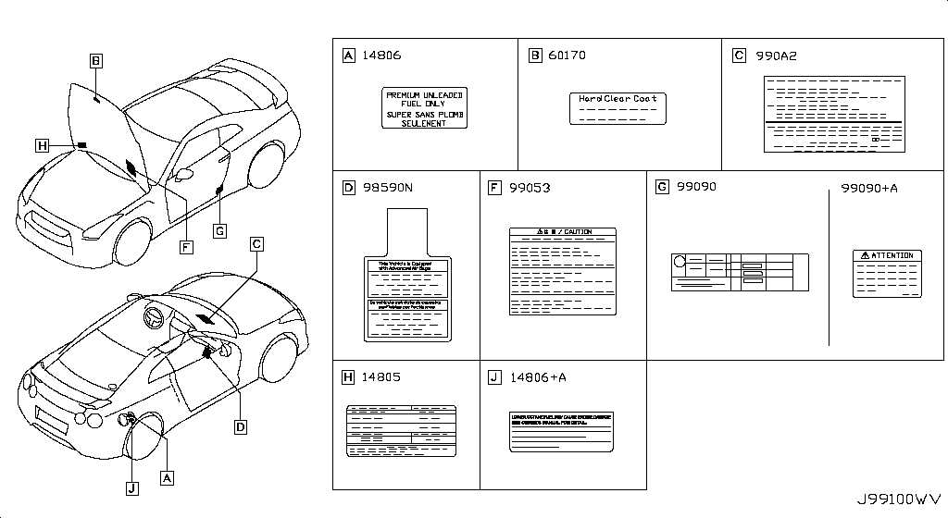
...
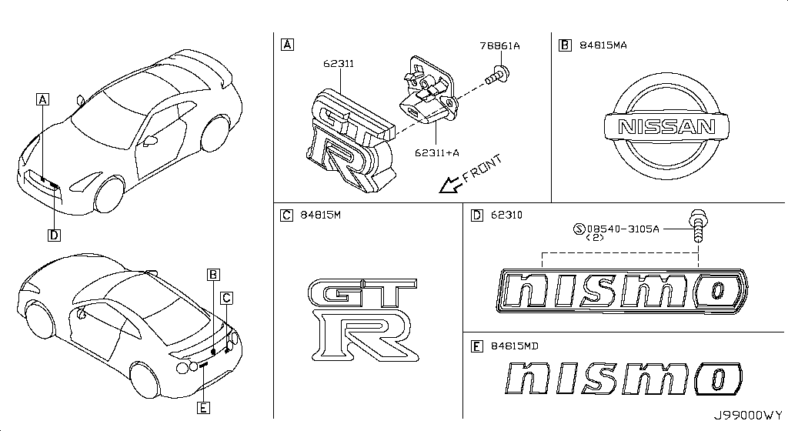
...
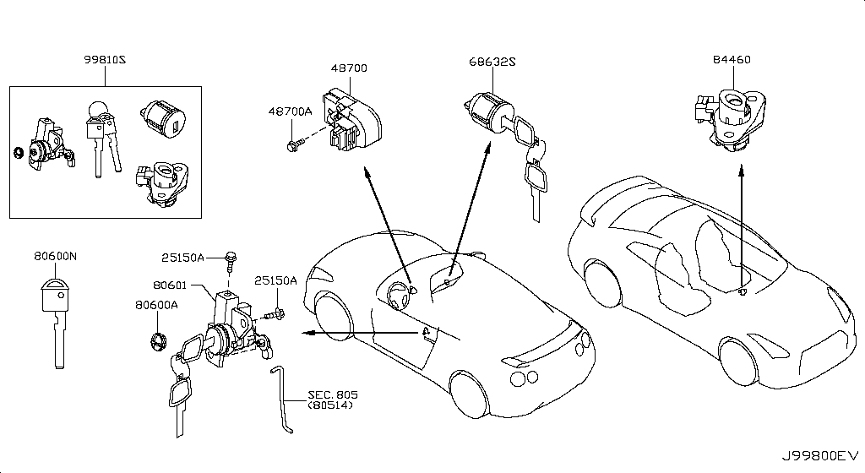
...
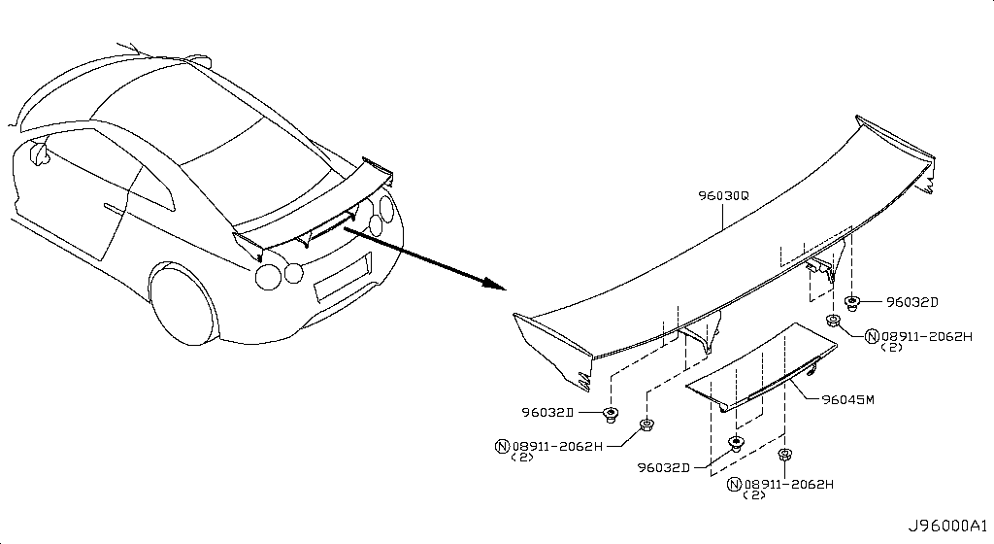
...
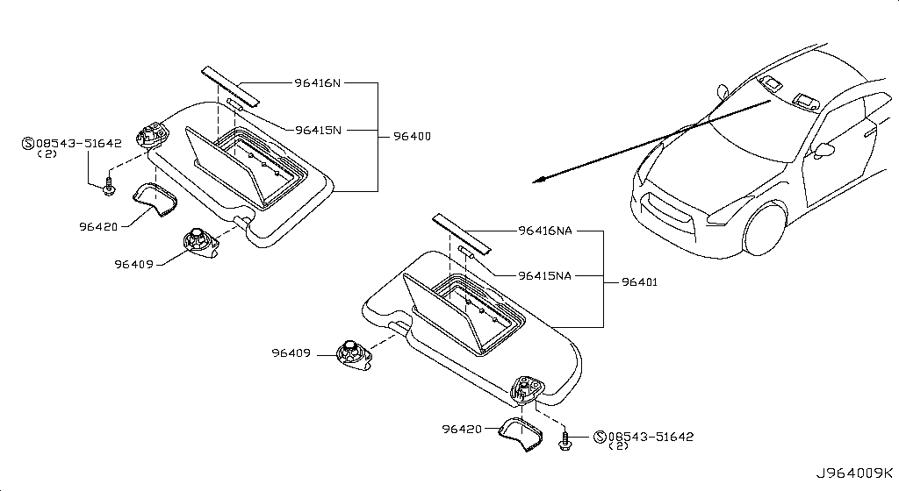
...
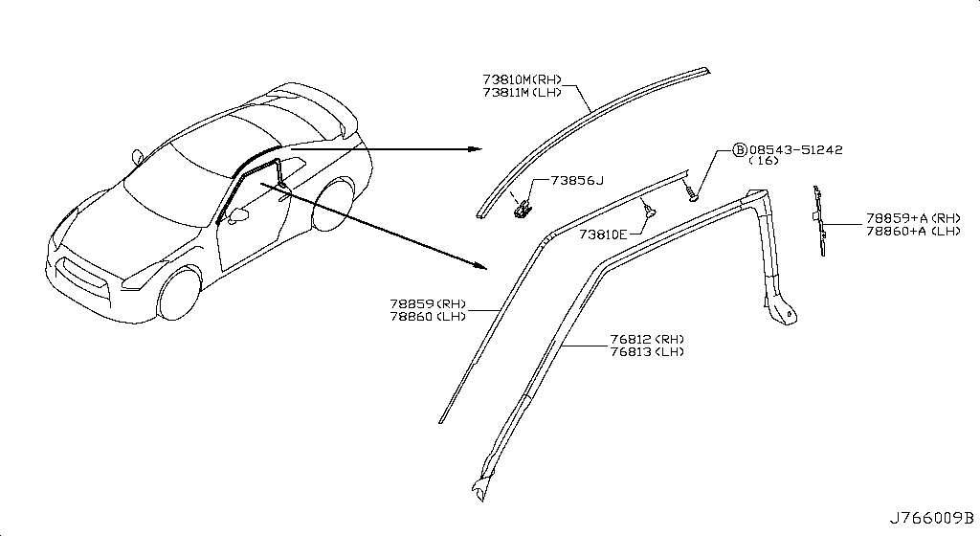
...
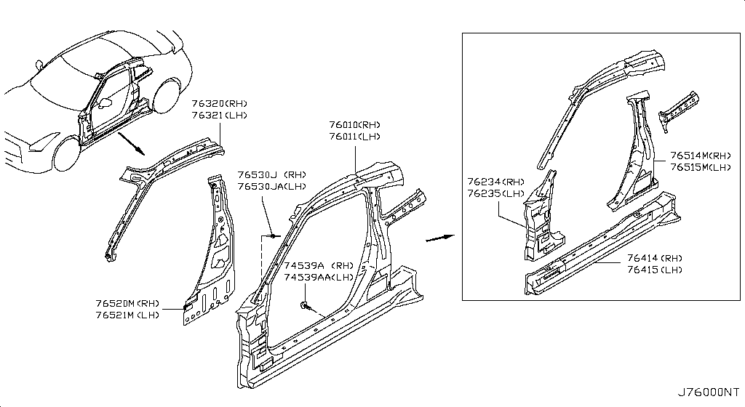
...
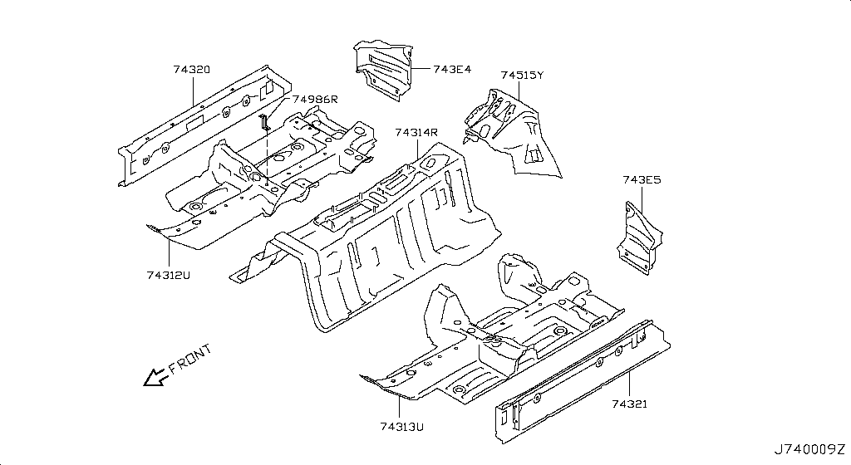
...
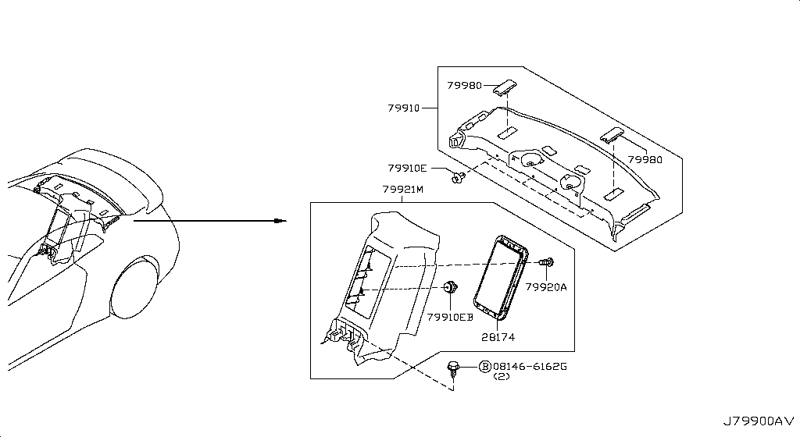
...
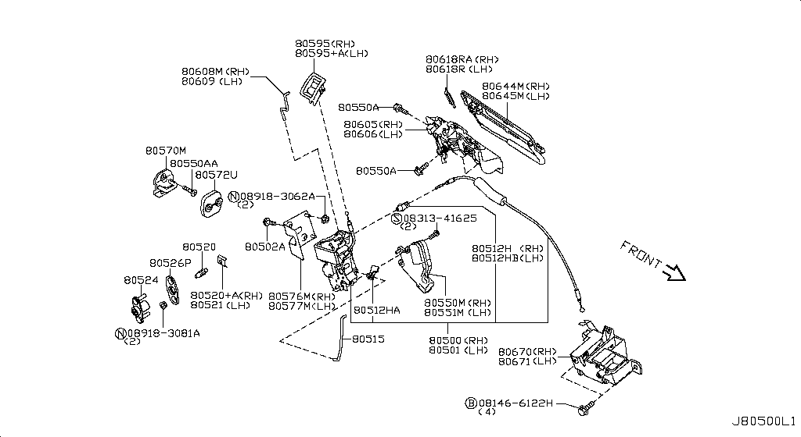
...
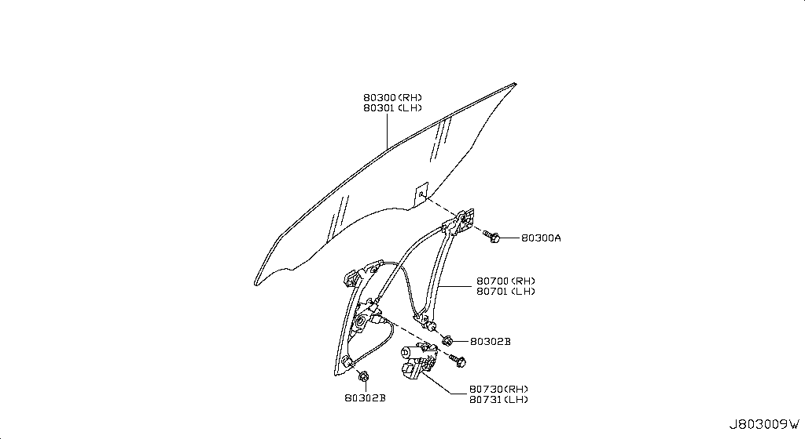
...
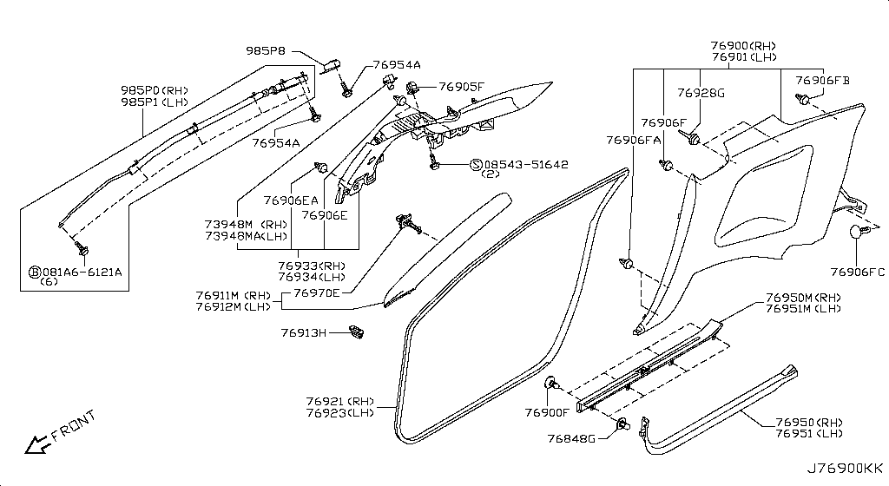
...
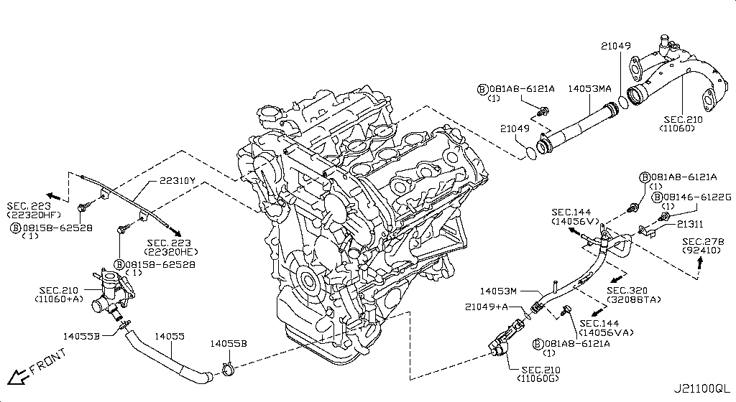
...
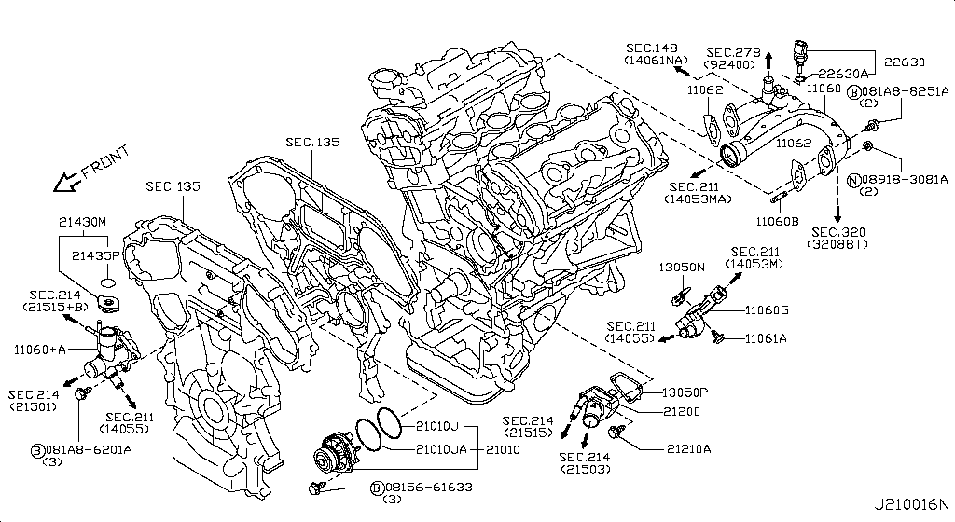
...
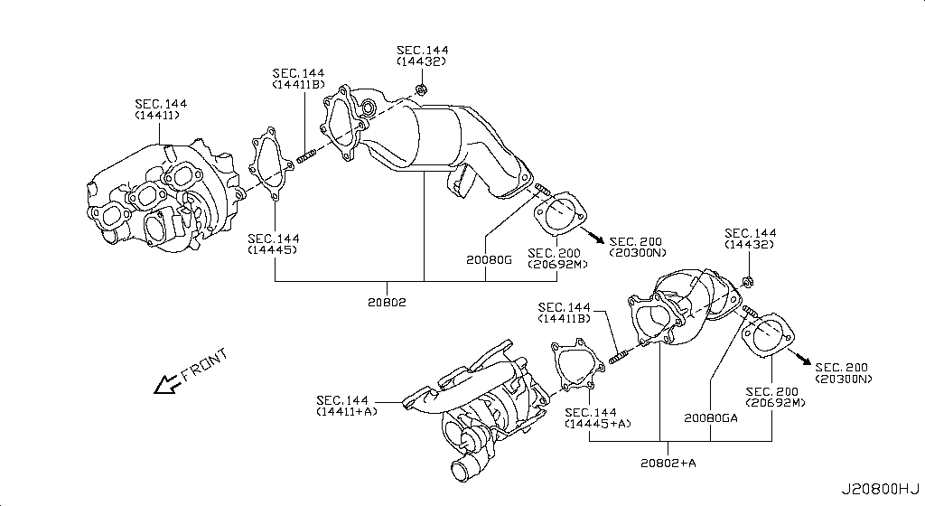
...
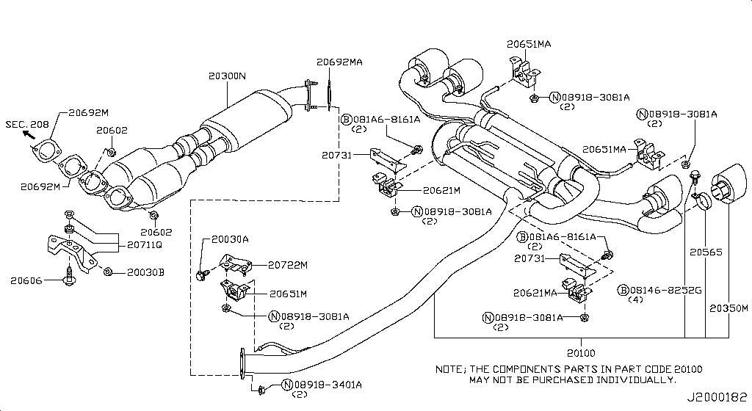
...
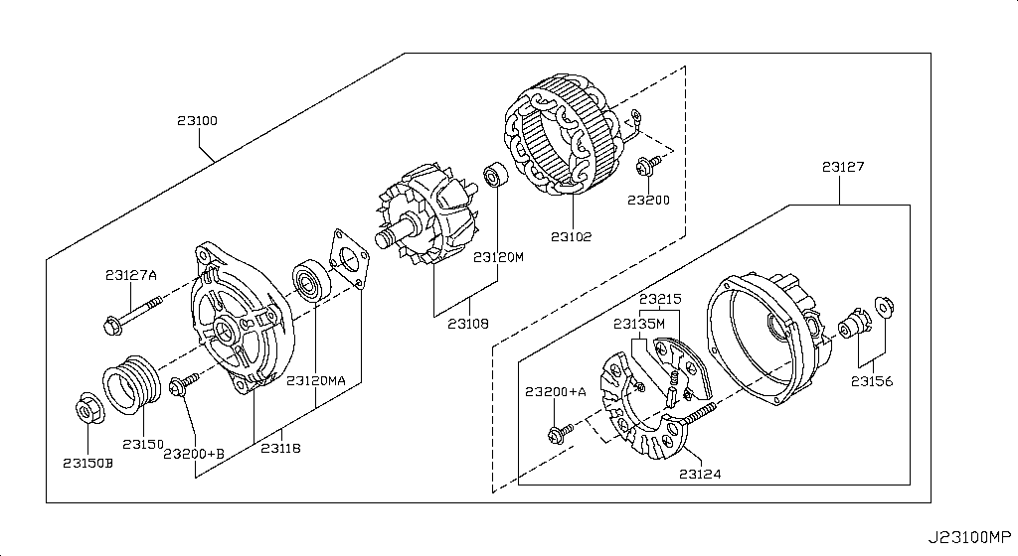
...
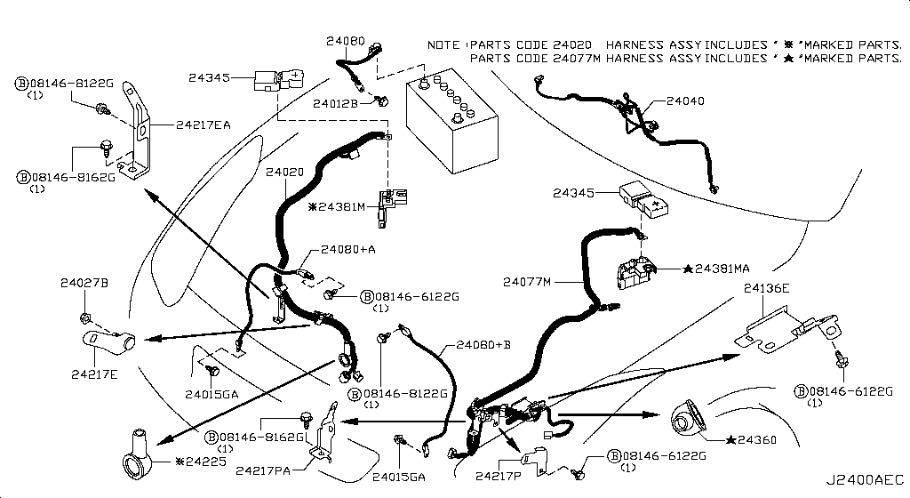
...
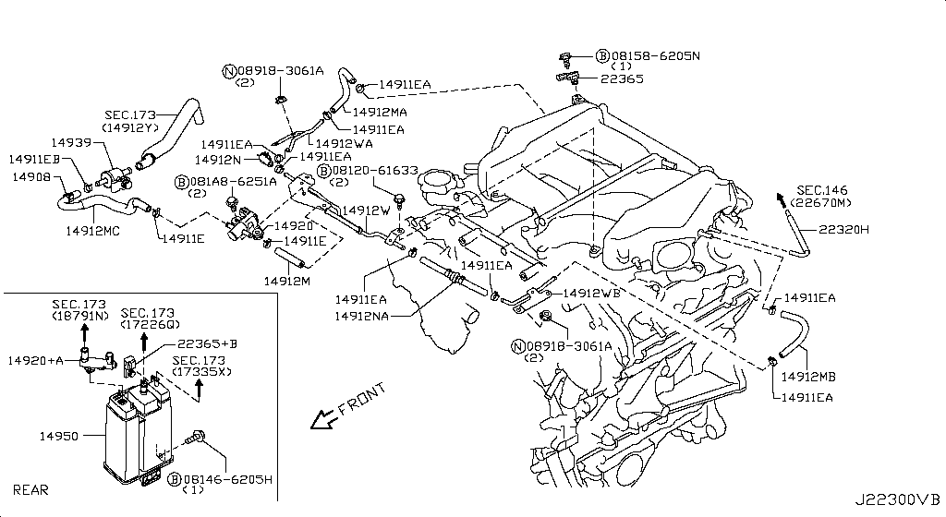
...
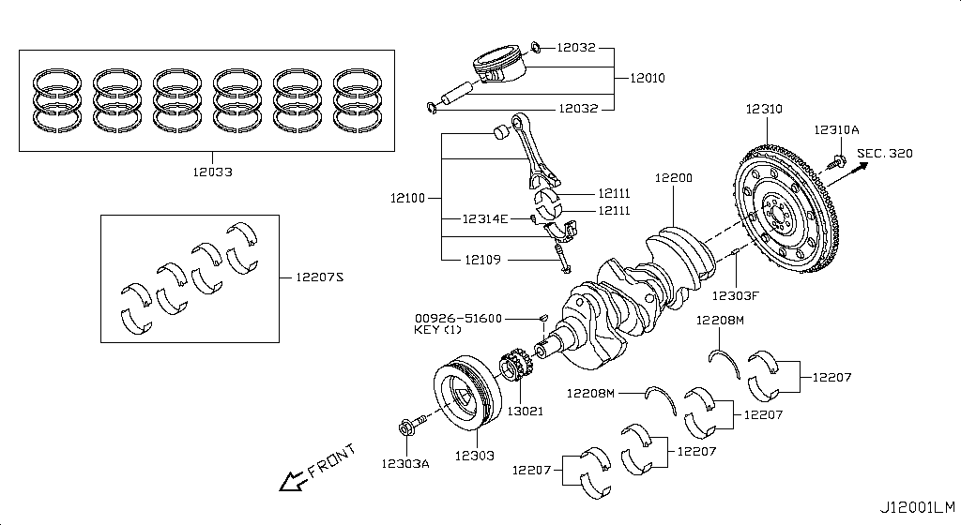
...
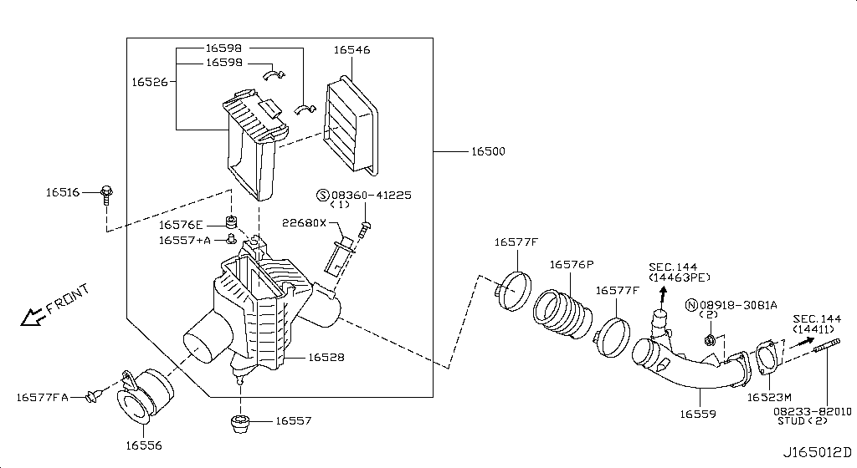
...
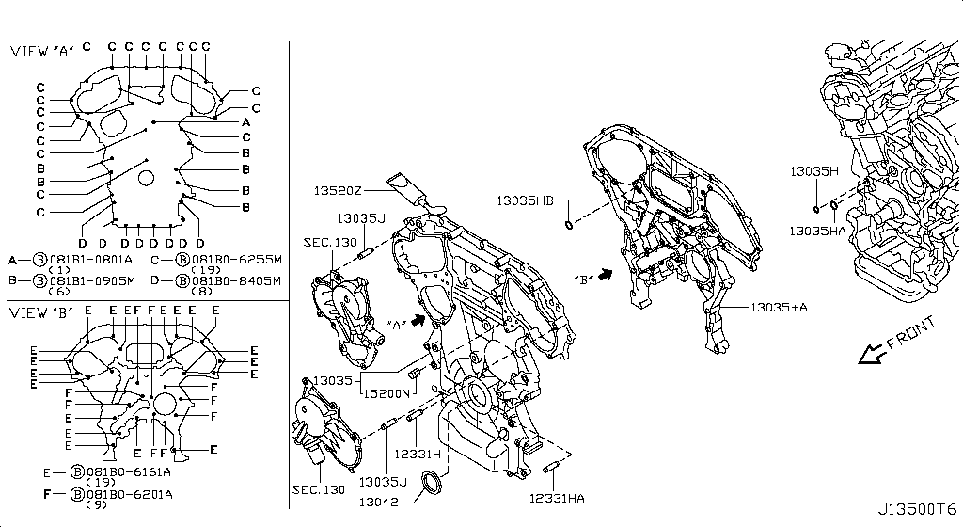
...
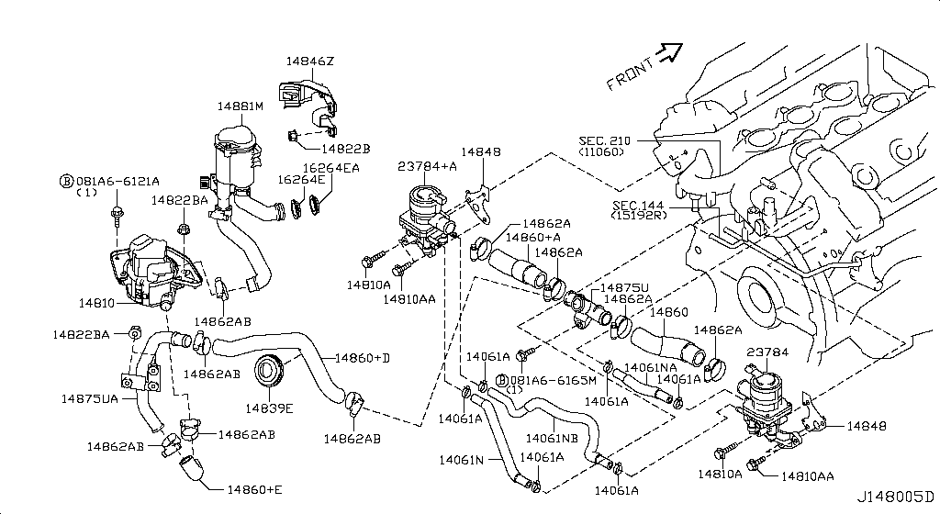
...
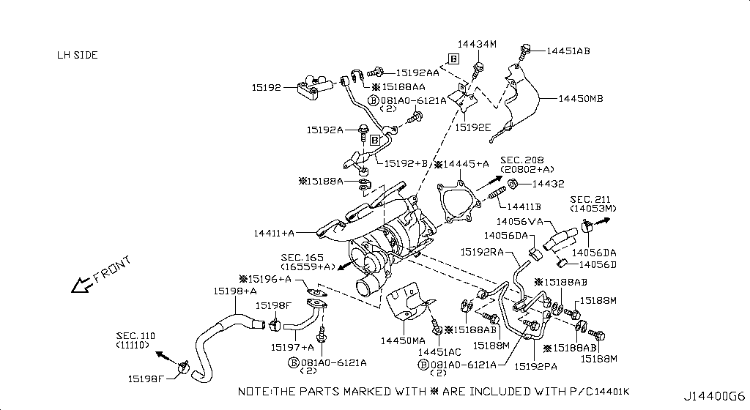
...
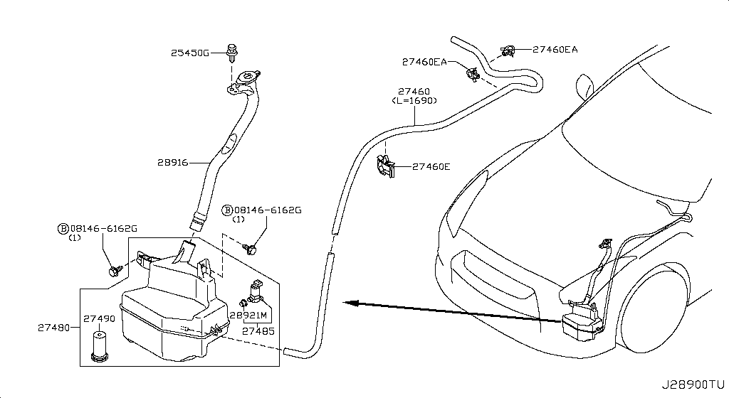
...
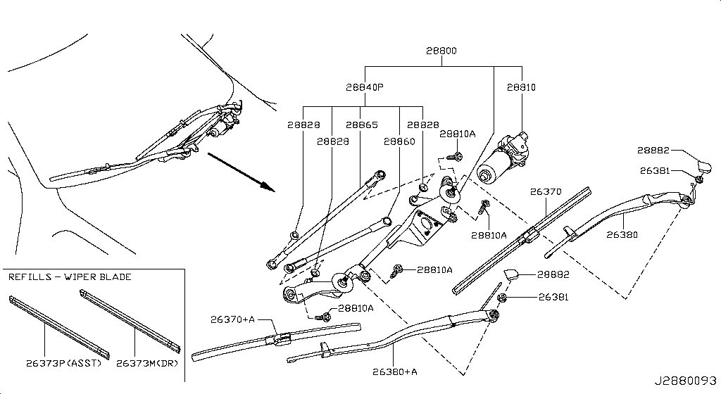
...
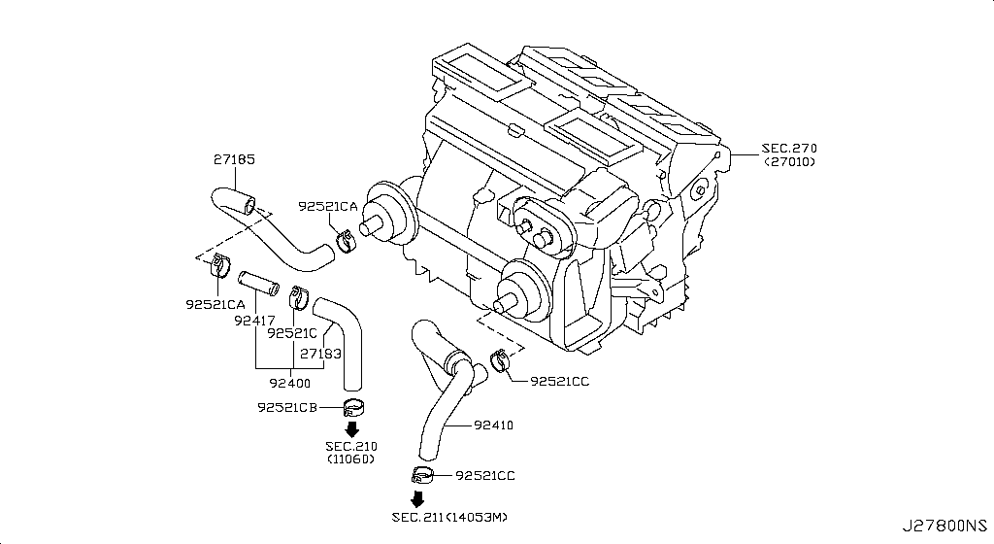
...
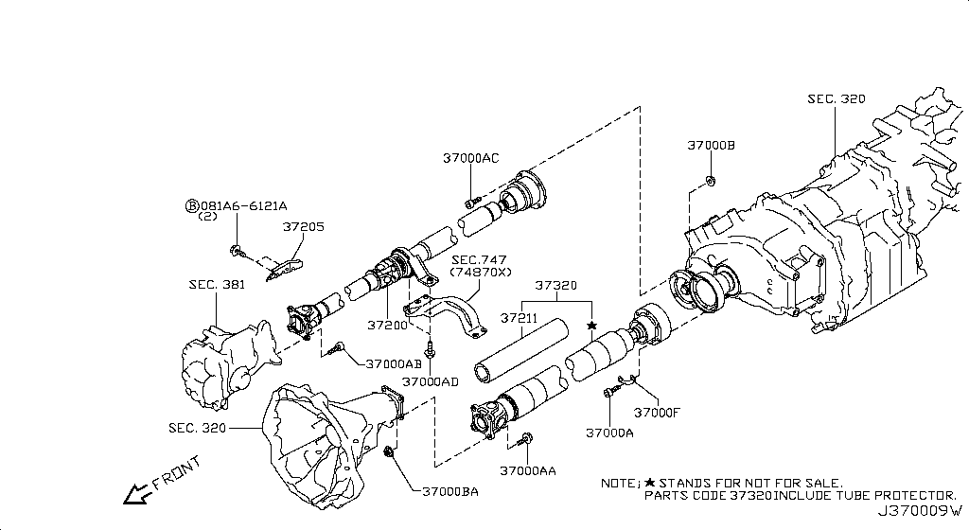
...
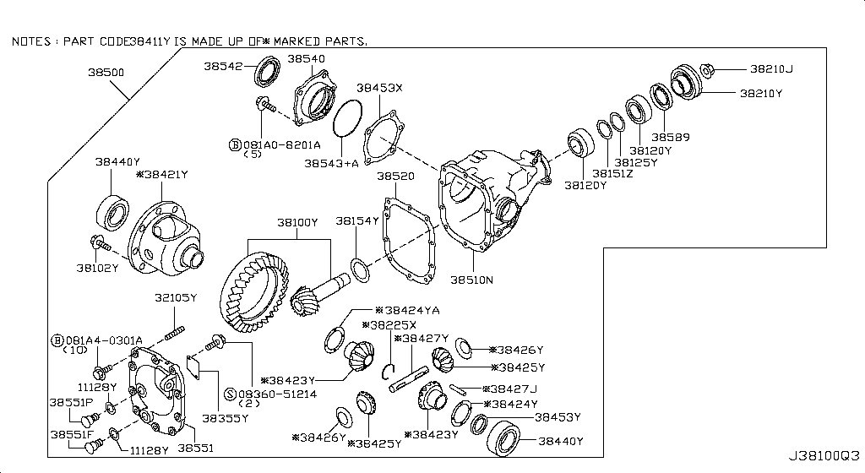
...
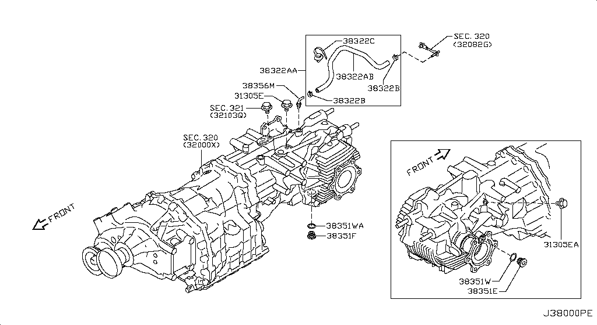
...
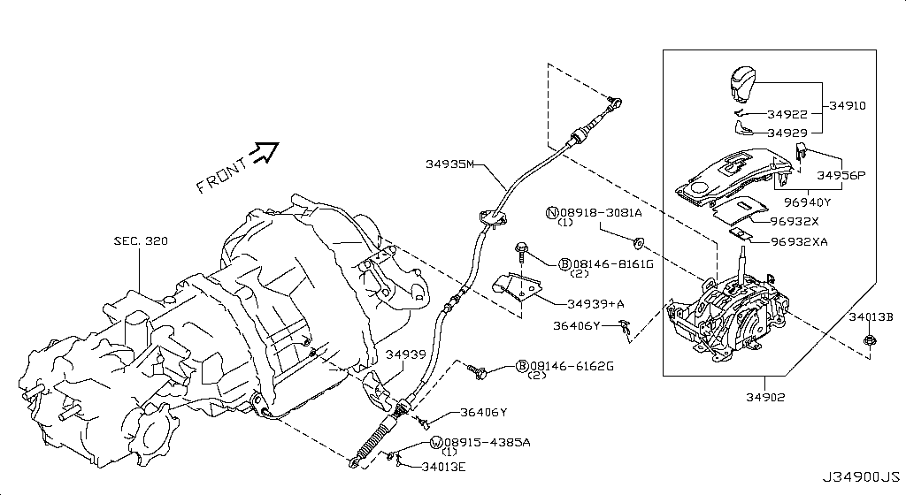
...
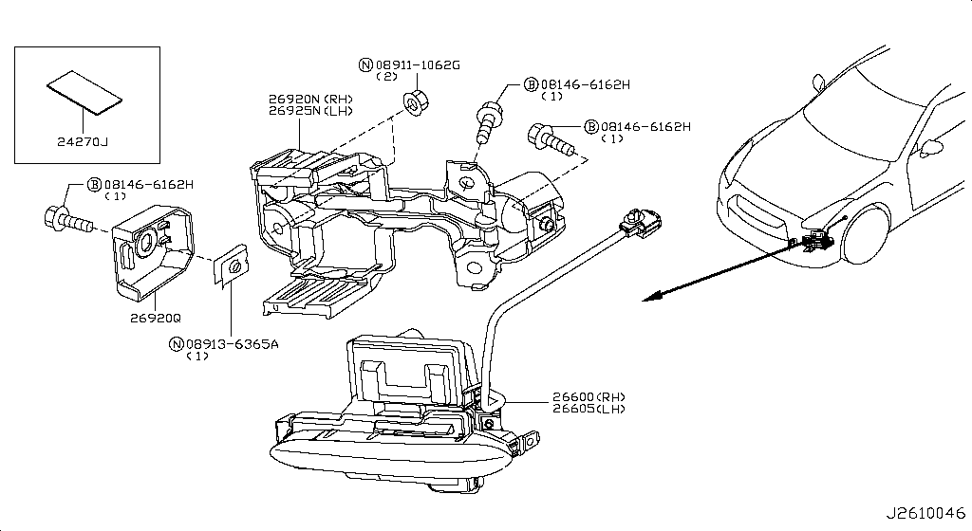
...
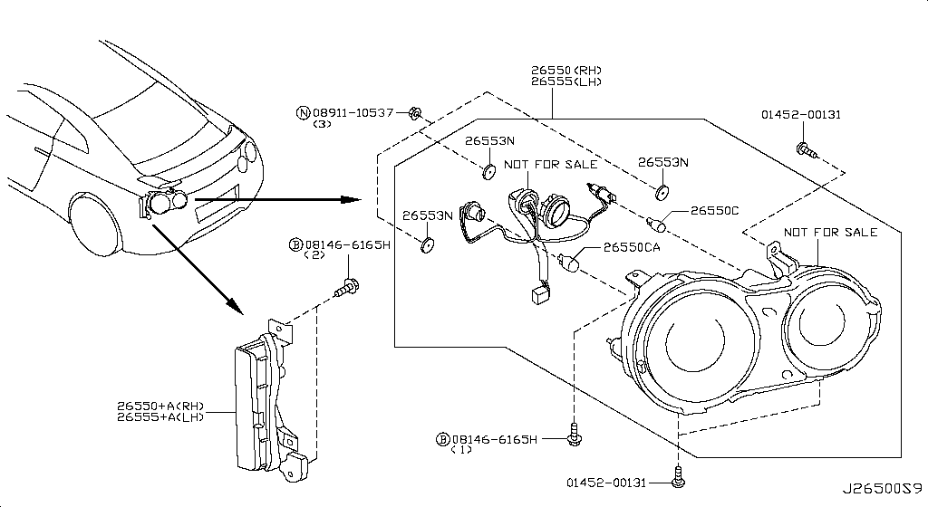
...
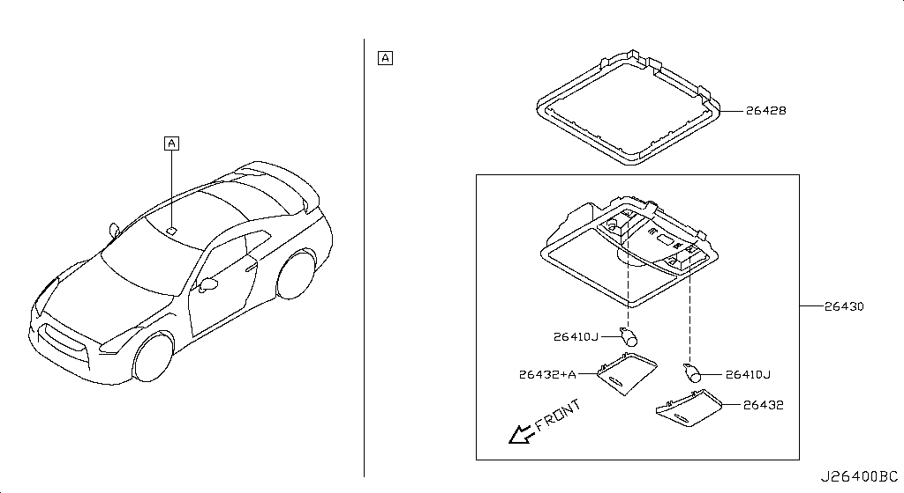
...
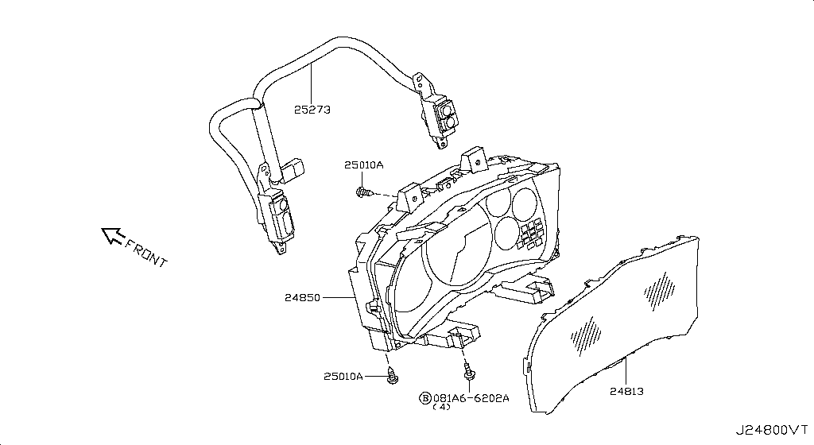
...
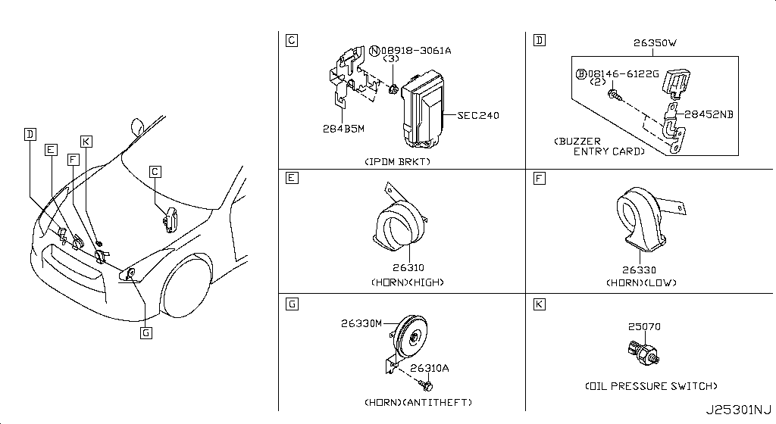
...
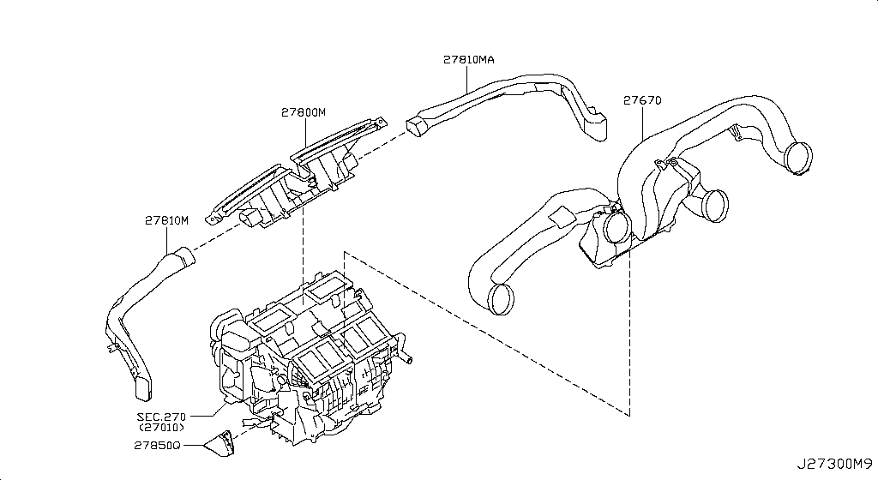
...

...

...

...

...

...

Diagram Gallery
...
Cylinder Block Oil Pan — 9 image(s)
Specification: COMPONENT PARTS; App. model: VR38DETT • [11.2013-11.2014] | COMPONENT PARTS • 11.2013 - 11.2014 • VR38DETT | COMPONENT PARTS • 11.2014 - 04.2016 • VR38DETT
13 hotspot part(s) | 13 hotspot part(s) | 13 hotspot part(s)


COMPONENT PARTS • 04.2016 - 08.2017 • VR38DETT | COMPONENT PARTS • 08.2017 - ... • VR38DETT | ASSEMBLY • 11.2013 - 11.2014 • VR38DETT
13 hotspot part(s) | 13 hotspot part(s) | 24 hotspot part(s)


ASSEMBLY • 11.2014 - 04.2016 • VR38DETT | ASSEMBLY • 04.2016 - 08.2017 • VR38DETT | ASSEMBLY • 08.2017 - ... • VR38DETT
24 hotspot part(s) | 24 hotspot part(s) | 24 hotspot part(s)

Cylinder Head Rocker Cover — 13 image(s)
Specification: ASSEMBLY; App. model: VR38DETT • [11.2013-11.2014] | ASSEMBLY • 11.2013 - 11.2014 • VR38DETT | ASSEMBLY • 11.2014 - 04.2016 • VR38DETT
22 hotspot part(s) | 19 hotspot part(s) | 19 hotspot part(s)


ASSEMBLY • 04.2016 - 08.2017 • VR38DETT | ASSEMBLY • 08.2017 - ... • VR38DETT | COMPONENT PARTS(RH) • 11.2013 - 11.2014 • VR38DETT
19 hotspot part(s) | 19 hotspot part(s) | 13 hotspot part(s)


COMPONENT PARTS(RH) • 11.2014 - 04.2016 • VR38DETT | COMPONENT PARTS(RH) • 04.2016 - 08.2017 • VR38DETT | COMPONENT PARTS(RH) • 08.2017 - ... • VR38DETT
13 hotspot part(s) | 13 hotspot part(s) | 13 hotspot part(s)

COMPONENT PARTS(LH) • 11.2013 - 11.2014 • VR38DETT | COMPONENT PARTS(LH) • 11.2014 - 04.2016 • VR38DETT | COMPONENT PARTS(LH) • 04.2016 - 08.2017 • VR38DETT
13 hotspot part(s) | 13 hotspot part(s) | 13 hotspot part(s)


COMPONENT PARTS(LH) • 08.2017 - ... • VR38DETT
13 hotspot part(s)
...
Fan Compressor Power Steering Belt — 5 image(s)
App. model: VR38DETT • [11.2013-11.2014] | 11.2013 - 11.2014 • VR38DETT | 11.2014 - 04.2016 • VR38DETT
3 hotspot part(s) | 3 hotspot part(s) | 3 hotspot part(s)


04.2016 - 08.2017 • VR38DETT | 08.2017 - ... • VR38DETT
3 hotspot part(s) | 3 hotspot part(s)

Crankcase Ventilation — 5 image(s)
App. model: VR38DETT • [11.2013-11.2014] | 11.2013 - 11.2014 • VR38DETT | 11.2014 - 04.2016 • VR38DETT
13 hotspot part(s) | 11 hotspot part(s) | 11 hotspot part(s)


04.2016 - 08.2017 • VR38DETT | 08.2017 - ... • VR38DETT
11 hotspot part(s) | 11 hotspot part(s)

Piston Crankshaft Flywheel — 9 image(s)
Specification: MAIN PARTS; App. model: VR38DETT • [11.2013-11.2014] | MAIN PARTS • 11.2013 - 11.2014 • VR38DETT | MAIN PARTS • 11.2014 - 04.2016 • VR38DETT
18 hotspot part(s) | 38 hotspot part(s) | 38 hotspot part(s)


MAIN PARTS • 04.2016 - 08.2017 • VR38DETT | MAIN PARTS • 08.2017 - ... • VR38DETT | STAMPING LOCATION • 11.2013 - 11.2014 • VR38DETT
38 hotspot part(s) | 38 hotspot part(s) | 21 hotspot part(s)


STAMPING LOCATION • 11.2014 - 04.2016 • VR38DETT | STAMPING LOCATION • 04.2016 - 08.2017 • VR38DETT | STAMPING LOCATION • 08.2017 - ... • VR38DETT
21 hotspot part(s) | 21 hotspot part(s) | 21 hotspot part(s)

Camshaft Valve Mechanism — 9 image(s)
Specification: CAMSHAFT & VALVE MECHANISM; App. model: VR38DETT • [11.2013-11.2014] | CAMSHAFT & VALVE MECHANISM • 11.2013 - 11.2014 • VR38DETT | CAMSHAFT & VALVE MECHANISM • 11.2014 - 04.2016 • VR38DETT
41 hotspot part(s) | 68 hotspot part(s) | 68 hotspot part(s)


CAMSHAFT & VALVE MECHANISM • 04.2016 - 08.2017 • VR38DETT | CAMSHAFT & VALVE MECHANISM • 08.2017 - ... • VR38DETT | COVER ASSY VTC • 11.2013 - 11.2014 • VR38DETT
68 hotspot part(s) | 68 hotspot part(s) | 16 hotspot part(s)


COVER ASSY VTC • 11.2014 - 04.2016 • VR38DETT | COVER ASSY VTC • 04.2016 - 08.2017 • VR38DETT | COVER ASSY VTC • 08.2017 - ... • VR38DETT
16 hotspot part(s) | 16 hotspot part(s) | 16 hotspot part(s)

Front Cover Vacuum Pump Fitting — 5 image(s)
Specification: FRONT COVER; App. model: VR38DETT • [11.2013-11.2014] | FRONT COVER • 11.2013 - 11.2014 • VR38DETT | FRONT COVER • 11.2014 - 04.2016 • VR38DETT
17 hotspot part(s) | 13 hotspot part(s) | 13 hotspot part(s)


FRONT COVER • 04.2016 - 08.2017 • VR38DETT | FRONT COVER • 08.2017 - ... • VR38DETT
13 hotspot part(s) | 13 hotspot part(s)

Manifold — 25 image(s)
Specification: INTAKE PARTS; App. model: VR38DETT • [11.2013-11.2014] | Engine Cover • 11.2007 - 11.2010 • VR38DETT | Engine Cover • 11.2010 - 11.2011 • VR38DETT
7 hotspot part(s) | 9 hotspot part(s) | 9 hotspot part(s)


Engine Cover • 11.2011 - 11.2013 • VR38DETT | Engine Cover • 11.2013 - 11.2014 • VR38DETT | Intake Manifold • 11.2007 - 11.2010 • VR38DETT
9 hotspot part(s) | 9 hotspot part(s) | 7 hotspot part(s)


Intake Manifold • 11.2010 - 11.2011 • VR38DETT | Intake Manifold • 11.2011 - 11.2013 • VR38DETT | Intake Manifold • 11.2013 - 11.2014 • VR38DETT
7 hotspot part(s) | 7 hotspot part(s) | 7 hotspot part(s)

Exhaust Manifold • 11.2007 - 11.2010 • VR38DETT | Exhaust Manifold • 11.2010 - 11.2011 • VR38DETT | Exhaust Manifold • 11.2011 - 11.2013 • VR38DETT
7 hotspot part(s) | 7 hotspot part(s) | 7 hotspot part(s)


Exhaust Manifold • 11.2013 - 11.2014 • VR38DETT | INTAKE PARTS • 11.2013 - 11.2014 • VR38DETT | INTAKE PARTS • 11.2014 - 04.2016 • VR38DETT
7 hotspot part(s) | 6 hotspot part(s) | 6 hotspot part(s)
...
Turbo Charger — 13 image(s)
Specification: TURBO CHARGER(LH); App. model: VR38DETT • [11.2013-11.2014] | TURBO CHARGER(LH) • 11.2013 - 11.2014 • VR38DETT | TURBO CHARGER(LH) • 11.2014 - 04.2016 • VR38DETT
29 hotspot part(s) | 31 hotspot part(s) | 31 hotspot part(s)


TURBO CHARGER(LH) • 04.2016 - 08.2017 • VR38DETT | TURBO CHARGER(LH) • 08.2017 - ... • VR38DETT | INTERCOOLER & PIPING • 11.2013 - 11.2014 • VR38DETT
31 hotspot part(s) | 31 hotspot part(s) | 31 hotspot part(s)


INTERCOOLER & PIPING • 11.2014 - 04.2016 • VR38DETT | INTERCOOLER & PIPING • 04.2016 - 08.2017 • VR38DETT | INTERCOOLER & PIPING • 08.2017 - ... • VR38DETT
31 hotspot part(s) | 31 hotspot part(s) | 31 hotspot part(s)

TURBO CHARGER(RH) • 11.2013 - 11.2014 • VR38DETT | TURBO CHARGER(RH) • 11.2014 - 04.2016 • VR38DETT | TURBO CHARGER(RH) • 04.2016 - 08.2017 • VR38DETT
31 hotspot part(s) | 31 hotspot part(s) | 31 hotspot part(s)


TURBO CHARGER(RH) • 08.2017 - ... • VR38DETT
31 hotspot part(s)

Secondary Air System — 5 image(s)
App. model: VR38DETT • [11.2013-11.2014] | 11.2013 - 11.2014 • VR38DETT | 11.2014 - 04.2016 • VR38DETT
27 hotspot part(s) | 31 hotspot part(s) | 31 hotspot part(s)


04.2016 - 08.2017 • VR38DETT | 08.2017 - ... • VR38DETT
31 hotspot part(s) | 31 hotspot part(s)

Lubricating System — 5 image(s)
App. model: VR38DETT • [11.2013-11.2014] | 11.2013 - 11.2014 • VR38DETT | 11.2014 - 04.2016 • VR38DETT
15 hotspot part(s) | 11 hotspot part(s) | 11 hotspot part(s)


04.2016 - 08.2017 • VR38DETT | 08.2017 - ... • VR38DETT
11 hotspot part(s) | 11 hotspot part(s)

Throttle Chamber — 5 image(s)
App. model: VR38DETT • [11.2013-11.2014] | 11.2013 - 11.2014 • VR38DETT | 11.2014 - 04.2016 • VR38DETT
3 hotspot part(s) | 3 hotspot part(s) | 3 hotspot part(s)


04.2016 - 08.2017 • VR38DETT | 08.2017 - ... • VR38DETT
3 hotspot part(s) | 3 hotspot part(s)

Fuel Strainer Fuel Hose — 5 image(s)
App. model: VR38DETT • [11.2013-11.2014] | 11.2013 - 11.2014 • VR38DETT | 11.2014 - 04.2016 • VR38DETT
24 hotspot part(s) | 19 hotspot part(s) | 19 hotspot part(s)


04.2016 - 08.2017 • VR38DETT | 08.2017 - ... • VR38DETT
19 hotspot part(s) | 19 hotspot part(s)

Air Cleaner — 9 image(s)
Specification: RH; App. model: VR38DETT • [11.2013-11.2014] | RH • 11.2013 - 11.2014 • VR38DETT | RH • 11.2014 - 04.2016 • VR38DETT
19 hotspot part(s) | 17 hotspot part(s) | 17 hotspot part(s)


RH • 04.2016 - 08.2017 • VR38DETT | RH • 08.2017 - ... • VR38DETT | LH • 11.2013 - 11.2014 • VR38DETT
17 hotspot part(s) | 17 hotspot part(s) | 17 hotspot part(s)


LH • 11.2014 - 04.2016 • VR38DETT | LH • 04.2016 - 08.2017 • VR38DETT | LH • 08.2017 - ... • VR38DETT
17 hotspot part(s) | 17 hotspot part(s) | 17 hotspot part(s)
...
Fuel Tank — 5 image(s)
App. model: VR38DETT • [11.2013-11.2014] | 11.2013 - 11.2014 • VR38DETT | 11.2014 - 04.2016 • VR38DETT
45 hotspot part(s) | 49 hotspot part(s) | 49 hotspot part(s)


04.2016 - 08.2017 • VR38DETT | 08.2017 - ... • VR38DETT
49 hotspot part(s) | 49 hotspot part(s)

Fuel Piping — 9 image(s)
Specification: FUEL PIPING; App. model: VR38DETT • [11.2013-11.2014] | FUEL PIPING • 11.2013 - 11.2014 • VR38DETT | FUEL PIPING • 11.2014 - 04.2016 • VR38DETT
20 hotspot part(s) | 21 hotspot part(s) | 21 hotspot part(s)


FUEL PIPING • 04.2016 - 08.2017 • VR38DETT | FUEL PIPING • 08.2017 - ... • VR38DETT | CLAMP & INSULATOR • 11.2013 - 11.2014 • VR38DETT
21 hotspot part(s) | 21 hotspot part(s) | 15 hotspot part(s)


CLAMP & INSULATOR • 11.2014 - 04.2016 • VR38DETT | CLAMP & INSULATOR • 04.2016 - 08.2017 • VR38DETT | CLAMP & INSULATOR • 08.2017 - ... • VR38DETT
15 hotspot part(s) | 15 hotspot part(s) | 15 hotspot part(s)


Accelerator Linkage — 5 image(s)
App. model: VR38DETT • [11.2013-11.2014] | 11.2013 - 11.2014 • VR38DETT | 11.2014 - 04.2016 • VR38DETT
2 hotspot part(s) | 2 hotspot part(s) | 2 hotspot part(s)


04.2016 - 08.2017 • VR38DETT | 08.2017 - ... • VR38DETT
2 hotspot part(s) | 2 hotspot part(s)

Exhaust Tube Muffler — 8 image(s)
App. model: VR38DETT • [11.2013-11.2014] | 11.2013 - 11.2014 • VR38DETT | 11.2014 - 04.2016 • VR38DETT
21 hotspot part(s) | 22 hotspot part(s) | 22 hotspot part(s)


04.2016 - 07.2016 • VR38DETT.(PURE+TRACK+NISMO) | MFLR3 • 11.2013 - 11.2014 • *VR38DETT.(PURE+NISMO) | MFLR3 • 11.2014 - 07.2016 • *VR38DETT.(TRACK+NISMO)
22 hotspot part(s) | 25 hotspot part(s) | 25 hotspot part(s)


W/ VALVE • 07.2016 - 08.2017 • VR38DETT.(TRACK+BLACK+PREMIUM+NISMO) | W/ VALVE • 08.2017 - ... • VR38DETT.(TRACK+PREMIUM+NISMO)
30 hotspot part(s) | 29 hotspot part(s)



Catalyst Converter Exhaust Fuel Ure In — 5 image(s)
App. model: VR38DETT • [11.2013-11.2014] | 11.2013 - 11.2014 • VR38DETT | 11.2014 - 04.2016 • VR38DETT
4 hotspot part(s) | 4 hotspot part(s) | 4 hotspot part(s)


04.2016 - 08.2017 • VR38DETT | 08.2017 - ... • VR38DETT
4 hotspot part(s) | 4 hotspot part(s)

Water Pump Cooling Fan Thermostat — 5 image(s)
App. model: VR38DETT • [11.2013-11.2014] | 11.2013 - 11.2014 • VR38DETT | 11.2014 - 04.2016 • VR38DETT
21 hotspot part(s) | 17 hotspot part(s) | 17 hotspot part(s)


04.2016 - 08.2017 • VR38DETT | 08.2017 - ... • VR38DETT
17 hotspot part(s) | 17 hotspot part(s)

Water Hose Piping — 5 image(s)
App. model: VR38DETT • [11.2013-11.2014] | 11.2013 - 11.2014 • VR38DETT | 11.2014 - 04.2016 • VR38DETT
11 hotspot part(s) | 8 hotspot part(s) | 8 hotspot part(s)


04.2016 - 08.2017 • VR38DETT | 08.2017 - ... • VR38DETT
8 hotspot part(s) | 8 hotspot part(s)

Oil Cooler — 5 image(s)
App. model: VR38DETT • [11.2013-11.2014] | 11.2013 - 11.2014 • VR38DETT | 11.2014 - 04.2016 • VR38DETT
20 hotspot part(s) | 13 hotspot part(s) | 13 hotspot part(s)


04.2016 - 08.2017 • VR38DETT | 08.2017 - ... • VR38DETT
13 hotspot part(s) | 13 hotspot part(s)
...
Ignition System — 5 image(s)
App. model: VR38DETT • [11.2013-11.2014] | 11.2013 - 11.2014 • VR38DETT | 11.2014 - 04.2016 • VR38DETT
3 hotspot part(s) | 2 hotspot part(s) | 2 hotspot part(s)


04.2016 - 08.2017 • VR38DETT | 08.2017 - ... • VR38DETT
2 hotspot part(s) | 2 hotspot part(s)
...
Engine Control Vacuum Piping — 9 image(s)
Specification: PIPING1&CANISTER; App. model: VR38DETT • [11.2013-11.2014] | PIPING1&CANISTER • 11.2013 - 11.2014 • VR38DETT | PIPING1&CANISTER • 11.2014 - 04.2016 • VR38DETT
25 hotspot part(s) | 24 hotspot part(s) | 24 hotspot part(s)


PIPING1&CANISTER • 04.2016 - 08.2017 • VR38DETT | PIPING1&CANISTER • 08.2017 - ... • VR38DETT | PIPING2&SENSOR • 11.2013 - 11.2014 • VR38DETT
24 hotspot part(s) | 24 hotspot part(s) | 18 hotspot part(s)


PIPING2&SENSOR • 11.2014 - 04.2016 • VR38DETT | PIPING2&SENSOR • 04.2016 - 08.2017 • VR38DETT | PIPING2&SENSOR • 08.2017 - ... • VR38DETT
18 hotspot part(s) | 18 hotspot part(s) | 18 hotspot part(s)

Engine Control Module — 5 image(s)
App. model: VR38DETT • [11.2013-11.2014] | 11.2013 - 11.2014 • VR38DETT | 11.2014 - 04.2016 • VR38DETT
11 hotspot part(s) | 14 hotspot part(s) | 14 hotspot part(s)


04.2016 - 08.2017 • VR38DETT | 08.2017 - ... • VR38DETT
14 hotspot part(s) | 14 hotspot part(s)

Alternator — 6 image(s)
App. model: VR38DETT • [11.2013-11.2014] | Specification: ALTERNATOR ASSY; App. model: VR38DETT • [11.2013-11.2014] | 11.2013 - 11.2014 • VR38DETT
5 hotspot part(s) | 17 hotspot part(s) | 4 hotspot part(s)



11.2014 - 04.2016 • VR38DETT | 04.2016 - 08.2017 • VR38DETT | 08.2017 - ... • VR38DETT
4 hotspot part(s) | 4 hotspot part(s) | 4 hotspot part(s)
...
Wiring — 103 image(s)
Specification: ALTNTR HARN; App. model: C • [11.2014-04.2016] | Imported from Amayama | ｴﾝｼﾞﾝ ﾙｰﾑ • 11.2007 - 11.2010 • C
22 hotspot part(s) | 0 hotspot part(s) | 31 hotspot part(s)



EGIﾊｰﾈｽ 1 • 11.2007 - 11.2010 • C | EGIﾊｰﾈｽ 1 • 11.2010 - 11.2011 • C | EGIﾊｰﾈｽ 1 • 11.2011 - 11.2013 • C
10 hotspot part(s) | 10 hotspot part(s) | 10 hotspot part(s)


EGIﾊｰﾈｽ 1 • 11.2013 - 11.2014 • C | EGIﾊｰﾈｽ 2 • 11.2007 - 11.2010 • C | EGIﾊｰﾈｽ 2 • 11.2010 - 11.2011 • C
10 hotspot part(s) | 8 hotspot part(s) | 8 hotspot part(s)


EGIﾊｰﾈｽ 2 • 11.2011 - 11.2013 • C | EGIﾊｰﾈｽ 2 • 11.2013 - 11.2014 • C | ﾒｲﾝ ﾊｰﾈｽ • 11.2007 - 12.2009 • C
8 hotspot part(s) | 8 hotspot part(s) | 25 hotspot part(s)


ﾙｰﾑﾗﾝﾌﾟ & ﾄﾞｱ ﾊｰﾈｽ • 11.2007 - 11.2010 • C | ﾙｰﾑﾗﾝﾌﾟ & ﾄﾞｱ ﾊｰﾈｽ • 11.2010 - 11.2011 • C | ﾙｰﾑﾗﾝﾌﾟ & ﾄﾞｱ ﾊｰﾈｽ • 11.2011 - 11.2013 • C
8 hotspot part(s) | 8 hotspot part(s) | 8 hotspot part(s)


ﾙｰﾑﾗﾝﾌﾟ & ﾄﾞｱ ﾊｰﾈｽ • 11.2013 - 11.2014 • C | ﾎﾞﾃﾞｨ ﾊｰﾈｽ 1 • 11.2007 - 11.2010 • C | ﾎﾞﾃﾞｨ ﾊｰﾈｽ 2 • 11.2007 - 11.2010 • C
8 hotspot part(s) | 11 hotspot part(s) | 17 hotspot part(s)



ALTNTR ﾊｰﾈｽ • 11.2007 - 11.2010 • C | ALTNTR ﾊｰﾈｽ • 11.2010 - 11.2011 • C | ALTNTR ﾊｰﾈｽ • 11.2011 - 11.2013 • C
24 hotspot part(s) | 24 hotspot part(s) | 24 hotspot part(s)


ﾎﾞﾃﾞｨ ﾊｰﾈｽ 2 • 11.2010 - 11.2011 • C | ﾎﾞﾃﾞｨ ﾊｰﾈｽ 2 • 11.2011 - 11.2013 • C | ｴﾝｼﾞﾝ ﾙｰﾑ • 11.2010 - 11.2011 • C
18 hotspot part(s) | 18 hotspot part(s) | 32 hotspot part(s)



ﾎﾞﾃﾞｨ ﾊｰﾈｽ 1 • 11.2010 - 11.2011 • C | ﾎﾞﾃﾞｨ ﾊｰﾈｽ 1 • 11.2011 - 11.2013 • C | ﾎﾞﾃﾞｨ ﾊｰﾈｽ 1 • 11.2013 - 11.2014 • C
12 hotspot part(s) | 12 hotspot part(s) | 12 hotspot part(s)


ﾒｲﾝ ﾊｰﾈｽ • 12.2009 - 11.2010 • C | ﾒｲﾝ ﾊｰﾈｽ • 11.2010 - 11.2011 • C | ﾒｲﾝ ﾊｰﾈｽ • 11.2011 - 11.2013 • C
25 hotspot part(s) | 25 hotspot part(s) | 25 hotspot part(s)


ﾒｲﾝ ﾊｰﾈｽ • 11.2013 - 11.2014 • C | ｴﾝｼﾞﾝ ﾙｰﾑ • 11.2011 - 11.2013 • C | ﾊﾞｯﾃﾘｰﾏﾜﾘ • 11.2013 - 11.2014 • C
25 hotspot part(s) | 31 hotspot part(s) | 22 hotspot part(s)



ｴﾝｼﾞﾝ ﾙｰﾑ • 11.2013 - 11.2014 • C | ﾎﾞﾃﾞｨ ﾊｰﾈｽ 2 • 11.2013 - 11.2014 • C | ALTNTR HARN • 11.2014 - 04.2016 • C
30 hotspot part(s) | 17 hotspot part(s) | 19 hotspot part(s)




ENGINE ROOM HARN • 11.2014 - 04.2016 • C | BODY HARN RH • 04.2016 - 08.2017 • C | BODY HARN RH • 08.2017 - ... • C
25 hotspot part(s) | 10 hotspot part(s) | 10 hotspot part(s)



ENGINE ROOM HARN • 04.2016 - 08.2017 • C | ENGINE ROOM HARN • 08.2017 - ... • C | ALTNTR HARN • 04.2016 - 08.2017 • C
26 hotspot part(s) | 26 hotspot part(s) | 18 hotspot part(s)


ALTNTR HARN • 08.2017 - ... • C | RR SEN HARN • 04.2016 - 08.2017 • C | RR SEN HARN • 08.2017 - ... • C
18 hotspot part(s) | 1 hotspot part(s) | 1 hotspot part(s)
...
ALTNTR HARN • 11.2013 - 11.2014 • C | ENGINE ROOM HARN • 11.2013 - 11.2014 • C | BODY HARN LH • 11.2013 - 11.2014 • C
18 hotspot part(s) | 25 hotspot part(s) | 13 hotspot part(s)




BODY HARN LH • 11.2014 - 04.2016 • C | BODY HARN LH • 04.2016 - 08.2017 • C | BODY HARN LH • 08.2017 - ... • C
13 hotspot part(s) | 13 hotspot part(s) | 13 hotspot part(s)
...
Battery Battery Mounting — 5 image(s)
App. model: VR38DETT • [11.2013-11.2014] | 11.2013 - 11.2014 • VR38DETT | 11.2014 - 04.2016 • VR38DETT
10 hotspot part(s) | 8 hotspot part(s) | 8 hotspot part(s)


04.2016 - 08.2017 • VR38DETT | 08.2017 - ... • VR38DETT
8 hotspot part(s) | 8 hotspot part(s)

Instrument Meter Gauge — 5 image(s)
Specification: FRONT VIEW; App. model: C • [11.2013-11.2014] | FRONT VIEW • 11.2013 - 11.2014 • C | FRONT VIEW • 11.2014 - 04.2016 • C
5 hotspot part(s) | 7 hotspot part(s) | 7 hotspot part(s)


FRONT VIEW • 04.2016 - 08.2017 • C | FRONT VIEW • 08.2017 - ... • C
7 hotspot part(s) | 7 hotspot part(s)

Switch — 11 image(s)
Specification: BODY; App. model: C • [11.2013-11.2014] | BODY • 11.2013 - 11.2014 • C | INST • 11.2014 - 04.2016 • C
8 hotspot part(s) | 10 hotspot part(s) | 25 hotspot part(s)



BODY • 11.2014 - 04.2016 • C | BODY • 07.2016 - 08.2017 • C | BODY • 08.2017 - ... • C
8 hotspot part(s) | 8 hotspot part(s) | 8 hotspot part(s)


INST • 07.2016 - 08.2017 • C | INST • 08.2017 - ... • C | INST • 11.2013 - 11.2014 • C
26 hotspot part(s) | 26 hotspot part(s) | 22 hotspot part(s)



INST • 04.2016 - ... • C.(TRACK+NISMO) | BODY • 04.2016 - ... • C.(TRACK+NISMO)
23 hotspot part(s) | 8 hotspot part(s)



Relay — 9 image(s)
Specification: ENGINE ROOM; App. model: C • [11.2013-11.2014] | ENGINE ROOM • 11.2013 - 11.2014 • C | ENGINE ROOM • 11.2014 - 04.2016 • C
6 hotspot part(s) | 7 hotspot part(s) | 7 hotspot part(s)


ENGINE ROOM • 04.2016 - 08.2017 • C | ENGINE ROOM • 08.2017 - ... • C | ROOM • 11.2013 - 11.2014 • C
7 hotspot part(s) | 7 hotspot part(s) | 10 hotspot part(s)


ROOM • 11.2014 - 04.2016 • C | ROOM • 04.2016 - 08.2017 • C | ROOM • 08.2017 - ... • C
10 hotspot part(s) | 10 hotspot part(s) | 10 hotspot part(s)

Electrical Unit — 22 image(s)
Specification: ENGINE ROOM; App. model: C • [11.2013-11.2014] | ENGINE ROOM • 11.2013 - 11.2014 • C | ENGINE ROOM • 11.2014 - 04.2016 • C
10 hotspot part(s) | 9 hotspot part(s) | 9 hotspot part(s)


ENGINE ROOM • 04.2016 - 08.2017 • C | ENGINE ROOM • 08.2017 - ... • C | INST & DASH • 11.2013 - 06.2014 • C
9 hotspot part(s) | 9 hotspot part(s) | 24 hotspot part(s)


BODY • 11.2014 - 04.2016 • C | BODY • 04.2016 - 07.2016 • C | INST & DASH • 11.2014 - 04.2016 • C
37 hotspot part(s) | 37 hotspot part(s) | 25 hotspot part(s)



INST & DASH • 04.2016 - 07.2016 • C | BODY • 11.2013 - 11.2014 • C | INST & DASH • 06.2014 - 11.2014 • C
25 hotspot part(s) | 40 hotspot part(s) | 25 hotspot part(s)



BODY • 08.2017 - ... • C | INST & DASH • 08.2017 - ... • C | TIRE PRESSURE SENSOR[4 ANT] • 11.2013 - 11.2014 • C
38 hotspot part(s) | 27 hotspot part(s) | 8 hotspot part(s)




TIRE PRESSURE SENSOR[4 ANT] • 11.2014 - 04.2016 • C | TIRE PRESSURE SENSOR[4 ANT] • 04.2016 - 08.2017 • C | TIRE PRESSURE SENSOR[4 ANT] • 08.2017 - ... • C
8 hotspot part(s) | 8 hotspot part(s) | 8 hotspot part(s)

SONAR • 08.2017 - ... • C | SONAR • 04.2016 - 08.2017 • C | INST & DASH • 07.2016 - 08.2017 • C
12 hotspot part(s) | 11 hotspot part(s) | 24 hotspot part(s)




BODY • 07.2016 - 08.2017 • C
36 hotspot part(s)


Headlamp — 6 image(s)
App. model: C • [11.2013-11.2014] | 11.2013 - 11.2014 • C | 07.2016 - 08.2017 • C
10 hotspot part(s) | 12 hotspot part(s) | 12 hotspot part(s)


08.2017 - ... • C | 11.2014 - 04.2016 • C | 04.2016 - 07.2016 • C
12 hotspot part(s) | 13 hotspot part(s) | 13 hotspot part(s)


Front Combination Lamp — 6 image(s)
App. model: C • [11.2013-11.2014] | 11.2013 - 11.2014 • C | 11.2014 - 04.2016 • C
9 hotspot part(s) | 8 hotspot part(s) | 8 hotspot part(s)


07.2016 - 08.2017 • C.(PURE+TRACK+BLACK+PREMIUM) | 08.2017 - ... • C.(PURE+TRACK+PREMIUM) | NISMO/TRACK • 04.2016 - 07.2016 • C.(TRACK+NISMO)
5 hotspot part(s) | 5 hotspot part(s) | 8 hotspot part(s)


Side Marker Lamp — 5 image(s)
App. model: C • [11.2013-11.2014] | 11.2013 - 11.2014 • C | 11.2014 - 04.2016 • C
5 hotspot part(s) | 7 hotspot part(s) | 7 hotspot part(s)


04.2016 - 08.2017 • C | 08.2017 - ... • C
7 hotspot part(s) | 7 hotspot part(s)
...
Rear Combination Lamp — 5 image(s)
App. model: C • [11.2013-11.2014] | 11.2013 - 11.2014 • C | 11.2014 - 04.2016 • C
9 hotspot part(s) | 7 hotspot part(s) | 7 hotspot part(s)



04.2016 - 08.2017 • C | 08.2017 - ... • C
7 hotspot part(s) | 7 hotspot part(s)

Licence Plate Lamp — 6 image(s)
Specification: LED; App. model: C • [07.2018-] | LED • 07.2018 - ... • C | 11.2013 - 11.2014 • C
1 hotspot part(s) | 2 hotspot part(s) | 4 hotspot part(s)



11.2014 - 04.2016 • C | 04.2016 - 08.2017 • C | 08.2017 - 07.2018 • C
4 hotspot part(s) | 4 hotspot part(s) | 4 hotspot part(s)

Lamps Others — 5 image(s)
App. model: C • [11.2013-11.2014] | 11.2013 - 11.2014 • C | 11.2014 - 04.2016 • C
2 hotspot part(s) | 2 hotspot part(s) | 2 hotspot part(s)


04.2016 - 08.2017 • C | 08.2017 - ... • C
2 hotspot part(s) | 2 hotspot part(s)

High Mounting Stop Lamp — 5 image(s)
App. model: C • [11.2013-11.2014] | 11.2013 - 11.2014 • C | 11.2014 - 04.2016 • C
1 hotspot part(s) | 1 hotspot part(s) | 1 hotspot part(s)


04.2016 - 08.2017 • C | 08.2017 - ... • C
1 hotspot part(s) | 1 hotspot part(s)
...
Cooling Unit — 5 image(s)
App. model: C • [11.2013-11.2014] | 11.2013 - 11.2014 • C | 11.2014 - 04.2016 • C
19 hotspot part(s) | 18 hotspot part(s) | 18 hotspot part(s)


04.2016 - 08.2017 • C | 08.2017 - ... • C
18 hotspot part(s) | 18 hotspot part(s)
...
Nozzle Duct — 7 image(s)
App. model: C • [11.2013-11.2014] | 11.2013 - 11.2014 • C | 11.2014 - 04.2016 • C
5 hotspot part(s) | 6 hotspot part(s) | 6 hotspot part(s)


C.(PURE+TRACK+BLACK+PREMIUM) • 04.2016 - 07.2016 • C | NISMO • 04.2016 - 07.2016 • C | 07.2016 - 08.2017 • C
7 hotspot part(s) | 6 hotspot part(s) | 7 hotspot part(s)




08.2017 - ... • C
11 hotspot part(s)


Compressor — 1 image(s)
App. model: C • [11.2013-11.2014]
1 hotspot part(s)

Compressor Mounting Fitting — 5 image(s)
App. model: VR38DETT • [11.2013-11.2014] | 11.2013 - 11.2014 • VR38DETT | 11.2014 - 04.2016 • VR38DETT
3 hotspot part(s) | 3 hotspot part(s) | 3 hotspot part(s)


04.2016 - 08.2017 • VR38DETT | 08.2017 - ... • VR38DETT
3 hotspot part(s) | 3 hotspot part(s)
...
Heater Piping — 5 image(s)
App. model: C • [11.2013-11.2014] | 11.2013 - 11.2014 • C | 11.2014 - 04.2016 • C
9 hotspot part(s) | 9 hotspot part(s) | 9 hotspot part(s)


04.2016 - 08.2017 • C | 08.2017 - ... • C
9 hotspot part(s) | 9 hotspot part(s)
...
Telephone — 6 image(s)
App. model: C • [04.2016-08.2017] | 04.2016 - 08.2017 • C | 08.2017 - 07.2018 • C
4 hotspot part(s) | 9 hotspot part(s) | 9 hotspot part(s)


07.2018 - ... • C | 11.2013 - 11.2014 • C | 11.2014 - 04.2016 • C
10 hotspot part(s) | 3 hotspot part(s) | 3 hotspot part(s)



Speaker — 5 image(s)
App. model: C • [11.2014-04.2016] | 11.2014 - 04.2016 • C | 04.2016 - 08.2017 • C
14 hotspot part(s) | 20 hotspot part(s) | 20 hotspot part(s)


08.2017 - ... • C | 11.2013 - 11.2014 • C
20 hotspot part(s) | 21 hotspot part(s)


Windshield Wiper — 5 image(s)
App. model: C • [11.2013-11.2014] | 11.2013 - 11.2014 • C | 11.2014 - 04.2016 • C
15 hotspot part(s) | 16 hotspot part(s) | 16 hotspot part(s)


04.2016 - 08.2017 • C | 08.2017 - ... • C
16 hotspot part(s) | 16 hotspot part(s)

Windshield Washer — 5 image(s)
App. model: C • [11.2013-11.2014] | 11.2013 - 11.2014 • C | 11.2014 - 04.2016 • C
10 hotspot part(s) | 9 hotspot part(s) | 9 hotspot part(s)


04.2016 - 08.2017 • C | 08.2017 - ... • C
9 hotspot part(s) | 9 hotspot part(s)
...
Transmission Case Clutch Release — 5 image(s)
App. model: GR6 • [11.2013-11.2014] | 11.2013 - 11.2014 • GR6 | 11.2014 - 04.2016 • GR6
16 hotspot part(s) | 15 hotspot part(s) | 15 hotspot part(s)


04.2016 - 08.2017 • GR6 | 08.2017 - ... • GR6
15 hotspot part(s) | 15 hotspot part(s)

Transmission Shift Control — 5 image(s)
App. model: GR6 • [11.2013-11.2014] | 11.2013 - 11.2014 • GR6 | 11.2014 - 04.2016 • GR6
2 hotspot part(s) | 2 hotspot part(s) | 2 hotspot part(s)


04.2016 - 08.2017 • GR6 | 08.2017 - ... • GR6
2 hotspot part(s) | 2 hotspot part(s)

Transfer Assembly Fitting — 4 image(s)
App. model: VR38DETT • [11.2014-04.2016] | 11.2014 - 04.2016 • VR38DETT | 04.2016 - 08.2017 • VR38DETT
0 hotspot part(s) | 0 hotspot part(s) | 0 hotspot part(s)


08.2017 - ... • VR38DETT
0 hotspot part(s)
...
Auto Transmission Control Device — 5 image(s)
App. model: VR38DETT • [11.2013-11.2014] | 11.2013 - 11.2014 • VR38DETT | 11.2014 - 04.2016 • VR38DETT
18 hotspot part(s) | 25 hotspot part(s) | 25 hotspot part(s)


04.2016 - 08.2017 • VR38DETT | 08.2017 - ... • VR38DETT
25 hotspot part(s) | 25 hotspot part(s)
...
Propeller Shaft — 5 image(s)
App. model: VR38DETT • [11.2013-11.2014] | 11.2013 - 11.2014 • VR38DETT | 11.2014 - 04.2016 • VR38DETT
13 hotspot part(s) | 13 hotspot part(s) | 13 hotspot part(s)


04.2016 - 08.2017 • VR38DETT | 08.2017 - ... • VR38DETT
13 hotspot part(s) | 13 hotspot part(s)

Rear Final Drive — 9 image(s)
Specification: BRTHR PIPING; App. model: VR38DETT • [11.2013-11.2014] | BRTHR PIPING • 11.2013 - 11.2014 • VR38DETT | BRTHR PIPING • 11.2014 - 04.2016 • VR38DETT
11 hotspot part(s) | 11 hotspot part(s) | 11 hotspot part(s)


BRTHR PIPING • 04.2016 - 08.2017 • VR38DETT | BRTHR PIPING • 08.2017 - ... • VR38DETT | FINAL DRIVE • 11.2013 - 11.2014 • VR38DETT
11 hotspot part(s) | 11 hotspot part(s) | 47 hotspot part(s)


FINAL DRIVE • 11.2014 - 04.2016 • VR38DETT | FINAL DRIVE • 04.2016 - 08.2017 • VR38DETT | FINAL DRIVE • 08.2017 - ... • VR38DETT
47 hotspot part(s) | 47 hotspot part(s) | 47 hotspot part(s)
...
Rear Drive Shaft — 9 image(s)
Specification: RH SIDE; App. model: VR38DETT • [11.2013-11.2014] | RH SIDE • 11.2013 - 11.2014 • VR38DETT | RH SIDE • 11.2014 - 04.2016 • VR38DETT
17 hotspot part(s) | 25 hotspot part(s) | 25 hotspot part(s)


RH SIDE • 04.2016 - 08.2017 • VR38DETT | RH SIDE • 08.2017 - ... • VR38DETT | LH SIDE • 11.2013 - 11.2014 • VR38DETT
25 hotspot part(s) | 25 hotspot part(s) | 25 hotspot part(s)


LH SIDE • 11.2014 - 04.2016 • VR38DETT | LH SIDE • 04.2016 - 08.2017 • VR38DETT | LH SIDE • 08.2017 - ... • VR38DETT
25 hotspot part(s) | 25 hotspot part(s) | 25 hotspot part(s)

Front Axle — 5 image(s)
App. model: VR38DETT • [11.2013-11.2014] | 11.2013 - 11.2014 • VR38DETT | 11.2014 - 04.2016 • VR38DETT
17 hotspot part(s) | 22 hotspot part(s) | 22 hotspot part(s)


04.2016 - 08.2017 • VR38DETT | 08.2017 - ... • VR38DETT
22 hotspot part(s) | 22 hotspot part(s)

Front Suspension — 21 image(s)
Specification: ABSORBER; App. model: VR38DETT • [11.2014-04.2016] | ABSORBER[STD/SPOI2] • 11.2013 - 11.2014 • VR38DETT.(PURE+BLACK+PREMIUM) | ABSORBER • 11.2014 - 04.2016 • VR38DETT
14 hotspot part(s) | 18 hotspot part(s) | 18 hotspot part(s)


ABSORBER • 07.2018 - ... • VR38DETT | MEMBER[CLASJ/CLASR/SPPO2] • 11.2013 - 11.2014 • *VR38DETT.(PURE+BLACK+PREMIUM) | MEMBER[NISMO] • 11.2014 - 04.2016 • VR38DETT
18 hotspot part(s) | 32 hotspot part(s) | 32 hotspot part(s)


MEMBER[NISMO/TRACK] • 04.2016 - 07.2016 • VR38DETT.(TRACK+NISMO) | MEMBER[NISMO] • 07.2018 - ... • VR38DETT | SPRING[CLASJ/CLASR] • 11.2013 - 11.2014 • *VR38DETT.PURE
32 hotspot part(s) | 32 hotspot part(s) | 4 hotspot part(s)


SPRING[NISMO] • 11.2014 - 04.2016 • VR38DETT | SPRING[NISMO/TRACK] • 04.2016 - 07.2018 • VR38DETT.(TRACK+NISMO) | SPRING[NISMO/TRACK] • 07.2018 - ... • VR38DETT
4 hotspot part(s) | 4 hotspot part(s) | 4 hotspot part(s)

MEMBER[STD] • 11.2013 - 11.2014 • VR38DETT.(PURE+BLACK+PREMIUM) | MEMBER • 11.2014 - 04.2016 • VR38DETT | MEMBER • 07.2016 - 08.2017 • VR38DETT.(PURE+TRACK+BLACK+PREMIUM)
28 hotspot part(s) | 28 hotspot part(s) | 28 hotspot part(s)


MEMBER • 08.2017 - 07.2018 • VR38DETT.(PURE+TRACK+PREMIUM) | MEMBER • 07.2018 - ... • VR38DETT | ABSORBER[CLASJ/CLASR] • 11.2013 - 11.2014 • *VR38DETT.PURE
28 hotspot part(s) | 28 hotspot part(s) | 17 hotspot part(s)


ABSORBER[NISMO] • 11.2014 - 04.2016 • VR38DETT | ABSORBER[NISMO/TRACK] • 04.2016 - 07.2018 • VR38DETT.(TRACK+NISMO) | ABSORBER[NISMO/TRACK] • 07.2018 - ... • VR38DETT
17 hotspot part(s) | 17 hotspot part(s) | 17 hotspot part(s)

Rear Axle — 5 image(s)
App. model: VR38DETT • [11.2013-11.2014] | 11.2013 - 11.2014 • VR38DETT | 11.2014 - 04.2016 • VR38DETT
19 hotspot part(s) | 24 hotspot part(s) | 24 hotspot part(s)


04.2016 - 08.2017 • VR38DETT | 08.2017 - ... • VR38DETT
24 hotspot part(s) | 24 hotspot part(s)
...
Road Wheel Tire — 5 image(s)
Specification: 6SPOKE[NISMO]; App. model: C.NISMO • [06.2014-11.2014] | 10SPOKE • 11.2013 - 11.2014 • C.(PURE+BLACK+PREMIUM) | 6SPOKE • 11.2013 - 11.2014 • C.(PURE+BLACK+PREMIUM)
7 hotspot part(s) | 68 hotspot part(s) | 68 hotspot part(s)



6SPOKE • 11.2014 - 07.2016 • C.TRACK | 6SPOKE[NISMO] • 07.2016 - ... • C.(TRACK+NISMO)
68 hotspot part(s) | 68 hotspot part(s)


Front Brake — 5 image(s)
App. model: VR38DETT • [11.2013-11.2014] | 11.2013 - 11.2014 • VR38DETT | 11.2014 - 04.2016 • VR38DETT
19 hotspot part(s) | 21 hotspot part(s) | 21 hotspot part(s)


04.2016 - 08.2017 • VR38DETT | 08.2017 - ... • VR38DETT
21 hotspot part(s) | 21 hotspot part(s)

Rear Brake — 9 image(s)
Specification: PARKING BRAKE; App. model: VR38DETT • [11.2013-11.2014] | PARKING BRAKE • 11.2013 - 11.2014 • VR38DETT | PARKING BRAKE • 11.2014 - 04.2016 • VR38DETT
15 hotspot part(s) | 15 hotspot part(s) | 15 hotspot part(s)


PARKING BRAKE • 04.2016 - 08.2017 • VR38DETT | PARKING BRAKE • 08.2017 - ... • VR38DETT | DISC BRAKE • 11.2013 - 11.2014 • VR38DETT
15 hotspot part(s) | 15 hotspot part(s) | 11 hotspot part(s)


DISC BRAKE • 11.2014 - 04.2016 • VR38DETT | DISC BRAKE • 04.2016 - 08.2017 • VR38DETT | DISC BRAKE • 08.2017 - ... • VR38DETT
11 hotspot part(s) | 11 hotspot part(s) | 11 hotspot part(s)
...
Brake Master Cylinder — 5 image(s)
App. model: VR38DETT • [11.2013-11.2014] | 11.2013 - 11.2014 • VR38DETT | 11.2014 - 04.2016 • VR38DETT
9 hotspot part(s) | 8 hotspot part(s) | 8 hotspot part(s)


04.2016 - 08.2017 • VR38DETT | 08.2017 - ... • VR38DETT
8 hotspot part(s) | 8 hotspot part(s)

Brake Piping Control — 9 image(s)
Specification: FRONT PIPING; App. model: C • [11.2013-11.2014] | FRONT PIPING • 11.2013 - 11.2014 • C | FRONT PIPING • 11.2014 - 04.2016 • C
34 hotspot part(s) | 32 hotspot part(s) | 32 hotspot part(s)


FRONT PIPING • 04.2016 - 08.2017 • C | FRONT PIPING • 08.2017 - ... • C | REAR PIPING • 11.2013 - 11.2014 • C
32 hotspot part(s) | 32 hotspot part(s) | 15 hotspot part(s)


REAR PIPING • 11.2014 - 04.2016 • C | REAR PIPING • 04.2016 - 08.2017 • C | REAR PIPING • 08.2017 - ... • C
15 hotspot part(s) | 15 hotspot part(s) | 15 hotspot part(s)

Brake Clutch Pedal — 5 image(s)
App. model: VR38DETT • [11.2013-11.2014] | 11.2013 - 11.2014 • VR38DETT | 11.2014 - 04.2016 • VR38DETT
6 hotspot part(s) | 4 hotspot part(s) | 4 hotspot part(s)


04.2016 - 08.2017 • VR38DETT | 08.2017 - ... • VR38DETT
4 hotspot part(s) | 4 hotspot part(s)
...
Anti Skid Control — 15 image(s)
App. model: C • [11.2013-11.2014] | 11.2007 - 11.2010 • C | 11.2010 - 11.2011 • C
13 hotspot part(s) | 12 hotspot part(s) | 12 hotspot part(s)



11.2011 - 11.2013 • C | 11.2013 - 11.2014 • C | 11.2013 - 11.2014 • C
12 hotspot part(s) | 12 hotspot part(s) | 11 hotspot part(s)



11.2014 - 07.2016 • C | 07.2016 - ... • C | 03.2008 - 12.2010 • C
11 hotspot part(s) | 11 hotspot part(s) | 11 hotspot part(s)
...
Steering Gear Mounting — 5 image(s)
App. model: VR38DETT • [11.2013-11.2014] | 11.2013 - 11.2014 • VR38DETT | 11.2014 - 04.2016 • VR38DETT
5 hotspot part(s) | 4 hotspot part(s) | 4 hotspot part(s)


04.2016 - 08.2017 • VR38DETT | 08.2017 - ... • VR38DETT
4 hotspot part(s) | 4 hotspot part(s)

Steering Wheel — 6 image(s)
App. model: C • [11.2013-11.2014] | 11.2013 - 11.2014 • C | 11.2014 - 04.2016 • C
5 hotspot part(s) | 9 hotspot part(s) | 9 hotspot part(s)


04.2016 - 07.2016 • C | 07.2016 - 08.2017 • C | 08.2017 - ... • C
9 hotspot part(s) | 7 hotspot part(s) | 7 hotspot part(s)


Steering Column Shell Cover — 6 image(s)
App. model: C • [07.2018-] | 07.2018 - ... • C | 11.2013 - 11.2014 • C
5 hotspot part(s) | 5 hotspot part(s) | 5 hotspot part(s)



11.2014 - 04.2016 • C | 04.2016 - 08.2017 • C | 08.2017 - 07.2018 • C
5 hotspot part(s) | 5 hotspot part(s) | 5 hotspot part(s)

Steering Column — 5 image(s)
App. model: VR38DETT • [11.2013-11.2014] | 11.2013 - 11.2014 • VR38DETT | 11.2014 - 04.2016 • VR38DETT
21 hotspot part(s) | 18 hotspot part(s) | 18 hotspot part(s)


04.2016 - 08.2017 • VR38DETT | 08.2017 - ... • VR38DETT
18 hotspot part(s) | 18 hotspot part(s)

Power Steering Pump — 5 image(s)
App. model: VR38DETT • [11.2013-11.2014] | 11.2013 - 11.2014 • VR38DETT | 11.2014 - 04.2016 • VR38DETT
17 hotspot part(s) | 15 hotspot part(s) | 15 hotspot part(s)


04.2016 - 08.2017 • VR38DETT | 08.2017 - ... • VR38DETT
15 hotspot part(s) | 15 hotspot part(s)

Power Steering Gear — 5 image(s)
App. model: VR38DETT • [11.2013-11.2014] | 11.2013 - 11.2014 • VR38DETT | 11.2014 - 04.2016 • VR38DETT
25 hotspot part(s) | 24 hotspot part(s) | 24 hotspot part(s)


04.2016 - 08.2017 • VR38DETT | 08.2017 - ... • VR38DETT
24 hotspot part(s) | 24 hotspot part(s)
...
Power Steering Piping — 5 image(s)
App. model: VR38DETT • [11.2013-11.2014] | 11.2013 - 11.2014 • VR38DETT | 11.2014 - 04.2016 • VR38DETT
46 hotspot part(s) | 40 hotspot part(s) | 40 hotspot part(s)


04.2016 - 08.2017 • VR38DETT | 08.2017 - ... • VR38DETT
40 hotspot part(s) | 40 hotspot part(s)

Front Bumper — 8 image(s)
Specification: NISMO; App. model: C.NISMO • [07.2016-07.2018] | 11.2013 - 11.2014 • C.(PURE+BLACK+PREMIUM) | STD • 11.2014 - 04.2016 • C.(TRACK+BLACK+PREMIUM+NISMOPKG)
30 hotspot part(s) | 31 hotspot part(s) | 31 hotspot part(s)


TRACK • 04.2016 - 07.2016 • C.(PURE+TRACK+BLACK+PREMIUM) | STD 17MY • 04.2016 - 07.2016 • C.(PURE+TRACK+BLACK+PREMIUM) | STD • 07.2016 - 08.2017 • C.(PURE+TRACK+BLACK+PREMIUM)
31 hotspot part(s) | 34 hotspot part(s) | 34 hotspot part(s)


STD • 08.2017 - 07.2018 • C.(PURE+TRACK+PREMIUM) | 07.2018 - ... • C.(PURE+TRACK+PREMIUM)
34 hotspot part(s) | 34 hotspot part(s)

Front Apron Radiator Core Support — 5 image(s)
App. model: C • [11.2013-11.2014] | 11.2013 - 11.2014 • C | 11.2014 - 04.2016 • C
38 hotspot part(s) | 43 hotspot part(s) | 43 hotspot part(s)



04.2016 - 08.2017 • C | 08.2017 - ... • C
43 hotspot part(s) | 43 hotspot part(s)

Front Fender Fitting — 5 image(s)
App. model: C • [11.2013-11.2014] | 11.2013 - 11.2014 • C | 11.2014 - 04.2016 • C
22 hotspot part(s) | 45 hotspot part(s) | 45 hotspot part(s)


04.2016 - 08.2017 • C | 08.2017 - ... • C
45 hotspot part(s) | 45 hotspot part(s)

Hood Ledge Fitting — 9 image(s)
Specification: PLUG; App. model: C • [11.2013-11.2014] | PLUG • 11.2013 - 11.2014 • C | PLUG • 11.2014 - 04.2016 • C
6 hotspot part(s) | 6 hotspot part(s) | 6 hotspot part(s)


PLUG • 04.2016 - 08.2017 • C | PLUG • 08.2017 - ... • C | MAIN PARTS • 11.2013 - 11.2014 • C
6 hotspot part(s) | 6 hotspot part(s) | 19 hotspot part(s)


MAIN PARTS • 11.2014 - 04.2016 • C | MAIN PARTS • 04.2016 - 08.2017 • C | MAIN PARTS • 08.2017 - ... • C
19 hotspot part(s) | 19 hotspot part(s) | 19 hotspot part(s)

Hood Panel Hinge Fitting — 5 image(s)
App. model: C • [11.2013-11.2014] | 11.2013 - 11.2014 • C | 11.2014 - 04.2016 • C
18 hotspot part(s) | 18 hotspot part(s) | 18 hotspot part(s)


04.2016 - 08.2017 • C | 08.2017 - ... • C
18 hotspot part(s) | 18 hotspot part(s)
...
Front Windshield — 5 image(s)
App. model: C • [11.2013-11.2014] | 11.2013 - 11.2014 • C | 11.2014 - 04.2016 • C
7 hotspot part(s) | 9 hotspot part(s) | 9 hotspot part(s)


04.2016 - 08.2017 • C | 08.2017 - ... • C
9 hotspot part(s) | 9 hotspot part(s)
...
Roof Trimming — 5 image(s)
App. model: C • [11.2013-11.2014] | 11.2013 - 11.2014 • C | 11.2014 - 04.2016 • C
5 hotspot part(s) | 9 hotspot part(s) | 9 hotspot part(s)


04.2016 - 08.2017 • C | 08.2017 - ... • C
9 hotspot part(s) | 9 hotspot part(s)

Floor Panel — 6 image(s)
App. model: C • [11.2013-11.2014] | App. model: C • [11.2013-11.2014] | 11.2013 - 11.2014 • C
9 hotspot part(s) | 5 hotspot part(s) | 9 hotspot part(s)



11.2014 - 04.2016 • C | 04.2016 - 08.2017 • C | 08.2017 - ... • C
9 hotspot part(s) | 9 hotspot part(s) | 9 hotspot part(s)

Floor Fitting — 10 image(s)
Specification: FRONT NISMO; App. model: C • [06.2014-11.2014] | Specification: INSUL; App. model: C • [11.2013-11.2014] | INSUL • 11.2013 - 11.2014 • C
21 hotspot part(s) | 2 hotspot part(s) | 3 hotspot part(s)



INSUL • 11.2014 - 04.2016 • C | INSUL • 04.2016 - 08.2017 • C | INSUL • 08.2017 - ... • C
3 hotspot part(s) | 3 hotspot part(s) | 3 hotspot part(s)

MAIN PARTS • 11.2013 - 11.2014 • C | MAIN PARTS • 11.2014 - 04.2016 • C | MAIN PARTS • 04.2016 - 08.2017 • C
26 hotspot part(s) | 26 hotspot part(s) | 26 hotspot part(s)


MAIN PARTS • 08.2017 - ... • C
26 hotspot part(s)

Floor Trimming — 5 image(s)
App. model: C • [11.2013-11.2014] | 11.2013 - 11.2014 • C | 11.2014 - 04.2016 • C
11 hotspot part(s) | 12 hotspot part(s) | 12 hotspot part(s)


04.2016 - 08.2017 • C | 08.2017 - ... • C
12 hotspot part(s) | 12 hotspot part(s)
...
Body Side Panel — 9 image(s)
Specification: FRONT; App. model: C • [11.2013-11.2014] | FRONT • 11.2013 - 11.2014 • C | FRONT • 11.2014 - 04.2016 • C
16 hotspot part(s) | 23 hotspot part(s) | 23 hotspot part(s)


FRONT • 04.2016 - 08.2017 • C | FRONT • 08.2017 - ... • C | REAR • 11.2013 - 11.2014 • C
23 hotspot part(s) | 23 hotspot part(s) | 10 hotspot part(s)


REAR • 11.2014 - 04.2016 • C | REAR • 04.2016 - 08.2017 • C | REAR • 08.2017 - ... • C
10 hotspot part(s) | 10 hotspot part(s) | 10 hotspot part(s)
...
Rear Fender Fitting — 5 image(s)
App. model: C • [11.2013-11.2014] | 11.2013 - 11.2014 • C | 11.2014 - 04.2016 • C
11 hotspot part(s) | 22 hotspot part(s) | 22 hotspot part(s)


04.2016 - 08.2017 • C | 08.2017 - ... • C
22 hotspot part(s) | 22 hotspot part(s)

Rear Back Panel Fitting — 5 image(s)
App. model: C • [11.2013-11.2014] | 11.2013 - 11.2014 • C | 11.2014 - 04.2016 • C
6 hotspot part(s) | 5 hotspot part(s) | 5 hotspot part(s)


04.2016 - 08.2017 • C | 08.2017 - ... • C
5 hotspot part(s) | 5 hotspot part(s)

Rear Window — 5 image(s)
App. model: C • [11.2013-11.2014] | 11.2013 - 11.2014 • C | 11.2014 - 04.2016 • C
3 hotspot part(s) | 3 hotspot part(s) | 3 hotspot part(s)


04.2016 - 08.2017 • C | 08.2017 - ... • C
3 hotspot part(s) | 3 hotspot part(s)

Rear Back Panel Trimming — 6 image(s)
Specification: NORMAL GRILLE; App. model: C • [11.2013-11.2014] | NORMAL GRILLE • 11.2013 - 11.2014 • C | NORMAL GRILLE • 11.2014 - 04.2016 • C
7 hotspot part(s) | 14 hotspot part(s) | 14 hotspot part(s)



NORMAL GRILLE • 04.2016 - 08.2017 • C | NORMAL GRILLE • 08.2017 - ... • C | BOSE GRILLE • 08.2017 - ... • C
14 hotspot part(s) | 14 hotspot part(s) | 14 hotspot part(s)

...





































...

